ANGEL1 _multivariate
Reported by Tex Li-Hsing Chi. tex@gate.sinica.edu.tw 2019-08-22

Table 2. The clinicopathological features of HNSCC cohort and ANGEL1 expression. (Chi square test)
Cutoff at -0.095 (49.8%)
 |  | ANGEL1 expression |  | ANGEL1 expression |  | (Optimised)
 | Features | Low | (%) | High | (%) | Case no | P-value | Remark | Matthews
Gender | Female | 143 | 34.5 | 163 | 39.3 | 415 | 0.0416 | 1 | 0
2 | Male | 64 | 15.4 | 45 | 10.8
Age at diagnosis | <=65y | 143 | 34.5 | 131 | 31.6 | 415 | 0.2269 | 0 | 0
4 | >65y | 64 | 15.4 | 77 | 18.6
Clinical T Status | T1+T2 | 77 | 18.6 | 72 | 17.3 | 415 | 0.6556 | 0 | 0
6 | T3+T4 | 130 | 31.3 | 136 | 32.8
Clinical N Status | N0 | 108 | 26 | 108 | 26 | 415 | 1 | 0 | 0
8 | N1-3 | 99 | 23.9 | 100 | 24.1
Clinical M Status | M0 | 205 | 49.4 | 207 | 49.9 | 415 | 0.6232 | 0 | 0
10 | M1 | 2 | 0.5 | 1 | 0.2
Clinical Stage | Stage I+II | 50 | 12 | 52 | 12.5 | 415 | 0.9315 | 0 | 0
12 | Stage III+IV | 157 | 37.8 | 156 | 37.6
Surgical Margin status | Negative | 158 | 38.1 | 160 | 38.6 | 415 | 0.9081 | 0 | 0
14 | Positive | 49 | 11.8 | 48 | 11.6
Tobacco Exposure | Low | 95 | 22.9 | 66 | 15.9 | 415 | 0.0035 | 1 | 0
16 | High | 112 | 27 | 142 | 34.2

Table 3. Univariate/Multivariate Cox's proportional hazards regression analyses on OS time of ANGEL1 gene expression in HNSCC

 |  | Univariate |  |  |  | Multivariate
 | Features | HR | CI95%(L) | CI95%(H) | P-value | HR | CI95%(L) | CI95%(H) | P-value
1 | Female | 1 |  |  |  | 1
Gender | Male | 1.157 | 0.843 | 1.587 | 0.367 | 1.193 | 0.85 | 1.674 | 0.307
11 | <=65y | 1 |  |  |  | 1
Age at diagnosis | >65y | 1.329 | 0.99 | 1.784 | 0.058 | 1.405 | 1.025 | 1.924 | 0.034
12 | T1+T2 | 1 |  |  |  | 1
Clinical T Status | T3+T4 | 1.409 | 1.028 | 1.931 | 0.033 | 2.211 | 1.169 | 4.185 | 0.015
13 | N0 | 1 |  |  |  | 1
Clinical N Status | N1-3 | 1.185 | 0.89 | 1.577 | 0.246 | 1.245 | 0.872 | 1.778 | 0.228
14 | M0 | 1 |  |  |  | 1
Clinical M Status | M1 | 4.097 | 1.009 | 16.644 | 0.049 | 9.31 | 2.027 | 42.76 | 0.004
15 | Stage I+II | 1 |  |  |  | 1
Clinical Stage | Stage III+IV | 1.245 | 0.882 | 1.759 | 0.213 | 0.501 | 0.233 | 1.078 | 0.077
16 | Negative | 1 |  |  |  | 1
Surgical Margin status | Positive | 1.591 | 1.155 | 2.191 | 0.004 | 1.667 | 1.206 | 2.305 | 0.002
17 | Low | 1 |  |  |  | 1
Tobacco Exposure | High | 1.364 | 1.008 | 1.844 | 0.044 | 1.454 | 1.056 | 2.004 | 0.022
18 | Low | 1 |  |  |  | 1
RNAseq(z-score) | High | 0.997 | 0.749 | 1.328 | 0.985 | 0.961 | 0.713 | 1.295 | 0.795

Table 4. Univariate/Multivariate Cox's proportional hazards regression analyses on RFS time of ANGEL1 gene expression in HNSCC

 |  | Univariate |  |  |  | Multivariate
 | Features | HR | CI95%(L) | CI95%(H) | P-value | HR | CI95%(L) | CI95%(H) | P-value
1 | Female | 1 |  |  |  | 1
Gender | Male | 1.157 | 0.843 | 1.587 | 0.367 | 1.193 | 0.85 | 1.674 | 0.307
11 | <=65y | 1 |  |  |  | 1
Age at diagnosis | >65y | 1.329 | 0.99 | 1.784 | 0.058 | 1.405 | 1.025 | 1.924 | 0.034
12 | T1+T2 | 1 |  |  |  | 1
Clinical T Status | T3+T4 | 1.409 | 1.028 | 1.931 | 0.033 | 2.211 | 1.169 | 4.185 | 0.015
13 | N0 | 1 |  |  |  | 1
Clinical N Status | N1-3 | 1.185 | 0.89 | 1.577 | 0.246 | 1.245 | 0.872 | 1.778 | 0.228
14 | M0 | 1 |  |  |  | 1
Clinical M Status | M1 | 4.097 | 1.009 | 16.644 | 0.049 | 9.31 | 2.027 | 42.76 | 0.004
15 | Stage I+II | 1 |  |  |  | 1
Clinical Stage | Stage III+IV | 1.245 | 0.882 | 1.759 | 0.213 | 0.501 | 0.233 | 1.078 | 0.077
16 | Negative | 1 |  |  |  | 1
Surgical Margin status | Positive | 1.591 | 1.155 | 2.191 | 0.004 | 1.667 | 1.206 | 2.305 | 0.002
17 | Low | 1 |  |  |  | 1
Tobacco Exposure | High | 1.364 | 1.008 | 1.844 | 0.044 | 1.454 | 1.056 | 2.004 | 0.022
18 | Low | 1 |  |  |  | 1
RNAseq(z-score) | High | 0.997 | 0.749 | 1.328 | 0.985 | 0.961 | 0.713 | 1.295 | 0.795

Kaplan-Meier survival estimate: Cutoff at -0.095 (49.8%)



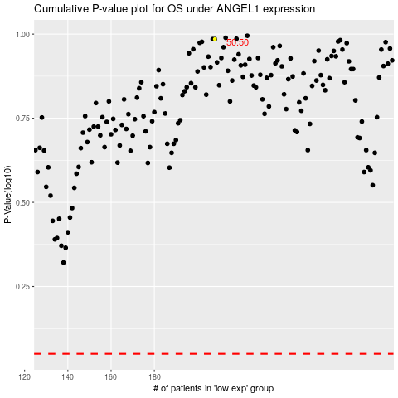

 |  |  |  |  |  | cases_OS | p_OS | rank | exp
 |  |  |  |  |  |  | cases_RFS | p_RFS | rank | exp

