ANGPT2 _multivariate
Reported by Tex Li-Hsing Chi. tex@gate.sinica.edu.tw 2019-08-22

Table 2. The clinicopathological features of HNSCC cohort and ANGPT2 expression. (Chi square test)
Cutoff at 0.16 (66.7%)
 |  | ANGPT2 expression |  | ANGPT2 expression |  | (Optimised)
 | Features | Low | (%) | High | (%) | Case no | P-value | Remark | Matthews
Gender | Female | 204 | 49.2 | 102 | 24.6 | 415 | 1 | 0 | 0
2 | Male | 72 | 17.3 | 37 | 8.9
Age at diagnosis | <=65y | 184 | 44.3 | 90 | 21.7 | 415 | 0.7797 | 0 | 0
4 | >65y | 92 | 22.2 | 49 | 11.8
Clinical T Status | T1+T2 | 104 | 25.1 | 45 | 10.8 | 415 | 0.3394 | 0 | 0
6 | T3+T4 | 172 | 41.4 | 94 | 22.7
Clinical N Status | N0 | 150 | 36.1 | 66 | 15.9 | 415 | 0.2235 | 0 | 0
8 | N1-3 | 126 | 30.4 | 73 | 17.6
Clinical M Status | M0 | 273 | 65.8 | 139 | 33.5 | 415 | 0.554 | 0 | 0
10 | M1 | 3 | 0.7 | 0 | 0
Clinical Stage | Stage I+II | 68 | 16.4 | 34 | 8.2 | 415 | 1 | 0 | 0
12 | Stage III+IV | 208 | 50.1 | 105 | 25.3
Surgical Margin status | Negative | 206 | 49.6 | 112 | 27 | 415 | 0.219 | 0 | 0
14 | Positive | 70 | 16.9 | 27 | 6.5
Tobacco Exposure | Low | 106 | 25.5 | 55 | 13.3 | 415 | 0.8316 | 0 | 0
16 | High | 170 | 41 | 84 | 20.2

Table 3. Univariate/Multivariate Cox's proportional hazards regression analyses on OS time of ANGPT2 gene expression in HNSCC

 |  | Univariate |  |  |  | Multivariate
 | Features | HR | CI95%(L) | CI95%(H) | P-value | HR | CI95%(L) | CI95%(H) | P-value
1 | Female | 1 |  |  |  | 1
Gender | Male | 1.157 | 0.843 | 1.587 | 0.367 | 1.202 | 0.86 | 1.681 | 0.282
11 | <=65y | 1 |  |  |  | 1
Age at diagnosis | >65y | 1.329 | 0.99 | 1.784 | 0.058 | 1.385 | 1.019 | 1.883 | 0.037
12 | T1+T2 | 1 |  |  |  | 1
Clinical T Status | T3+T4 | 1.409 | 1.028 | 1.931 | 0.033 | 2.201 | 1.163 | 4.164 | 0.015
13 | N0 | 1 |  |  |  | 1
Clinical N Status | N1-3 | 1.185 | 0.89 | 1.577 | 0.246 | 1.254 | 0.878 | 1.791 | 0.213
14 | M0 | 1 |  |  |  | 1
Clinical M Status | M1 | 4.097 | 1.009 | 16.644 | 0.049 | 8.693 | 1.891 | 39.972 | 0.005
15 | Stage I+II | 1 |  |  |  | 1
Clinical Stage | Stage III+IV | 1.245 | 0.882 | 1.759 | 0.213 | 0.493 | 0.23 | 1.059 | 0.07
16 | Negative | 1 |  |  |  | 1
Surgical Margin status | Positive | 1.591 | 1.155 | 2.191 | 0.004 | 1.615 | 1.165 | 2.238 | 0.004
17 | Low | 1 |  |  |  | 1
Tobacco Exposure | High | 1.364 | 1.008 | 1.844 | 0.044 | 1.433 | 1.04 | 1.974 | 0.028
18 | Low | 1 |  |  |  | 1
RNAseq(z-score) | High | 0.722 | 0.525 | 0.993 | 0.045 | 0.789 | 0.571 | 1.091 | 0.152

Table 4. Univariate/Multivariate Cox's proportional hazards regression analyses on RFS time of ANGPT2 gene expression in HNSCC

 |  | Univariate |  |  |  | Multivariate
 | Features | HR | CI95%(L) | CI95%(H) | P-value | HR | CI95%(L) | CI95%(H) | P-value
1 | Female | 1 |  |  |  | 1
Gender | Male | 1.157 | 0.843 | 1.587 | 0.367 | 1.202 | 0.86 | 1.681 | 0.282
11 | <=65y | 1 |  |  |  | 1
Age at diagnosis | >65y | 1.329 | 0.99 | 1.784 | 0.058 | 1.385 | 1.019 | 1.883 | 0.037
12 | T1+T2 | 1 |  |  |  | 1
Clinical T Status | T3+T4 | 1.409 | 1.028 | 1.931 | 0.033 | 2.201 | 1.163 | 4.164 | 0.015
13 | N0 | 1 |  |  |  | 1
Clinical N Status | N1-3 | 1.185 | 0.89 | 1.577 | 0.246 | 1.254 | 0.878 | 1.791 | 0.213
14 | M0 | 1 |  |  |  | 1
Clinical M Status | M1 | 4.097 | 1.009 | 16.644 | 0.049 | 8.693 | 1.891 | 39.972 | 0.005
15 | Stage I+II | 1 |  |  |  | 1
Clinical Stage | Stage III+IV | 1.245 | 0.882 | 1.759 | 0.213 | 0.493 | 0.23 | 1.059 | 0.07
16 | Negative | 1 |  |  |  | 1
Surgical Margin status | Positive | 1.591 | 1.155 | 2.191 | 0.004 | 1.615 | 1.165 | 2.238 | 0.004
17 | Low | 1 |  |  |  | 1
Tobacco Exposure | High | 1.364 | 1.008 | 1.844 | 0.044 | 1.433 | 1.04 | 1.974 | 0.028
18 | Low | 1 |  |  |  | 1
RNAseq(z-score) | High | 0.722 | 0.525 | 0.993 | 0.045 | 0.789 | 0.571 | 1.091 | 0.152

Kaplan-Meier survival estimate: Cutoff at 0.16 (66.7%)



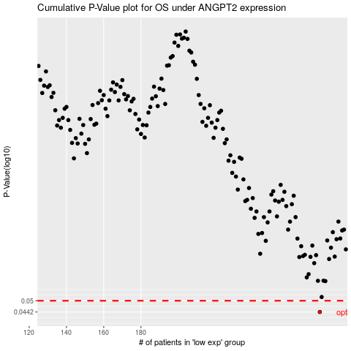

 |  |  |  |  |  | cases_OS | p_OS | rank | exp
 |  |  |  |  |  | 276 | 0.0442 | 157 | 0.16027524585
 |  |  |  |  |  |  | cases_RFS | p_RFS | rank | exp
 |  |  |  |  |  |  | 275 | 0.0442 | 155 | 0.16023489931

