ANGPTL1 _multivariate
Reported by Tex Li-Hsing Chi. tex@gate.sinica.edu.tw 2019-08-22

Table 2. The clinicopathological features of HNSCC cohort and ANGPTL1 expression. (Chi square test)
Cutoff at -0.263 (31.6%)
 |  | ANGPTL1 expression |  | ANGPTL1 expression |  | (Optimised)
 | Features | Low | (%) | High | (%) | Case no | P-value | Remark | Matthews
Gender | Female | 96 | 23.1 | 210 | 50.6 | 415 | 0.9822 | 0 | 0
2 | Male | 35 | 8.4 | 74 | 17.8
Age at diagnosis | <=65y | 78 | 18.8 | 196 | 47.2 | 415 | 0.0747 | 0 | 0
4 | >65y | 53 | 12.8 | 88 | 21.2
Clinical T Status | T1+T2 | 43 | 10.4 | 106 | 25.5 | 415 | 0.4366 | 0 | 0
6 | T3+T4 | 88 | 21.2 | 178 | 42.9
Clinical N Status | N0 | 76 | 18.3 | 140 | 33.7 | 415 | 0.1219 | 0 | 0
8 | N1-3 | 55 | 13.3 | 144 | 34.7
Clinical M Status | M0 | 129 | 31.1 | 283 | 68.2 | 415 | 0.2354 | 0 | 0
10 | M1 | 2 | 0.5 | 1 | 0.2
Clinical Stage | Stage I+II | 28 | 6.7 | 74 | 17.8 | 415 | 0.3644 | 0 | 0
12 | Stage III+IV | 103 | 24.8 | 210 | 50.6
Surgical Margin status | Negative | 104 | 25.1 | 214 | 51.6 | 415 | 0.3854 | 0 | 0
14 | Positive | 27 | 6.5 | 70 | 16.9
Tobacco Exposure | Low | 54 | 13 | 107 | 25.8 | 415 | 0.5164 | 0 | 0
16 | High | 77 | 18.6 | 177 | 42.7

Table 3. Univariate/Multivariate Cox's proportional hazards regression analyses on OS time of ANGPTL1 gene expression in HNSCC

 |  | Univariate |  |  |  | Multivariate
 | Features | HR | CI95%(L) | CI95%(H) | P-value | HR | CI95%(L) | CI95%(H) | P-value
1 | Female | 1 |  |  |  | 1
Gender | Male | 1.157 | 0.843 | 1.587 | 0.367 | 1.226 | 0.879 | 1.71 | 0.229
11 | <=65y | 1 |  |  |  | 1
Age at diagnosis | >65y | 1.329 | 0.99 | 1.784 | 0.058 | 1.487 | 1.089 | 2.031 | 0.013
12 | T1+T2 | 1 |  |  |  | 1
Clinical T Status | T3+T4 | 1.409 | 1.028 | 1.931 | 0.033 | 2.115 | 1.117 | 4.002 | 0.021
13 | N0 | 1 |  |  |  | 1
Clinical N Status | N1-3 | 1.185 | 0.89 | 1.577 | 0.246 | 1.195 | 0.836 | 1.709 | 0.328
14 | M0 | 1 |  |  |  | 1
Clinical M Status | M1 | 4.097 | 1.009 | 16.644 | 0.049 | 11.697 | 2.53 | 54.068 | 0.002
15 | Stage I+II | 1 |  |  |  | 1
Clinical Stage | Stage III+IV | 1.245 | 0.882 | 1.759 | 0.213 | 0.55 | 0.255 | 1.183 | 0.126
16 | Negative | 1 |  |  |  | 1
Surgical Margin status | Positive | 1.591 | 1.155 | 2.191 | 0.004 | 1.578 | 1.14 | 2.184 | 0.006
17 | Low | 1 |  |  |  | 1
Tobacco Exposure | High | 1.364 | 1.008 | 1.844 | 0.044 | 1.47 | 1.069 | 2.022 | 0.018
18 | Low | 1 |  |  |  | 1
RNAseq(z-score) | High | 1.553 | 1.113 | 2.167 | 0.01 | 1.633 | 1.16 | 2.299 | 0.005

Table 4. Univariate/Multivariate Cox's proportional hazards regression analyses on RFS time of ANGPTL1 gene expression in HNSCC

 |  | Univariate |  |  |  | Multivariate
 | Features | HR | CI95%(L) | CI95%(H) | P-value | HR | CI95%(L) | CI95%(H) | P-value
1 | Female | 1 |  |  |  | 1
Gender | Male | 1.157 | 0.843 | 1.587 | 0.367 | 1.226 | 0.879 | 1.71 | 0.229
11 | <=65y | 1 |  |  |  | 1
Age at diagnosis | >65y | 1.329 | 0.99 | 1.784 | 0.058 | 1.487 | 1.089 | 2.031 | 0.013
12 | T1+T2 | 1 |  |  |  | 1
Clinical T Status | T3+T4 | 1.409 | 1.028 | 1.931 | 0.033 | 2.115 | 1.117 | 4.002 | 0.021
13 | N0 | 1 |  |  |  | 1
Clinical N Status | N1-3 | 1.185 | 0.89 | 1.577 | 0.246 | 1.195 | 0.836 | 1.709 | 0.328
14 | M0 | 1 |  |  |  | 1
Clinical M Status | M1 | 4.097 | 1.009 | 16.644 | 0.049 | 11.697 | 2.53 | 54.068 | 0.002
15 | Stage I+II | 1 |  |  |  | 1
Clinical Stage | Stage III+IV | 1.245 | 0.882 | 1.759 | 0.213 | 0.55 | 0.255 | 1.183 | 0.126
16 | Negative | 1 |  |  |  | 1
Surgical Margin status | Positive | 1.591 | 1.155 | 2.191 | 0.004 | 1.578 | 1.14 | 2.184 | 0.006
17 | Low | 1 |  |  |  | 1
Tobacco Exposure | High | 1.364 | 1.008 | 1.844 | 0.044 | 1.47 | 1.069 | 2.022 | 0.018
18 | Low | 1 |  |  |  | 1
RNAseq(z-score) | High | 1.553 | 1.113 | 2.167 | 0.01 | 1.633 | 1.16 | 2.299 | 0.005

Kaplan-Meier survival estimate: Cutoff at -0.263 (31.6%)

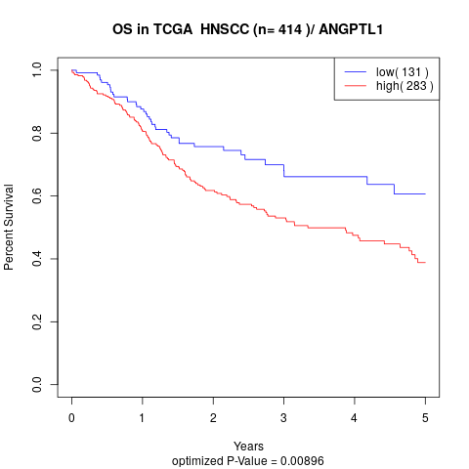

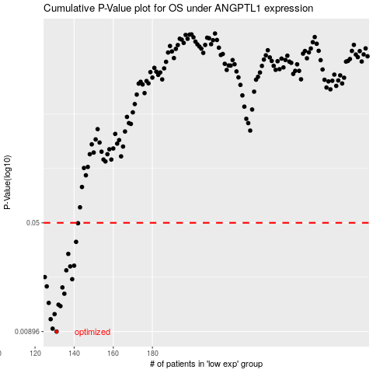

 |  |  |  |  |  | cases_OS | p_OS | rank | exp
 |  |  |  |  |  | 131 | 0.00896 | 394 | -0.26300782752
 |  |  |  |  |  | 129 | 0.00938 | 118 | -0.2633019039
 |  |  |  |  |  | 128 | 0.0109 | 383 | -0.26330378901
 |  |  |  |  |  | 130 | 0.0118 | 363 | -0.26315345188
 |  |  |  |  |  | 133 | 0.0134 | 92 | -0.26209260902
 |  |  |  |  |  | 132 | 0.0137 | 28 | -0.26276229258
 |  |  |  |  |  | 127 | 0.0141 | 112 | -0.26344611444
 |  |  |  |  |  | 135 | 0.0163 | 222 | -0.26194462827
 |  |  |  |  |  | 134 | 0.018 | 252 | -0.26208035584
 |  |  |  |  |  | 126 | 0.0183 | 105 | -0.26347957505
 |  |  |  |  |  | 139 | 0.0205 | 323 | -0.26145402969
 |  |  |  |  |  | 125 | 0.0212 | 9 | -0.26436651697
 |  |  |  |  |  | 136 | 0.0236 | 369 | -0.26185744217
 |  |  |  |  |  | 138 | 0.0251 | 329 | -0.26163405722
 |  |  |  |  |  | 140 | 0.0254 | 370 | -0.2614479031
 |  |  |  |  |  | 137 | 0.0306 | 135 | -0.26165337955
 |  |  |  |  |  | 141 | 0.037 | 138 | -0.26124007027
 |  |  |  |  |  | 142 | 0.0497 | 373 | -0.26080555355
 |  |  |  |  |  |  | cases_RFS | p_RFS | rank | exp
 |  |  |  |  |  |  | 130 | 0.00896 | 363 | -0.26315345188
 |  |  |  |  |  |  | 128 | 0.00938 | 383 | -0.26330378901
 |  |  |  |  |  |  | 127 | 0.0109 | 112 | -0.26344611444
 |  |  |  |  |  |  | 129 | 0.0118 | 118 | -0.2633019039
 |  |  |  |  |  |  | 132 | 0.0134 | 28 | -0.26276229258
 |  |  |  |  |  |  | 131 | 0.0137 | 394 | -0.26300782752
 |  |  |  |  |  |  | 126 | 0.0141 | 105 | -0.26347957505
 |  |  |  |  |  |  | 134 | 0.0163 | 252 | -0.26208035584
 |  |  |  |  |  |  | 133 | 0.018 | 92 | -0.26209260902
 |  |  |  |  |  |  | 125 | 0.0183 | 9 | -0.26436651697
 |  |  |  |  |  |  | 138 | 0.0205 | 329 | -0.26163405722
 |  |  |  |  |  |  |  | 0.0212 | 239 | -0.2648363794
 |  |  |  |  |  |  | 135 | 0.0236 | 222 | -0.26194462827
 |  |  |  |  |  |  | 137 | 0.0251 | 135 | -0.26165337955
 |  |  |  |  |  |  | 139 | 0.0254 | 323 | -0.26145402969
 |  |  |  |  |  |  | 136 | 0.0306 | 369 | -0.26185744217
 |  |  |  |  |  |  | 140 | 0.037 | 370 | -0.2614479031
 |  |  |  |  |  |  | 141 | 0.0497 | 138 | -0.26124007027

