ANGPTL2 _multivariate
Reported by Tex Li-Hsing Chi. tex@gate.sinica.edu.tw 2019-08-22

Table 2. The clinicopathological features of HNSCC cohort and ANGPTL2 expression. (Chi square test)
Cutoff at -0.553 (30.2%)
 |  | ANGPTL2 expression |  | ANGPTL2 expression |  | (Optimised)
 | Features | Low | (%) | High | (%) | Case no | P-value | Remark | Matthews
Gender | Female | 91 | 21.9 | 215 | 51.8 | 415 | 0.8709 | 0 | 0
2 | Male | 34 | 8.2 | 75 | 18.1
Age at diagnosis | <=65y | 77 | 18.6 | 197 | 47.5 | 415 | 0.2558 | 0 | 0
4 | >65y | 48 | 11.6 | 93 | 22.4
Clinical T Status | T1+T2 | 47 | 11.3 | 102 | 24.6 | 415 | 0.7178 | 0 | 0
6 | T3+T4 | 78 | 18.8 | 188 | 45.3
Clinical N Status | N0 | 68 | 16.4 | 148 | 35.7 | 415 | 0.6013 | 0 | 0
8 | N1-3 | 57 | 13.7 | 142 | 34.2
Clinical M Status | M0 | 122 | 29.4 | 290 | 69.9 | 415 | 0.0269 | 1 | 0
10 | M1 | 3 | 0.7 | 0 | 0
Clinical Stage | Stage I+II | 31 | 7.5 | 71 | 17.1 | 415 | 1 | 0 | 0
12 | Stage III+IV | 94 | 22.7 | 219 | 52.8
Surgical Margin status | Negative | 90 | 21.7 | 228 | 54.9 | 415 | 0.1644 | 0 | 0
14 | Positive | 35 | 8.4 | 62 | 14.9
Tobacco Exposure | Low | 55 | 13.3 | 106 | 25.5 | 415 | 0.1556 | 0 | 0
16 | High | 70 | 16.9 | 184 | 44.3

Table 3. Univariate/Multivariate Cox's proportional hazards regression analyses on OS time of ANGPTL2 gene expression in HNSCC

 |  | Univariate |  |  |  | Multivariate
 | Features | HR | CI95%(L) | CI95%(H) | P-value | HR | CI95%(L) | CI95%(H) | P-value
1 | Female | 1 |  |  |  | 1
Gender | Male | 1.157 | 0.843 | 1.587 | 0.367 | 1.193 | 0.852 | 1.67 | 0.306
11 | <=65y | 1 |  |  |  | 1
Age at diagnosis | >65y | 1.329 | 0.99 | 1.784 | 0.058 | 1.36 | 1 | 1.85 | 0.05
12 | T1+T2 | 1 |  |  |  | 1
Clinical T Status | T3+T4 | 1.409 | 1.028 | 1.931 | 0.033 | 2.27 | 1.2 | 4.295 | 0.012
13 | N0 | 1 |  |  |  | 1
Clinical N Status | N1-3 | 1.185 | 0.89 | 1.577 | 0.246 | 1.232 | 0.864 | 1.758 | 0.25
14 | M0 | 1 |  |  |  | 1
Clinical M Status | M1 | 4.097 | 1.009 | 16.644 | 0.049 | 7.946 | 1.716 | 36.791 | 0.008
15 | Stage I+II | 1 |  |  |  | 1
Clinical Stage | Stage III+IV | 1.245 | 0.882 | 1.759 | 0.213 | 0.491 | 0.229 | 1.054 | 0.068
16 | Negative | 1 |  |  |  | 1
Surgical Margin status | Positive | 1.591 | 1.155 | 2.191 | 0.004 | 1.64 | 1.186 | 2.269 | 0.003
17 | Low | 1 |  |  |  | 1
Tobacco Exposure | High | 1.364 | 1.008 | 1.844 | 0.044 | 1.493 | 1.08 | 2.065 | 0.015
18 | Low | 1 |  |  |  | 1
RNAseq(z-score) | High | 0.735 | 0.543 | 0.995 | 0.046 | 0.749 | 0.548 | 1.023 | 0.069

Table 4. Univariate/Multivariate Cox's proportional hazards regression analyses on RFS time of ANGPTL2 gene expression in HNSCC

 |  | Univariate |  |  |  | Multivariate
 | Features | HR | CI95%(L) | CI95%(H) | P-value | HR | CI95%(L) | CI95%(H) | P-value
1 | Female | 1 |  |  |  | 1
Gender | Male | 1.157 | 0.843 | 1.587 | 0.367 | 1.193 | 0.852 | 1.67 | 0.306
11 | <=65y | 1 |  |  |  | 1
Age at diagnosis | >65y | 1.329 | 0.99 | 1.784 | 0.058 | 1.36 | 1 | 1.85 | 0.05
12 | T1+T2 | 1 |  |  |  | 1
Clinical T Status | T3+T4 | 1.409 | 1.028 | 1.931 | 0.033 | 2.27 | 1.2 | 4.295 | 0.012
13 | N0 | 1 |  |  |  | 1
Clinical N Status | N1-3 | 1.185 | 0.89 | 1.577 | 0.246 | 1.232 | 0.864 | 1.758 | 0.25
14 | M0 | 1 |  |  |  | 1
Clinical M Status | M1 | 4.097 | 1.009 | 16.644 | 0.049 | 7.946 | 1.716 | 36.791 | 0.008
15 | Stage I+II | 1 |  |  |  | 1
Clinical Stage | Stage III+IV | 1.245 | 0.882 | 1.759 | 0.213 | 0.491 | 0.229 | 1.054 | 0.068
16 | Negative | 1 |  |  |  | 1
Surgical Margin status | Positive | 1.591 | 1.155 | 2.191 | 0.004 | 1.64 | 1.186 | 2.269 | 0.003
17 | Low | 1 |  |  |  | 1
Tobacco Exposure | High | 1.364 | 1.008 | 1.844 | 0.044 | 1.493 | 1.08 | 2.065 | 0.015
18 | Low | 1 |  |  |  | 1
RNAseq(z-score) | High | 0.735 | 0.543 | 0.995 | 0.046 | 0.749 | 0.548 | 1.023 | 0.069

Kaplan-Meier survival estimate: Cutoff at -0.553 (30.2%)



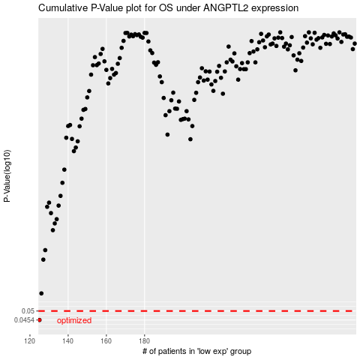

 |  |  |  |  |  | cases_OS | p_OS | rank | exp
 |  |  |  |  |  | 125 | 0.0454 | 109 | -0.55294636971
 |  |  |  |  |  |  | cases_RFS | p_RFS | rank | exp
 |  |  |  |  |  |  |  | 0.0454 | 392 | -0.55580029603

