ANGPTL4 _multivariate
Reported by Tex Li-Hsing Chi. tex@gate.sinica.edu.tw 2019-08-22

Table 2. The clinicopathological features of HNSCC cohort and ANGPTL4 expression. (Chi square test)
Cutoff at -0.318 (50.0%)
 |  | ANGPTL4 expression |  | ANGPTL4 expression |  | (Optimised)
 | Features | Low | (%) | High | (%) | Case no | P-value | Remark | Matthews
Gender | Female | 155 | 37.3 | 151 | 36.4 | 415 | 0.6768 | 0 | 0
2 | Male | 52 | 12.5 | 57 | 13.7
Age at diagnosis | <=65y | 140 | 33.7 | 134 | 32.3 | 415 | 0.5574 | 0 | 0
4 | >65y | 67 | 16.1 | 74 | 17.8
Clinical T Status | T1+T2 | 89 | 21.4 | 60 | 14.5 | 415 | 0.0037 | 1 | 0
6 | T3+T4 | 118 | 28.4 | 148 | 35.7
Clinical N Status | N0 | 118 | 28.4 | 98 | 23.6 | 415 | 0.0551 | 1 | 0
8 | N1-3 | 89 | 21.4 | 110 | 26.5
Clinical M Status | M0 | 207 | 49.9 | 205 | 49.4 | 415 | 0.2482 | 0 | 0
10 | M1 | 0 | 0 | 3 | 0.7
Clinical Stage | Stage I+II | 62 | 14.9 | 40 | 9.6 | 415 | 0.0154 | 1 | 0
12 | Stage III+IV | 145 | 34.9 | 168 | 40.5
Surgical Margin status | Negative | 155 | 37.3 | 163 | 39.3 | 415 | 0.4187 | 0 | 0
14 | Positive | 52 | 12.5 | 45 | 10.8
Tobacco Exposure | Low | 83 | 20 | 78 | 18.8 | 415 | 0.6152 | 0 | 0
16 | High | 124 | 29.9 | 130 | 31.3

Table 3. Univariate/Multivariate Cox's proportional hazards regression analyses on OS time of ANGPTL4 gene expression in HNSCC

 |  | Univariate |  |  |  | Multivariate
 | Features | HR | CI95%(L) | CI95%(H) | P-value | HR | CI95%(L) | CI95%(H) | P-value
1 | Female | 1 |  |  |  | 1
Gender | Male | 1.157 | 0.843 | 1.587 | 0.367 | 1.209 | 0.865 | 1.69 | 0.267
11 | <=65y | 1 |  |  |  | 1
Age at diagnosis | >65y | 1.329 | 0.99 | 1.784 | 0.058 | 1.41 | 1.036 | 1.92 | 0.029
12 | T1+T2 | 1 |  |  |  | 1
Clinical T Status | T3+T4 | 1.409 | 1.028 | 1.931 | 0.033 | 2.277 | 1.201 | 4.319 | 0.012
13 | N0 | 1 |  |  |  | 1
Clinical N Status | N1-3 | 1.185 | 0.89 | 1.577 | 0.246 | 1.274 | 0.89 | 1.824 | 0.185
14 | M0 | 1 |  |  |  | 1
Clinical M Status | M1 | 4.097 | 1.009 | 16.644 | 0.049 | 10.468 | 2.257 | 48.546 | 0.003
15 | Stage I+II | 1 |  |  |  | 1
Clinical Stage | Stage III+IV | 1.245 | 0.882 | 1.759 | 0.213 | 0.493 | 0.23 | 1.06 | 0.07
16 | Negative | 1 |  |  |  | 1
Surgical Margin status | Positive | 1.591 | 1.155 | 2.191 | 0.004 | 1.643 | 1.187 | 2.273 | 0.003
17 | Low | 1 |  |  |  | 1
Tobacco Exposure | High | 1.364 | 1.008 | 1.844 | 0.044 | 1.458 | 1.058 | 2.009 | 0.021
18 | Low | 1 |  |  |  | 1
RNAseq(z-score) | High | 0.898 | 0.674 | 1.198 | 0.465 | 0.84 | 0.625 | 1.128 | 0.246

Table 4. Univariate/Multivariate Cox's proportional hazards regression analyses on RFS time of ANGPTL4 gene expression in HNSCC

 |  | Univariate |  |  |  | Multivariate
 | Features | HR | CI95%(L) | CI95%(H) | P-value | HR | CI95%(L) | CI95%(H) | P-value
1 | Female | 1 |  |  |  | 1
Gender | Male | 1.157 | 0.843 | 1.587 | 0.367 | 1.209 | 0.865 | 1.69 | 0.267
11 | <=65y | 1 |  |  |  | 1
Age at diagnosis | >65y | 1.329 | 0.99 | 1.784 | 0.058 | 1.41 | 1.036 | 1.92 | 0.029
12 | T1+T2 | 1 |  |  |  | 1
Clinical T Status | T3+T4 | 1.409 | 1.028 | 1.931 | 0.033 | 2.277 | 1.201 | 4.319 | 0.012
13 | N0 | 1 |  |  |  | 1
Clinical N Status | N1-3 | 1.185 | 0.89 | 1.577 | 0.246 | 1.274 | 0.89 | 1.824 | 0.185
14 | M0 | 1 |  |  |  | 1
Clinical M Status | M1 | 4.097 | 1.009 | 16.644 | 0.049 | 10.468 | 2.257 | 48.546 | 0.003
15 | Stage I+II | 1 |  |  |  | 1
Clinical Stage | Stage III+IV | 1.245 | 0.882 | 1.759 | 0.213 | 0.493 | 0.23 | 1.06 | 0.07
16 | Negative | 1 |  |  |  | 1
Surgical Margin status | Positive | 1.591 | 1.155 | 2.191 | 0.004 | 1.643 | 1.187 | 2.273 | 0.003
17 | Low | 1 |  |  |  | 1
Tobacco Exposure | High | 1.364 | 1.008 | 1.844 | 0.044 | 1.458 | 1.058 | 2.009 | 0.021
18 | Low | 1 |  |  |  | 1
RNAseq(z-score) | High | 0.898 | 0.674 | 1.198 | 0.465 | 0.84 | 0.625 | 1.128 | 0.246

Kaplan-Meier survival estimate: Cutoff at -0.318 (50.0%)



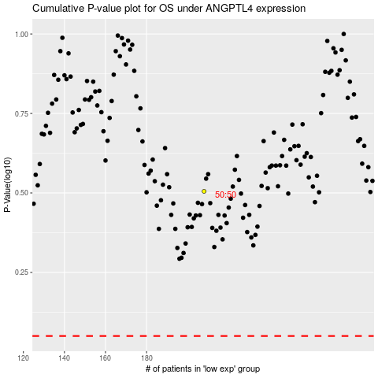

 |  |  |  |  |  | cases_OS | p_OS | rank | exp
 |  |  |  |  |  |  | cases_RFS | p_RFS | rank | exp

