ANGPTL7 _multivariate
Reported by Tex Li-Hsing Chi. tex@gate.sinica.edu.tw 2019-08-22

Table 2. The clinicopathological features of HNSCC cohort and ANGPTL7 expression. (Chi square test)
Cutoff at -0.186 (50.0%)
 |  | ANGPTL7 expression |  | ANGPTL7 expression |  | (Optimised)
 | Features | Low | (%) | High | (%) | Case no | P-value | Remark | Matthews
Gender | Female | 159 | 38.3 | 147 | 35.4 | 415 | 0.1905 | 0 | 0
2 | Male | 48 | 11.6 | 61 | 14.7
Age at diagnosis | <=65y | 129 | 31.1 | 145 | 34.9 | 415 | 0.1372 | 0 | 0
4 | >65y | 78 | 18.8 | 63 | 15.2
Clinical T Status | T1+T2 | 68 | 16.4 | 81 | 19.5 | 415 | 0.2336 | 0 | 0
6 | T3+T4 | 139 | 33.5 | 127 | 30.6
Clinical N Status | N0 | 106 | 25.5 | 110 | 26.5 | 415 | 0.8075 | 0 | 0
8 | N1-3 | 101 | 24.3 | 98 | 23.6
Clinical M Status | M0 | 204 | 49.2 | 208 | 50.1 | 415 | 0.1232 | 0 | 0
10 | M1 | 3 | 0.7 | 0 | 0
Clinical Stage | Stage I+II | 40 | 9.6 | 62 | 14.9 | 415 | 0.018 | 1 | 0
12 | Stage III+IV | 167 | 40.2 | 146 | 35.2
Surgical Margin status | Negative | 153 | 36.9 | 165 | 39.8 | 415 | 0.2036 | 0 | 0
14 | Positive | 54 | 13 | 43 | 10.4
Tobacco Exposure | Low | 81 | 19.5 | 80 | 19.3 | 415 | 0.9199 | 0 | 0
16 | High | 126 | 30.4 | 128 | 30.8

Table 3. Univariate/Multivariate Cox's proportional hazards regression analyses on OS time of ANGPTL7 gene expression in HNSCC

 |  | Univariate |  |  |  | Multivariate
 | Features | HR | CI95%(L) | CI95%(H) | P-value | HR | CI95%(L) | CI95%(H) | P-value
1 | Female | 1 |  |  |  | 1
Gender | Male | 1.157 | 0.843 | 1.587 | 0.367 | 1.187 | 0.848 | 1.663 | 0.318
11 | <=65y | 1 |  |  |  | 1
Age at diagnosis | >65y | 1.329 | 0.99 | 1.784 | 0.058 | 1.405 | 1.031 | 1.913 | 0.031
12 | T1+T2 | 1 |  |  |  | 1
Clinical T Status | T3+T4 | 1.409 | 1.028 | 1.931 | 0.033 | 2.174 | 1.148 | 4.119 | 0.017
13 | N0 | 1 |  |  |  | 1
Clinical N Status | N1-3 | 1.185 | 0.89 | 1.577 | 0.246 | 1.237 | 0.867 | 1.766 | 0.24
14 | M0 | 1 |  |  |  | 1
Clinical M Status | M1 | 4.097 | 1.009 | 16.644 | 0.049 | 9.65 | 2.099 | 44.367 | 0.004
15 | Stage I+II | 1 |  |  |  | 1
Clinical Stage | Stage III+IV | 1.245 | 0.882 | 1.759 | 0.213 | 0.515 | 0.239 | 1.109 | 0.09
16 | Negative | 1 |  |  |  | 1
Surgical Margin status | Positive | 1.591 | 1.155 | 2.191 | 0.004 | 1.675 | 1.213 | 2.315 | 0.002
17 | Low | 1 |  |  |  | 1
Tobacco Exposure | High | 1.364 | 1.008 | 1.844 | 0.044 | 1.446 | 1.05 | 1.993 | 0.024
18 | Low | 1 |  |  |  | 1
RNAseq(z-score) | High | 1.076 | 0.807 | 1.434 | 0.618 | 1.082 | 0.805 | 1.455 | 0.602

Table 4. Univariate/Multivariate Cox's proportional hazards regression analyses on RFS time of ANGPTL7 gene expression in HNSCC

 |  | Univariate |  |  |  | Multivariate
 | Features | HR | CI95%(L) | CI95%(H) | P-value | HR | CI95%(L) | CI95%(H) | P-value
1 | Female | 1 |  |  |  | 1
Gender | Male | 1.157 | 0.843 | 1.587 | 0.367 | 1.187 | 0.848 | 1.663 | 0.318
11 | <=65y | 1 |  |  |  | 1
Age at diagnosis | >65y | 1.329 | 0.99 | 1.784 | 0.058 | 1.405 | 1.031 | 1.913 | 0.031
12 | T1+T2 | 1 |  |  |  | 1
Clinical T Status | T3+T4 | 1.409 | 1.028 | 1.931 | 0.033 | 2.174 | 1.148 | 4.119 | 0.017
13 | N0 | 1 |  |  |  | 1
Clinical N Status | N1-3 | 1.185 | 0.89 | 1.577 | 0.246 | 1.237 | 0.867 | 1.766 | 0.24
14 | M0 | 1 |  |  |  | 1
Clinical M Status | M1 | 4.097 | 1.009 | 16.644 | 0.049 | 9.65 | 2.099 | 44.367 | 0.004
15 | Stage I+II | 1 |  |  |  | 1
Clinical Stage | Stage III+IV | 1.245 | 0.882 | 1.759 | 0.213 | 0.515 | 0.239 | 1.109 | 0.09
16 | Negative | 1 |  |  |  | 1
Surgical Margin status | Positive | 1.591 | 1.155 | 2.191 | 0.004 | 1.675 | 1.213 | 2.315 | 0.002
17 | Low | 1 |  |  |  | 1
Tobacco Exposure | High | 1.364 | 1.008 | 1.844 | 0.044 | 1.446 | 1.05 | 1.993 | 0.024
18 | Low | 1 |  |  |  | 1
RNAseq(z-score) | High | 1.076 | 0.807 | 1.434 | 0.618 | 1.082 | 0.805 | 1.455 | 0.602

Kaplan-Meier survival estimate: Cutoff at -0.186 (50.0%)



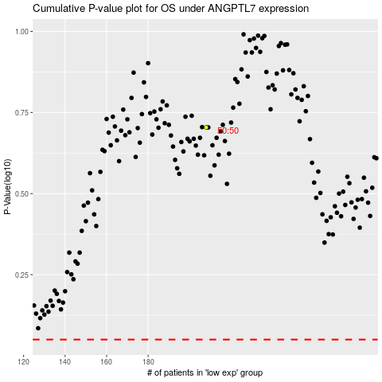

 |  |  |  |  |  | cases_OS | p_OS | rank | exp
 |  |  |  |  |  |  | cases_RFS | p_RFS | rank | exp

