ANKDD1A _multivariate
Reported by Tex Li-Hsing Chi. tex@gate.sinica.edu.tw 2019-08-22

Table 2. The clinicopathological features of HNSCC cohort and ANKDD1A expression. (Chi square test)
Cutoff at -0.281 (50.0%)
 |  | ANKDD1A expression |  | ANKDD1A expression |  | (Optimised)
 | Features | Low | (%) | High | (%) | Case no | P-value | Remark | Matthews
Gender | Female | 150 | 36.1 | 156 | 37.6 | 415 | 0.6344 | 0 | 0
2 | Male | 57 | 13.7 | 52 | 12.5
Age at diagnosis | <=65y | 133 | 32 | 141 | 34 | 415 | 0.5111 | 0 | 0
4 | >65y | 74 | 17.8 | 67 | 16.1
Clinical T Status | T1+T2 | 73 | 17.6 | 76 | 18.3 | 415 | 0.8666 | 0 | 0
6 | T3+T4 | 134 | 32.3 | 132 | 31.8
Clinical N Status | N0 | 115 | 27.7 | 101 | 24.3 | 415 | 0.184 | 1 | 0
8 | N1-3 | 92 | 22.2 | 107 | 25.8
Clinical M Status | M0 | 206 | 49.6 | 206 | 49.6 | 415 | 1 | 0 | 0
10 | M1 | 1 | 0.2 | 2 | 0.5
Clinical Stage | Stage I+II | 52 | 12.5 | 50 | 12 | 415 | 0.8871 | 0 | 0
12 | Stage III+IV | 155 | 37.3 | 158 | 38.1
Surgical Margin status | Negative | 163 | 39.3 | 155 | 37.3 | 415 | 0.3537 | 0 | 0
14 | Positive | 44 | 10.6 | 53 | 12.8
Tobacco Exposure | Low | 82 | 19.8 | 79 | 19 | 415 | 0.763 | 0 | 0
16 | High | 125 | 30.1 | 129 | 31.1

Table 3. Univariate/Multivariate Cox's proportional hazards regression analyses on OS time of ANKDD1A gene expression in HNSCC

 |  | Univariate |  |  |  | Multivariate
 | Features | HR | CI95%(L) | CI95%(H) | P-value | HR | CI95%(L) | CI95%(H) | P-value
1 | Female | 1 |  |  |  | 1
Gender | Male | 1.157 | 0.843 | 1.587 | 0.367 | 1.201 | 0.86 | 1.678 | 0.282
11 | <=65y | 1 |  |  |  | 1
Age at diagnosis | >65y | 1.329 | 0.99 | 1.784 | 0.058 | 1.391 | 1.023 | 1.891 | 0.035
12 | T1+T2 | 1 |  |  |  | 1
Clinical T Status | T3+T4 | 1.409 | 1.028 | 1.931 | 0.033 | 2.204 | 1.166 | 4.168 | 0.015
13 | N0 | 1 |  |  |  | 1
Clinical N Status | N1-3 | 1.185 | 0.89 | 1.577 | 0.246 | 1.244 | 0.87 | 1.779 | 0.231
14 | M0 | 1 |  |  |  | 1
Clinical M Status | M1 | 4.097 | 1.009 | 16.644 | 0.049 | 9.465 | 2.06 | 43.486 | 0.004
15 | Stage I+II | 1 |  |  |  | 1
Clinical Stage | Stage III+IV | 1.245 | 0.882 | 1.759 | 0.213 | 0.503 | 0.234 | 1.081 | 0.078
16 | Negative | 1 |  |  |  | 1
Surgical Margin status | Positive | 1.591 | 1.155 | 2.191 | 0.004 | 1.674 | 1.211 | 2.316 | 0.002
17 | Low | 1 |  |  |  | 1
Tobacco Exposure | High | 1.364 | 1.008 | 1.844 | 0.044 | 1.455 | 1.055 | 2.007 | 0.022
18 | Low | 1 |  |  |  | 1
RNAseq(z-score) | High | 1.032 | 0.775 | 1.375 | 0.828 | 0.979 | 0.731 | 1.309 | 0.884

Table 4. Univariate/Multivariate Cox's proportional hazards regression analyses on RFS time of ANKDD1A gene expression in HNSCC

 |  | Univariate |  |  |  | Multivariate
 | Features | HR | CI95%(L) | CI95%(H) | P-value | HR | CI95%(L) | CI95%(H) | P-value
1 | Female | 1 |  |  |  | 1
Gender | Male | 1.157 | 0.843 | 1.587 | 0.367 | 1.201 | 0.86 | 1.678 | 0.282
11 | <=65y | 1 |  |  |  | 1
Age at diagnosis | >65y | 1.329 | 0.99 | 1.784 | 0.058 | 1.391 | 1.023 | 1.891 | 0.035
12 | T1+T2 | 1 |  |  |  | 1
Clinical T Status | T3+T4 | 1.409 | 1.028 | 1.931 | 0.033 | 2.204 | 1.166 | 4.168 | 0.015
13 | N0 | 1 |  |  |  | 1
Clinical N Status | N1-3 | 1.185 | 0.89 | 1.577 | 0.246 | 1.244 | 0.87 | 1.779 | 0.231
14 | M0 | 1 |  |  |  | 1
Clinical M Status | M1 | 4.097 | 1.009 | 16.644 | 0.049 | 9.465 | 2.06 | 43.486 | 0.004
15 | Stage I+II | 1 |  |  |  | 1
Clinical Stage | Stage III+IV | 1.245 | 0.882 | 1.759 | 0.213 | 0.503 | 0.234 | 1.081 | 0.078
16 | Negative | 1 |  |  |  | 1
Surgical Margin status | Positive | 1.591 | 1.155 | 2.191 | 0.004 | 1.674 | 1.211 | 2.316 | 0.002
17 | Low | 1 |  |  |  | 1
Tobacco Exposure | High | 1.364 | 1.008 | 1.844 | 0.044 | 1.455 | 1.055 | 2.007 | 0.022
18 | Low | 1 |  |  |  | 1
RNAseq(z-score) | High | 1.032 | 0.775 | 1.375 | 0.828 | 0.979 | 0.731 | 1.309 | 0.884

Kaplan-Meier survival estimate: Cutoff at -0.281 (50.0%)



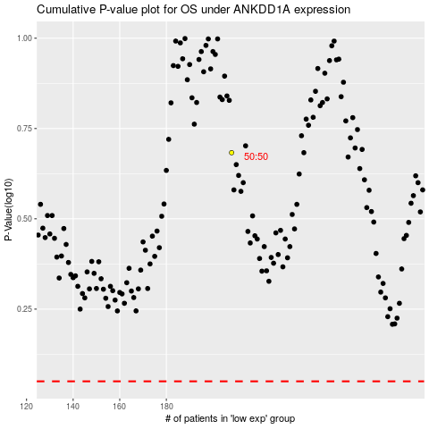

 |  |  |  |  |  | cases_OS | p_OS | rank | exp
 |  |  |  |  |  |  | cases_RFS | p_RFS | rank | exp

