ANKH _multivariate
Reported by Tex Li-Hsing Chi. tex@gate.sinica.edu.tw 2019-08-22

Table 2. The clinicopathological features of HNSCC cohort and ANKH expression. (Chi square test)
Cutoff at -0.25 (49.8%)
 |  | ANKH expression |  | ANKH expression |  | (Optimised)
 | Features | Low | (%) | High | (%) | Case no | P-value | Remark | Matthews
Gender | Female | 147 | 35.4 | 159 | 38.3 | 415 | 0.2523 | 0 | 0
2 | Male | 60 | 14.5 | 49 | 11.8
Age at diagnosis | <=65y | 124 | 29.9 | 150 | 36.1 | 415 | 0.0116 | 1 | 0
4 | >65y | 83 | 20 | 58 | 14
Clinical T Status | T1+T2 | 71 | 17.1 | 78 | 18.8 | 415 | 0.5638 | 0 | 0
6 | T3+T4 | 136 | 32.8 | 130 | 31.3
Clinical N Status | N0 | 113 | 27.2 | 103 | 24.8 | 415 | 0.3495 | 1 | 0
8 | N1-3 | 94 | 22.7 | 105 | 25.3
Clinical M Status | M0 | 205 | 49.4 | 207 | 49.9 | 415 | 0.6232 | 0 | 0
10 | M1 | 2 | 0.5 | 1 | 0.2
Clinical Stage | Stage I+II | 51 | 12.3 | 51 | 12.3 | 415 | 1 | 0 | 0
12 | Stage III+IV | 156 | 37.6 | 157 | 37.8
Surgical Margin status | Negative | 153 | 36.9 | 165 | 39.8 | 415 | 0.2036 | 0 | 0
14 | Positive | 54 | 13 | 43 | 10.4
Tobacco Exposure | Low | 85 | 20.5 | 76 | 18.3 | 415 | 0.3655 | 0 | 0
16 | High | 122 | 29.4 | 132 | 31.8

Table 3. Univariate/Multivariate Cox's proportional hazards regression analyses on OS time of ANKH gene expression in HNSCC

 |  | Univariate |  |  |  | Multivariate
 | Features | HR | CI95%(L) | CI95%(H) | P-value | HR | CI95%(L) | CI95%(H) | P-value
1 | Female | 1 |  |  |  | 1
Gender | Male | 1.157 | 0.843 | 1.587 | 0.367 | 1.197 | 0.856 | 1.673 | 0.294
11 | <=65y | 1 |  |  |  | 1
Age at diagnosis | >65y | 1.329 | 0.99 | 1.784 | 0.058 | 1.367 | 1.003 | 1.862 | 0.048
12 | T1+T2 | 1 |  |  |  | 1
Clinical T Status | T3+T4 | 1.409 | 1.028 | 1.931 | 0.033 | 2.211 | 1.169 | 4.179 | 0.015
13 | N0 | 1 |  |  |  | 1
Clinical N Status | N1-3 | 1.185 | 0.89 | 1.577 | 0.246 | 1.252 | 0.877 | 1.788 | 0.215
14 | M0 | 1 |  |  |  | 1
Clinical M Status | M1 | 4.097 | 1.009 | 16.644 | 0.049 | 9.266 | 2.02 | 42.497 | 0.004
15 | Stage I+II | 1 |  |  |  | 1
Clinical Stage | Stage III+IV | 1.245 | 0.882 | 1.759 | 0.213 | 0.498 | 0.232 | 1.07 | 0.074
16 | Negative | 1 |  |  |  | 1
Surgical Margin status | Positive | 1.591 | 1.155 | 2.191 | 0.004 | 1.673 | 1.21 | 2.312 | 0.002
17 | Low | 1 |  |  |  | 1
Tobacco Exposure | High | 1.364 | 1.008 | 1.844 | 0.044 | 1.456 | 1.055 | 2.009 | 0.022
18 | Low | 1 |  |  |  | 1
RNAseq(z-score) | High | 0.841 | 0.631 | 1.12 | 0.236 | 0.863 | 0.646 | 1.153 | 0.317

Table 4. Univariate/Multivariate Cox's proportional hazards regression analyses on RFS time of ANKH gene expression in HNSCC

 |  | Univariate |  |  |  | Multivariate
 | Features | HR | CI95%(L) | CI95%(H) | P-value | HR | CI95%(L) | CI95%(H) | P-value
1 | Female | 1 |  |  |  | 1
Gender | Male | 1.157 | 0.843 | 1.587 | 0.367 | 1.197 | 0.856 | 1.673 | 0.294
11 | <=65y | 1 |  |  |  | 1
Age at diagnosis | >65y | 1.329 | 0.99 | 1.784 | 0.058 | 1.367 | 1.003 | 1.862 | 0.048
12 | T1+T2 | 1 |  |  |  | 1
Clinical T Status | T3+T4 | 1.409 | 1.028 | 1.931 | 0.033 | 2.211 | 1.169 | 4.179 | 0.015
13 | N0 | 1 |  |  |  | 1
Clinical N Status | N1-3 | 1.185 | 0.89 | 1.577 | 0.246 | 1.252 | 0.877 | 1.788 | 0.215
14 | M0 | 1 |  |  |  | 1
Clinical M Status | M1 | 4.097 | 1.009 | 16.644 | 0.049 | 9.266 | 2.02 | 42.497 | 0.004
15 | Stage I+II | 1 |  |  |  | 1
Clinical Stage | Stage III+IV | 1.245 | 0.882 | 1.759 | 0.213 | 0.498 | 0.232 | 1.07 | 0.074
16 | Negative | 1 |  |  |  | 1
Surgical Margin status | Positive | 1.591 | 1.155 | 2.191 | 0.004 | 1.673 | 1.21 | 2.312 | 0.002
17 | Low | 1 |  |  |  | 1
Tobacco Exposure | High | 1.364 | 1.008 | 1.844 | 0.044 | 1.456 | 1.055 | 2.009 | 0.022
18 | Low | 1 |  |  |  | 1
RNAseq(z-score) | High | 0.841 | 0.631 | 1.12 | 0.236 | 0.863 | 0.646 | 1.153 | 0.317

Kaplan-Meier survival estimate: Cutoff at -0.25 (49.8%)



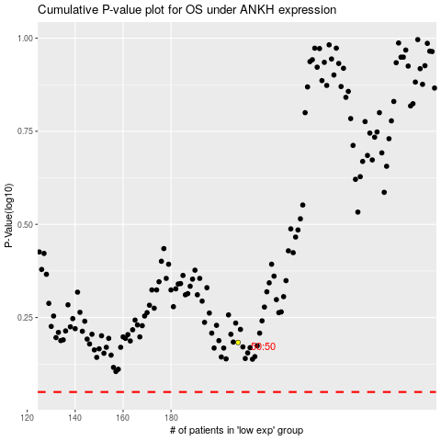

 |  |  |  |  |  | cases_OS | p_OS | rank | exp
 |  |  |  |  |  |  | cases_RFS | p_RFS | rank | exp

