ANKIB1 _multivariate
Reported by Tex Li-Hsing Chi. tex@gate.sinica.edu.tw 2019-08-22

Table 2. The clinicopathological features of HNSCC cohort and ANKIB1 expression. (Chi square test)
Cutoff at -0.065 (49.8%)
 |  | ANKIB1 expression |  | ANKIB1 expression |  | (Optimised)
 | Features | Low | (%) | High | (%) | Case no | P-value | Remark | Matthews
Gender | Female | 152 | 36.6 | 154 | 37.1 | 415 | 0.9766 | 0 | 0
2 | Male | 55 | 13.3 | 54 | 13
Age at diagnosis | <=65y | 137 | 33 | 137 | 33 | 415 | 1 | 0 | 0
4 | >65y | 70 | 16.9 | 71 | 17.1
Clinical T Status | T1+T2 | 83 | 20 | 66 | 15.9 | 415 | 0.0941 | 0 | 0
6 | T3+T4 | 124 | 29.9 | 142 | 34.2
Clinical N Status | N0 | 112 | 27 | 104 | 25.1 | 415 | 0.4599 | 0 | 0
8 | N1-3 | 95 | 22.9 | 104 | 25.1
Clinical M Status | M0 | 205 | 49.4 | 207 | 49.9 | 415 | 0.6232 | 0 | 0
10 | M1 | 2 | 0.5 | 1 | 0.2
Clinical Stage | Stage I+II | 56 | 13.5 | 46 | 11.1 | 415 | 0.2918 | 0 | 0
12 | Stage III+IV | 151 | 36.4 | 162 | 39
Surgical Margin status | Negative | 156 | 37.6 | 162 | 39 | 415 | 0.5636 | 0 | 0
14 | Positive | 51 | 12.3 | 46 | 11.1
Tobacco Exposure | Low | 87 | 21 | 74 | 17.8 | 415 | 0.1911 | 0 | 0
16 | High | 120 | 28.9 | 134 | 32.3

Table 3. Univariate/Multivariate Cox's proportional hazards regression analyses on OS time of ANKIB1 gene expression in HNSCC

 |  | Univariate |  |  |  | Multivariate
 | Features | HR | CI95%(L) | CI95%(H) | P-value | HR | CI95%(L) | CI95%(H) | P-value
1 | Female | 1 |  |  |  | 1
Gender | Male | 1.157 | 0.843 | 1.587 | 0.367 | 1.203 | 0.861 | 1.68 | 0.279
11 | <=65y | 1 |  |  |  | 1
Age at diagnosis | >65y | 1.329 | 0.99 | 1.784 | 0.058 | 1.389 | 1.022 | 1.889 | 0.036
12 | T1+T2 | 1 |  |  |  | 1
Clinical T Status | T3+T4 | 1.409 | 1.028 | 1.931 | 0.033 | 2.196 | 1.161 | 4.155 | 0.016
13 | N0 | 1 |  |  |  | 1
Clinical N Status | N1-3 | 1.185 | 0.89 | 1.577 | 0.246 | 1.239 | 0.868 | 1.768 | 0.238
14 | M0 | 1 |  |  |  | 1
Clinical M Status | M1 | 4.097 | 1.009 | 16.644 | 0.049 | 9.482 | 2.065 | 43.537 | 0.004
15 | Stage I+II | 1 |  |  |  | 1
Clinical Stage | Stage III+IV | 1.245 | 0.882 | 1.759 | 0.213 | 0.506 | 0.236 | 1.087 | 0.081
16 | Negative | 1 |  |  |  | 1
Surgical Margin status | Positive | 1.591 | 1.155 | 2.191 | 0.004 | 1.677 | 1.212 | 2.319 | 0.002
17 | Low | 1 |  |  |  | 1
Tobacco Exposure | High | 1.364 | 1.008 | 1.844 | 0.044 | 1.45 | 1.052 | 1.999 | 0.023
18 | Low | 1 |  |  |  | 1
RNAseq(z-score) | High | 1.024 | 0.769 | 1.364 | 0.87 | 1.032 | 0.772 | 1.38 | 0.829

Table 4. Univariate/Multivariate Cox's proportional hazards regression analyses on RFS time of ANKIB1 gene expression in HNSCC

 |  | Univariate |  |  |  | Multivariate
 | Features | HR | CI95%(L) | CI95%(H) | P-value | HR | CI95%(L) | CI95%(H) | P-value
1 | Female | 1 |  |  |  | 1
Gender | Male | 1.157 | 0.843 | 1.587 | 0.367 | 1.203 | 0.861 | 1.68 | 0.279
11 | <=65y | 1 |  |  |  | 1
Age at diagnosis | >65y | 1.329 | 0.99 | 1.784 | 0.058 | 1.389 | 1.022 | 1.889 | 0.036
12 | T1+T2 | 1 |  |  |  | 1
Clinical T Status | T3+T4 | 1.409 | 1.028 | 1.931 | 0.033 | 2.196 | 1.161 | 4.155 | 0.016
13 | N0 | 1 |  |  |  | 1
Clinical N Status | N1-3 | 1.185 | 0.89 | 1.577 | 0.246 | 1.239 | 0.868 | 1.768 | 0.238
14 | M0 | 1 |  |  |  | 1
Clinical M Status | M1 | 4.097 | 1.009 | 16.644 | 0.049 | 9.482 | 2.065 | 43.537 | 0.004
15 | Stage I+II | 1 |  |  |  | 1
Clinical Stage | Stage III+IV | 1.245 | 0.882 | 1.759 | 0.213 | 0.506 | 0.236 | 1.087 | 0.081
16 | Negative | 1 |  |  |  | 1
Surgical Margin status | Positive | 1.591 | 1.155 | 2.191 | 0.004 | 1.677 | 1.212 | 2.319 | 0.002
17 | Low | 1 |  |  |  | 1
Tobacco Exposure | High | 1.364 | 1.008 | 1.844 | 0.044 | 1.45 | 1.052 | 1.999 | 0.023
18 | Low | 1 |  |  |  | 1
RNAseq(z-score) | High | 1.024 | 0.769 | 1.364 | 0.87 | 1.032 | 0.772 | 1.38 | 0.829

Kaplan-Meier survival estimate: Cutoff at -0.065 (49.8%)



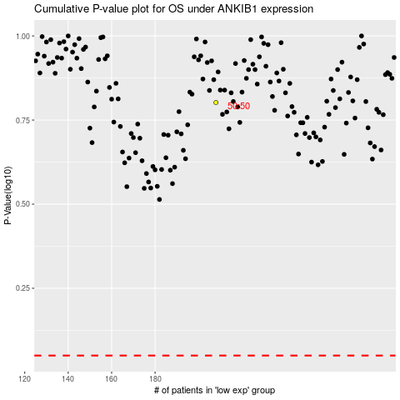

 |  |  |  |  |  | cases_OS | p_OS | rank | exp
 |  |  |  |  |  |  | cases_RFS | p_RFS | rank | exp

