ANKK1 _multivariate
Reported by Tex Li-Hsing Chi. tex@gate.sinica.edu.tw 2019-08-22

Table 2. The clinicopathological features of HNSCC cohort and ANKK1 expression. (Chi square test)
Cutoff at -0.434 (38.9%)
 |  | ANKK1 expression |  | ANKK1 expression |  | (Optimised)
 | Features | Low | (%) | High | (%) | Case no | P-value | Remark | Matthews
Gender | Female | 120 | 28.9 | 186 | 44.8 | 415 | 0.8571 | 0 | 0
2 | Male | 41 | 9.9 | 68 | 16.4
Age at diagnosis | <=65y | 100 | 24.1 | 174 | 41.9 | 415 | 0.2174 | 0 | 0
4 | >65y | 61 | 14.7 | 80 | 19.3
Clinical T Status | T1+T2 | 64 | 15.4 | 85 | 20.5 | 415 | 0.2317 | 0 | 0
6 | T3+T4 | 97 | 23.4 | 169 | 40.7
Clinical N Status | N0 | 78 | 18.8 | 138 | 33.3 | 415 | 0.2854 | 0 | 0
8 | N1-3 | 83 | 20 | 116 | 28
Clinical M Status | M0 | 159 | 38.3 | 253 | 61 | 415 | 0.5626 | 0 | 0
10 | M1 | 2 | 0.5 | 1 | 0.2
Clinical Stage | Stage I+II | 42 | 10.1 | 60 | 14.5 | 415 | 0.6518 | 0 | 0
12 | Stage III+IV | 119 | 28.7 | 194 | 46.7
Surgical Margin status | Negative | 120 | 28.9 | 198 | 47.7 | 415 | 0.4753 | 0 | 0
14 | Positive | 41 | 9.9 | 56 | 13.5
Tobacco Exposure | Low | 69 | 16.6 | 92 | 22.2 | 415 | 0.1808 | 0 | 0
16 | High | 92 | 22.2 | 162 | 39

Table 3. Univariate/Multivariate Cox's proportional hazards regression analyses on OS time of ANKK1 gene expression in HNSCC

 |  | Univariate |  |  |  | Multivariate
 | Features | HR | CI95%(L) | CI95%(H) | P-value | HR | CI95%(L) | CI95%(H) | P-value
1 | Female | 1 |  |  |  | 1
Gender | Male | 1.157 | 0.843 | 1.587 | 0.367 | 1.203 | 0.86 | 1.683 | 0.28
11 | <=65y | 1 |  |  |  | 1
Age at diagnosis | >65y | 1.329 | 0.99 | 1.784 | 0.058 | 1.386 | 1.019 | 1.886 | 0.038
12 | T1+T2 | 1 |  |  |  | 1
Clinical T Status | T3+T4 | 1.409 | 1.028 | 1.931 | 0.033 | 2.205 | 1.166 | 4.17 | 0.015
13 | N0 | 1 |  |  |  | 1
Clinical N Status | N1-3 | 1.185 | 0.89 | 1.577 | 0.246 | 1.228 | 0.86 | 1.752 | 0.258
14 | M0 | 1 |  |  |  | 1
Clinical M Status | M1 | 4.097 | 1.009 | 16.644 | 0.049 | 8.809 | 1.92 | 40.414 | 0.005
15 | Stage I+II | 1 |  |  |  | 1
Clinical Stage | Stage III+IV | 1.245 | 0.882 | 1.759 | 0.213 | 0.528 | 0.245 | 1.136 | 0.102
16 | Negative | 1 |  |  |  | 1
Surgical Margin status | Positive | 1.591 | 1.155 | 2.191 | 0.004 | 1.603 | 1.158 | 2.221 | 0.004
17 | Low | 1 |  |  |  | 1
Tobacco Exposure | High | 1.364 | 1.008 | 1.844 | 0.044 | 1.462 | 1.06 | 2.016 | 0.021
18 | Low | 1 |  |  |  | 1
RNAseq(z-score) | High | 0.738 | 0.552 | 0.987 | 0.04 | 0.752 | 0.559 | 1.01 | 0.058

Table 4. Univariate/Multivariate Cox's proportional hazards regression analyses on RFS time of ANKK1 gene expression in HNSCC

 |  | Univariate |  |  |  | Multivariate
 | Features | HR | CI95%(L) | CI95%(H) | P-value | HR | CI95%(L) | CI95%(H) | P-value
1 | Female | 1 |  |  |  | 1
Gender | Male | 1.157 | 0.843 | 1.587 | 0.367 | 1.203 | 0.86 | 1.683 | 0.28
11 | <=65y | 1 |  |  |  | 1
Age at diagnosis | >65y | 1.329 | 0.99 | 1.784 | 0.058 | 1.386 | 1.019 | 1.886 | 0.038
12 | T1+T2 | 1 |  |  |  | 1
Clinical T Status | T3+T4 | 1.409 | 1.028 | 1.931 | 0.033 | 2.205 | 1.166 | 4.17 | 0.015
13 | N0 | 1 |  |  |  | 1
Clinical N Status | N1-3 | 1.185 | 0.89 | 1.577 | 0.246 | 1.228 | 0.86 | 1.752 | 0.258
14 | M0 | 1 |  |  |  | 1
Clinical M Status | M1 | 4.097 | 1.009 | 16.644 | 0.049 | 8.809 | 1.92 | 40.414 | 0.005
15 | Stage I+II | 1 |  |  |  | 1
Clinical Stage | Stage III+IV | 1.245 | 0.882 | 1.759 | 0.213 | 0.528 | 0.245 | 1.136 | 0.102
16 | Negative | 1 |  |  |  | 1
Surgical Margin status | Positive | 1.591 | 1.155 | 2.191 | 0.004 | 1.603 | 1.158 | 2.221 | 0.004
17 | Low | 1 |  |  |  | 1
Tobacco Exposure | High | 1.364 | 1.008 | 1.844 | 0.044 | 1.462 | 1.06 | 2.016 | 0.021
18 | Low | 1 |  |  |  | 1
RNAseq(z-score) | High | 0.738 | 0.552 | 0.987 | 0.04 | 0.752 | 0.559 | 1.01 | 0.058

Kaplan-Meier survival estimate: Cutoff at -0.434 (38.9%)



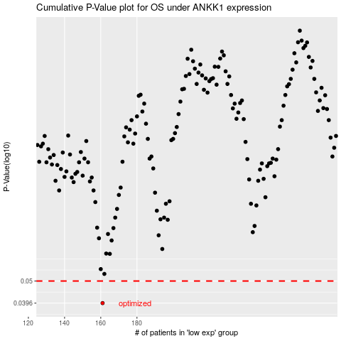

 |  |  |  |  |  | cases_OS | p_OS | rank | exp
 |  |  |  |  |  | 161 | 0.0396 | 195 | -0.43424553868
 |  |  |  |  |  |  | cases_RFS | p_RFS | rank | exp
 |  |  |  |  |  |  | 160 | 0.0396 | 349 | -0.43511473518

