ANKLE2 _multivariate
Reported by Tex Li-Hsing Chi. tex@gate.sinica.edu.tw 2019-08-22

Table 2. The clinicopathological features of HNSCC cohort and ANKLE2 expression. (Chi square test)
Cutoff at 0.013 (50.0%)
 |  | ANKLE2 expression |  | ANKLE2 expression |  | (Optimised)
 | Features | Low | (%) | High | (%) | Case no | P-value | Remark | Matthews
Gender | Female | 155 | 37.3 | 151 | 36.4 | 415 | 0.6768 | 0 | 0
2 | Male | 52 | 12.5 | 57 | 13.7
Age at diagnosis | <=65y | 134 | 32.3 | 140 | 33.7 | 415 | 0.6529 | 0 | 0
4 | >65y | 73 | 17.6 | 68 | 16.4
Clinical T Status | T1+T2 | 68 | 16.4 | 81 | 19.5 | 415 | 0.2336 | 0 | 0
6 | T3+T4 | 139 | 33.5 | 127 | 30.6
Clinical N Status | N0 | 103 | 24.8 | 113 | 27.2 | 415 | 0.4047 | 0 | 0
8 | N1-3 | 104 | 25.1 | 95 | 22.9
Clinical M Status | M0 | 206 | 49.6 | 206 | 49.6 | 415 | 1 | 0 | 0
10 | M1 | 1 | 0.2 | 2 | 0.5
Clinical Stage | Stage I+II | 42 | 10.1 | 60 | 14.5 | 415 | 0.0561 | 0 | 0
12 | Stage III+IV | 165 | 39.8 | 148 | 35.7
Surgical Margin status | Negative | 161 | 38.8 | 157 | 37.8 | 415 | 0.6429 | 0 | 0
14 | Positive | 46 | 11.1 | 51 | 12.3
Tobacco Exposure | Low | 81 | 19.5 | 80 | 19.3 | 415 | 0.9199 | 0 | 0
16 | High | 126 | 30.4 | 128 | 30.8

Table 3. Univariate/Multivariate Cox's proportional hazards regression analyses on OS time of ANKLE2 gene expression in HNSCC

 |  | Univariate |  |  |  | Multivariate
 | Features | HR | CI95%(L) | CI95%(H) | P-value | HR | CI95%(L) | CI95%(H) | P-value
1 | Female | 1 |  |  |  | 1
Gender | Male | 1.157 | 0.843 | 1.587 | 0.367 | 1.202 | 0.86 | 1.679 | 0.281
11 | <=65y | 1 |  |  |  | 1
Age at diagnosis | >65y | 1.329 | 0.99 | 1.784 | 0.058 | 1.392 | 1.024 | 1.892 | 0.035
12 | T1+T2 | 1 |  |  |  | 1
Clinical T Status | T3+T4 | 1.409 | 1.028 | 1.931 | 0.033 | 2.202 | 1.165 | 4.164 | 0.015
13 | N0 | 1 |  |  |  | 1
Clinical N Status | N1-3 | 1.185 | 0.89 | 1.577 | 0.246 | 1.241 | 0.87 | 1.771 | 0.234
14 | M0 | 1 |  |  |  | 1
Clinical M Status | M1 | 4.097 | 1.009 | 16.644 | 0.049 | 9.406 | 2.051 | 43.133 | 0.004
15 | Stage I+II | 1 |  |  |  | 1
Clinical Stage | Stage III+IV | 1.245 | 0.882 | 1.759 | 0.213 | 0.505 | 0.235 | 1.084 | 0.08
16 | Negative | 1 |  |  |  | 1
Surgical Margin status | Positive | 1.591 | 1.155 | 2.191 | 0.004 | 1.672 | 1.21 | 2.31 | 0.002
17 | Low | 1 |  |  |  | 1
Tobacco Exposure | High | 1.364 | 1.008 | 1.844 | 0.044 | 1.453 | 1.054 | 2.003 | 0.022
18 | Low | 1 |  |  |  | 1
RNAseq(z-score) | High | 1.03 | 0.773 | 1.372 | 0.843 | 1 | 0.75 | 1.335 | 0.998

Table 4. Univariate/Multivariate Cox's proportional hazards regression analyses on RFS time of ANKLE2 gene expression in HNSCC

 |  | Univariate |  |  |  | Multivariate
 | Features | HR | CI95%(L) | CI95%(H) | P-value | HR | CI95%(L) | CI95%(H) | P-value
1 | Female | 1 |  |  |  | 1
Gender | Male | 1.157 | 0.843 | 1.587 | 0.367 | 1.202 | 0.86 | 1.679 | 0.281
11 | <=65y | 1 |  |  |  | 1
Age at diagnosis | >65y | 1.329 | 0.99 | 1.784 | 0.058 | 1.392 | 1.024 | 1.892 | 0.035
12 | T1+T2 | 1 |  |  |  | 1
Clinical T Status | T3+T4 | 1.409 | 1.028 | 1.931 | 0.033 | 2.202 | 1.165 | 4.164 | 0.015
13 | N0 | 1 |  |  |  | 1
Clinical N Status | N1-3 | 1.185 | 0.89 | 1.577 | 0.246 | 1.241 | 0.87 | 1.771 | 0.234
14 | M0 | 1 |  |  |  | 1
Clinical M Status | M1 | 4.097 | 1.009 | 16.644 | 0.049 | 9.406 | 2.051 | 43.133 | 0.004
15 | Stage I+II | 1 |  |  |  | 1
Clinical Stage | Stage III+IV | 1.245 | 0.882 | 1.759 | 0.213 | 0.505 | 0.235 | 1.084 | 0.08
16 | Negative | 1 |  |  |  | 1
Surgical Margin status | Positive | 1.591 | 1.155 | 2.191 | 0.004 | 1.672 | 1.21 | 2.31 | 0.002
17 | Low | 1 |  |  |  | 1
Tobacco Exposure | High | 1.364 | 1.008 | 1.844 | 0.044 | 1.453 | 1.054 | 2.003 | 0.022
18 | Low | 1 |  |  |  | 1
RNAseq(z-score) | High | 1.03 | 0.773 | 1.372 | 0.843 | 1 | 0.75 | 1.335 | 0.998

Kaplan-Meier survival estimate: Cutoff at 0.013 (50.0%)



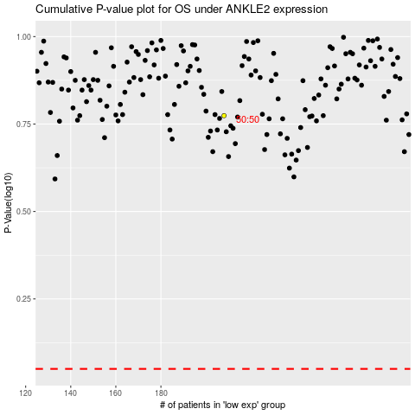

 |  |  |  |  |  | cases_OS | p_OS | rank | exp
 |  |  |  |  |  |  | cases_RFS | p_RFS | rank | exp

