ANKRA2 _multivariate
Reported by Tex Li-Hsing Chi. tex@gate.sinica.edu.tw 2019-08-22

Table 2. The clinicopathological features of HNSCC cohort and ANKRA2 expression. (Chi square test)
Cutoff at -0.572 (31.4%)
 |  | ANKRA2 expression |  | ANKRA2 expression |  | (Optimised)
 | Features | Low | (%) | High | (%) | Case no | P-value | Remark | Matthews
Gender | Female | 99 | 23.9 | 207 | 49.9 | 415 | 0.5248 | 0 | 0
2 | Male | 31 | 7.5 | 78 | 18.8
Age at diagnosis | <=65y | 92 | 22.2 | 182 | 43.9 | 415 | 0.2053 | 0 | 0
4 | >65y | 38 | 9.2 | 103 | 24.8
Clinical T Status | T1+T2 | 43 | 10.4 | 106 | 25.5 | 415 | 0.4837 | 0 | 0
6 | T3+T4 | 87 | 21 | 179 | 43.1
Clinical N Status | N0 | 59 | 14.2 | 157 | 37.8 | 415 | 0.0838 | 0 | 0
8 | N1-3 | 71 | 17.1 | 128 | 30.8
Clinical M Status | M0 | 130 | 31.3 | 282 | 68 | 415 | 0.5551 | 0 | 0
10 | M1 | 0 | 0 | 3 | 0.7
Clinical Stage | Stage I+II | 31 | 7.5 | 71 | 17.1 | 415 | 0.9116 | 0 | 0
12 | Stage III+IV | 99 | 23.9 | 214 | 51.6
Surgical Margin status | Negative | 103 | 24.8 | 215 | 51.8 | 415 | 0.4537 | 0 | 0
14 | Positive | 27 | 6.5 | 70 | 16.9
Tobacco Exposure | Low | 50 | 12 | 111 | 26.7 | 415 | 1 | 0 | 0
16 | High | 80 | 19.3 | 174 | 41.9

Table 3. Univariate/Multivariate Cox's proportional hazards regression analyses on OS time of ANKRA2 gene expression in HNSCC

 |  | Univariate |  |  |  | Multivariate
 | Features | HR | CI95%(L) | CI95%(H) | P-value | HR | CI95%(L) | CI95%(H) | P-value
1 | Female | 1 |  |  |  | 1
Gender | Male | 1.157 | 0.843 | 1.587 | 0.367 | 1.22 | 0.871 | 1.711 | 0.248
11 | <=65y | 1 |  |  |  | 1
Age at diagnosis | >65y | 1.329 | 0.99 | 1.784 | 0.058 | 1.413 | 1.04 | 1.92 | 0.027
12 | T1+T2 | 1 |  |  |  | 1
Clinical T Status | T3+T4 | 1.409 | 1.028 | 1.931 | 0.033 | 2.031 | 1.072 | 3.846 | 0.03
13 | N0 | 1 |  |  |  | 1
Clinical N Status | N1-3 | 1.185 | 0.89 | 1.577 | 0.246 | 1.157 | 0.807 | 1.658 | 0.427
14 | M0 | 1 |  |  |  | 1
Clinical M Status | M1 | 4.097 | 1.009 | 16.644 | 0.049 | 10.541 | 2.293 | 48.447 | 0.002
15 | Stage I+II | 1 |  |  |  | 1
Clinical Stage | Stage III+IV | 1.245 | 0.882 | 1.759 | 0.213 | 0.556 | 0.258 | 1.198 | 0.134
16 | Negative | 1 |  |  |  | 1
Surgical Margin status | Positive | 1.591 | 1.155 | 2.191 | 0.004 | 1.711 | 1.239 | 2.364 | 0.001
17 | Low | 1 |  |  |  | 1
Tobacco Exposure | High | 1.364 | 1.008 | 1.844 | 0.044 | 1.51 | 1.092 | 2.089 | 0.013
18 | Low | 1 |  |  |  | 1
RNAseq(z-score) | High | 0.691 | 0.514 | 0.929 | 0.014 | 0.668 | 0.493 | 0.905 | 0.009

Table 4. Univariate/Multivariate Cox's proportional hazards regression analyses on RFS time of ANKRA2 gene expression in HNSCC

 |  | Univariate |  |  |  | Multivariate
 | Features | HR | CI95%(L) | CI95%(H) | P-value | HR | CI95%(L) | CI95%(H) | P-value
1 | Female | 1 |  |  |  | 1
Gender | Male | 1.157 | 0.843 | 1.587 | 0.367 | 1.22 | 0.871 | 1.711 | 0.248
11 | <=65y | 1 |  |  |  | 1
Age at diagnosis | >65y | 1.329 | 0.99 | 1.784 | 0.058 | 1.413 | 1.04 | 1.92 | 0.027
12 | T1+T2 | 1 |  |  |  | 1
Clinical T Status | T3+T4 | 1.409 | 1.028 | 1.931 | 0.033 | 2.031 | 1.072 | 3.846 | 0.03
13 | N0 | 1 |  |  |  | 1
Clinical N Status | N1-3 | 1.185 | 0.89 | 1.577 | 0.246 | 1.157 | 0.807 | 1.658 | 0.427
14 | M0 | 1 |  |  |  | 1
Clinical M Status | M1 | 4.097 | 1.009 | 16.644 | 0.049 | 10.541 | 2.293 | 48.447 | 0.002
15 | Stage I+II | 1 |  |  |  | 1
Clinical Stage | Stage III+IV | 1.245 | 0.882 | 1.759 | 0.213 | 0.556 | 0.258 | 1.198 | 0.134
16 | Negative | 1 |  |  |  | 1
Surgical Margin status | Positive | 1.591 | 1.155 | 2.191 | 0.004 | 1.711 | 1.239 | 2.364 | 0.001
17 | Low | 1 |  |  |  | 1
Tobacco Exposure | High | 1.364 | 1.008 | 1.844 | 0.044 | 1.51 | 1.092 | 2.089 | 0.013
18 | Low | 1 |  |  |  | 1
RNAseq(z-score) | High | 0.691 | 0.514 | 0.929 | 0.014 | 0.668 | 0.493 | 0.905 | 0.009

Kaplan-Meier survival estimate: Cutoff at -0.572 (31.4%)

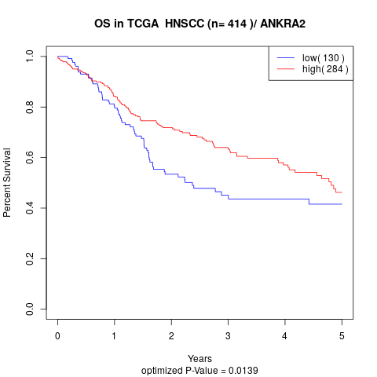

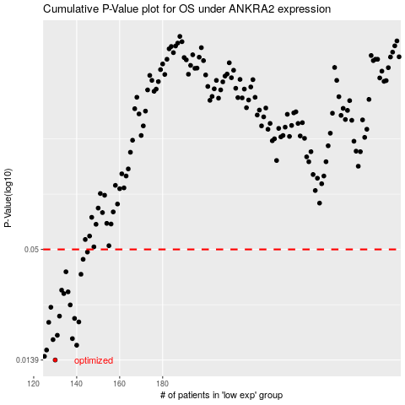

 |  |  |  |  |  | cases_OS | p_OS | rank | exp
 |  |  |  |  |  | 130 | 0.0139 | 129 | -0.57150703893
 |  |  |  |  |  | 125 | 0.0145 | 298 | -0.5836003068
 |  |  |  |  |  | 126 | 0.0156 | 44 | -0.57376673763
 |  |  |  |  |  | 140 | 0.0165 | 126 | -0.52361600514
 |  |  |  |  |  | 129 | 0.0176 | 248 | -0.57253460223
 |  |  |  |  |  | 138 | 0.0178 | 168 | -0.52643886497
 |  |  |  |  |  | 131 | 0.0185 | 407 | -0.57022787546
 |  |  |  |  |  | 127 | 0.0215 | 53 | -0.57330468686
 |  |  |  |  |  | 141 | 0.0216 | 182 | -0.52274481017
 |  |  |  |  |  | 139 | 0.0225 | 137 | -0.52501038738
 |  |  |  |  |  | 132 | 0.0231 | 106 | -0.56541337692
 |  |  |  |  |  | 128 | 0.0256 | 61 | -0.57300841002
 |  |  |  |  |  | 137 | 0.0263 | 43 | -0.52727008608
 |  |  |  |  |  | 134 | 0.03 | 132 | -0.55199156611
 |  |  |  |  |  | 136 | 0.0306 | 322 | -0.53776910243
 |  |  |  |  |  | 133 | 0.0312 | 218 | -0.55274283951
 |  |  |  |  |  | 142 | 0.0375 | 235 | -0.52219575747
 |  |  |  |  |  | 135 | 0.0386 | 200 | -0.55162709858
 |  |  |  |  |  | 143 | 0.0446 | 152 | -0.519205948
 |  |  |  |  |  | 145 | 0.0485 | 170 | -0.51913070309
 |  |  |  |  |  |  | cases_RFS | p_RFS | rank | exp
 |  |  |  |  |  |  | 129 | 0.0139 | 248 | -0.57253460223
 |  |  |  |  |  |  |  | 0.0145 | 37 | -0.58457731493
 |  |  |  |  |  |  | 125 | 0.0156 | 298 | -0.5836003068
 |  |  |  |  |  |  | 139 | 0.0165 | 137 | -0.52501038738
 |  |  |  |  |  |  | 128 | 0.0176 | 61 | -0.57300841002
 |  |  |  |  |  |  | 137 | 0.0178 | 43 | -0.52727008608
 |  |  |  |  |  |  | 130 | 0.0185 | 129 | -0.57150703893
 |  |  |  |  |  |  | 126 | 0.0215 | 44 | -0.57376673763
 |  |  |  |  |  |  | 140 | 0.0216 | 126 | -0.52361600514
 |  |  |  |  |  |  | 138 | 0.0225 | 168 | -0.52643886497
 |  |  |  |  |  |  | 131 | 0.0231 | 407 | -0.57022787546
 |  |  |  |  |  |  | 127 | 0.0256 | 53 | -0.57330468686
 |  |  |  |  |  |  | 136 | 0.0263 | 322 | -0.53776910243
 |  |  |  |  |  |  | 133 | 0.03 | 218 | -0.55274283951
 |  |  |  |  |  |  | 135 | 0.0306 | 200 | -0.55162709858
 |  |  |  |  |  |  | 132 | 0.0312 | 106 | -0.56541337692
 |  |  |  |  |  |  | 141 | 0.0375 | 182 | -0.52274481017
 |  |  |  |  |  |  | 134 | 0.0386 | 132 | -0.55199156611
 |  |  |  |  |  |  | 142 | 0.0446 | 235 | -0.52219575747
 |  |  |  |  |  |  | 144 | 0.0485 | 153 | -0.51914246011

