ANKRD10 _multivariate
Reported by Tex Li-Hsing Chi. tex@gate.sinica.edu.tw 2019-08-22

Table 2. The clinicopathological features of HNSCC cohort and ANKRD10 expression. (Chi square test)
Cutoff at -0.278 (50.0%)
 |  | ANKRD10 expression |  | ANKRD10 expression |  | (Optimised)
 | Features | Low | (%) | High | (%) | Case no | P-value | Remark | Matthews
Gender | Female | 145 | 34.9 | 161 | 38.8 | 415 | 0.1116 | 0 | 0
2 | Male | 62 | 14.9 | 47 | 11.3
Age at diagnosis | <=65y | 131 | 31.6 | 143 | 34.5 | 415 | 0.2839 | 0 | 0
4 | >65y | 76 | 18.3 | 65 | 15.7
Clinical T Status | T1+T2 | 73 | 17.6 | 76 | 18.3 | 415 | 0.8666 | 0 | 0
6 | T3+T4 | 134 | 32.3 | 132 | 31.8
Clinical N Status | N0 | 114 | 27.5 | 102 | 24.6 | 415 | 0.2576 | 1 | 0
8 | N1-3 | 93 | 22.4 | 106 | 25.5
Clinical M Status | M0 | 205 | 49.4 | 207 | 49.9 | 415 | 0.6232 | 0 | 0
10 | M1 | 2 | 0.5 | 1 | 0.2
Clinical Stage | Stage I+II | 55 | 13.3 | 47 | 11.3 | 415 | 0.4087 | 0 | 0
12 | Stage III+IV | 152 | 36.6 | 161 | 38.8
Surgical Margin status | Negative | 168 | 40.5 | 150 | 36.1 | 415 | 0.0366 | 1 | 0
14 | Positive | 39 | 9.4 | 58 | 14
Tobacco Exposure | Low | 83 | 20 | 78 | 18.8 | 415 | 0.6152 | 0 | 0
16 | High | 124 | 29.9 | 130 | 31.3

Table 3. Univariate/Multivariate Cox's proportional hazards regression analyses on OS time of ANKRD10 gene expression in HNSCC

 |  | Univariate |  |  |  | Multivariate
 | Features | HR | CI95%(L) | CI95%(H) | P-value | HR | CI95%(L) | CI95%(H) | P-value
1 | Female | 1 |  |  |  | 1
Gender | Male | 1.157 | 0.843 | 1.587 | 0.367 | 1.19 | 0.848 | 1.669 | 0.313
11 | <=65y | 1 |  |  |  | 1
Age at diagnosis | >65y | 1.329 | 0.99 | 1.784 | 0.058 | 1.389 | 1.022 | 1.889 | 0.036
12 | T1+T2 | 1 |  |  |  | 1
Clinical T Status | T3+T4 | 1.409 | 1.028 | 1.931 | 0.033 | 2.192 | 1.159 | 4.147 | 0.016
13 | N0 | 1 |  |  |  | 1
Clinical N Status | N1-3 | 1.185 | 0.89 | 1.577 | 0.246 | 1.242 | 0.871 | 1.773 | 0.232
14 | M0 | 1 |  |  |  | 1
Clinical M Status | M1 | 4.097 | 1.009 | 16.644 | 0.049 | 9.198 | 1.997 | 42.364 | 0.004
15 | Stage I+II | 1 |  |  |  | 1
Clinical Stage | Stage III+IV | 1.245 | 0.882 | 1.759 | 0.213 | 0.507 | 0.236 | 1.088 | 0.081
16 | Negative | 1 |  |  |  | 1
Surgical Margin status | Positive | 1.591 | 1.155 | 2.191 | 0.004 | 1.69 | 1.216 | 2.347 | 0.002
17 | Low | 1 |  |  |  | 1
Tobacco Exposure | High | 1.364 | 1.008 | 1.844 | 0.044 | 1.456 | 1.056 | 2.007 | 0.022
18 | Low | 1 |  |  |  | 1
RNAseq(z-score) | High | 0.964 | 0.724 | 1.284 | 0.801 | 0.946 | 0.703 | 1.274 | 0.716

Table 4. Univariate/Multivariate Cox's proportional hazards regression analyses on RFS time of ANKRD10 gene expression in HNSCC

 |  | Univariate |  |  |  | Multivariate
 | Features | HR | CI95%(L) | CI95%(H) | P-value | HR | CI95%(L) | CI95%(H) | P-value
1 | Female | 1 |  |  |  | 1
Gender | Male | 1.157 | 0.843 | 1.587 | 0.367 | 1.19 | 0.848 | 1.669 | 0.313
11 | <=65y | 1 |  |  |  | 1
Age at diagnosis | >65y | 1.329 | 0.99 | 1.784 | 0.058 | 1.389 | 1.022 | 1.889 | 0.036
12 | T1+T2 | 1 |  |  |  | 1
Clinical T Status | T3+T4 | 1.409 | 1.028 | 1.931 | 0.033 | 2.192 | 1.159 | 4.147 | 0.016
13 | N0 | 1 |  |  |  | 1
Clinical N Status | N1-3 | 1.185 | 0.89 | 1.577 | 0.246 | 1.242 | 0.871 | 1.773 | 0.232
14 | M0 | 1 |  |  |  | 1
Clinical M Status | M1 | 4.097 | 1.009 | 16.644 | 0.049 | 9.198 | 1.997 | 42.364 | 0.004
15 | Stage I+II | 1 |  |  |  | 1
Clinical Stage | Stage III+IV | 1.245 | 0.882 | 1.759 | 0.213 | 0.507 | 0.236 | 1.088 | 0.081
16 | Negative | 1 |  |  |  | 1
Surgical Margin status | Positive | 1.591 | 1.155 | 2.191 | 0.004 | 1.69 | 1.216 | 2.347 | 0.002
17 | Low | 1 |  |  |  | 1
Tobacco Exposure | High | 1.364 | 1.008 | 1.844 | 0.044 | 1.456 | 1.056 | 2.007 | 0.022
18 | Low | 1 |  |  |  | 1
RNAseq(z-score) | High | 0.964 | 0.724 | 1.284 | 0.801 | 0.946 | 0.703 | 1.274 | 0.716

Kaplan-Meier survival estimate: Cutoff at -0.278 (50.0%)

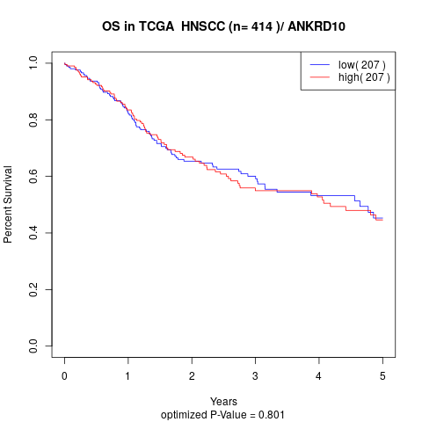

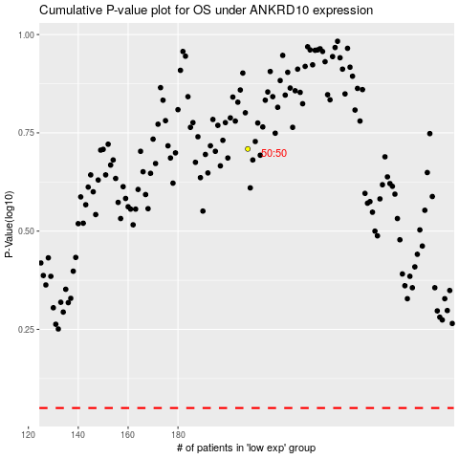

 |  |  |  |  |  | cases_OS | p_OS | rank | exp
 |  |  |  |  |  |  | cases_RFS | p_RFS | rank | exp

