ANKRD13D _multivariate
Reported by Tex Li-Hsing Chi. tex@gate.sinica.edu.tw 2019-08-22

Table 2. The clinicopathological features of HNSCC cohort and ANKRD13D expression. (Chi square test)
Cutoff at -0.184 (49.8%)
 |  | ANKRD13D expression |  | ANKRD13D expression |  | (Optimised)
 | Features | Low | (%) | High | (%) | Case no | P-value | Remark | Matthews
Gender | Female | 152 | 36.6 | 154 | 37.1 | 415 | 0.9766 | 0 | 0
2 | Male | 55 | 13.3 | 54 | 13
Age at diagnosis | <=65y | 135 | 32.5 | 139 | 33.5 | 415 | 0.8084 | 0 | 0
4 | >65y | 72 | 17.3 | 69 | 16.6
Clinical T Status | T1+T2 | 82 | 19.8 | 67 | 16.1 | 415 | 0.1417 | 0 | 0
6 | T3+T4 | 125 | 30.1 | 141 | 34
Clinical N Status | N0 | 100 | 24.1 | 116 | 28 | 415 | 0.1548 | 0 | 0
8 | N1-3 | 107 | 25.8 | 92 | 22.2
Clinical M Status | M0 | 206 | 49.6 | 206 | 49.6 | 415 | 1 | 0 | 0
10 | M1 | 1 | 0.2 | 2 | 0.5
Clinical Stage | Stage I+II | 52 | 12.5 | 50 | 12 | 415 | 0.8871 | 0 | 0
12 | Stage III+IV | 155 | 37.3 | 158 | 38.1
Surgical Margin status | Negative | 159 | 38.3 | 159 | 38.3 | 415 | 1 | 0 | 0
14 | Positive | 48 | 11.6 | 49 | 11.8
Tobacco Exposure | Low | 83 | 20 | 78 | 18.8 | 415 | 0.6152 | 0 | 0
16 | High | 124 | 29.9 | 130 | 31.3

Table 3. Univariate/Multivariate Cox's proportional hazards regression analyses on OS time of ANKRD13D gene expression in HNSCC

 |  | Univariate |  |  |  | Multivariate
 | Features | HR | CI95%(L) | CI95%(H) | P-value | HR | CI95%(L) | CI95%(H) | P-value
1 | Female | 1 |  |  |  | 1
Gender | Male | 1.157 | 0.843 | 1.587 | 0.367 | 1.208 | 0.864 | 1.689 | 0.27
11 | <=65y | 1 |  |  |  | 1
Age at diagnosis | >65y | 1.329 | 0.99 | 1.784 | 0.058 | 1.387 | 1.02 | 1.887 | 0.037
12 | T1+T2 | 1 |  |  |  | 1
Clinical T Status | T3+T4 | 1.409 | 1.028 | 1.931 | 0.033 | 2.217 | 1.171 | 4.197 | 0.014
13 | N0 | 1 |  |  |  | 1
Clinical N Status | N1-3 | 1.185 | 0.89 | 1.577 | 0.246 | 1.236 | 0.866 | 1.765 | 0.243
14 | M0 | 1 |  |  |  | 1
Clinical M Status | M1 | 4.097 | 1.009 | 16.644 | 0.049 | 9.61 | 2.084 | 44.312 | 0.004
15 | Stage I+II | 1 |  |  |  | 1
Clinical Stage | Stage III+IV | 1.245 | 0.882 | 1.759 | 0.213 | 0.503 | 0.234 | 1.079 | 0.078
16 | Negative | 1 |  |  |  | 1
Surgical Margin status | Positive | 1.591 | 1.155 | 2.191 | 0.004 | 1.676 | 1.212 | 2.316 | 0.002
17 | Low | 1 |  |  |  | 1
Tobacco Exposure | High | 1.364 | 1.008 | 1.844 | 0.044 | 1.458 | 1.058 | 2.01 | 0.021
18 | Low | 1 |  |  |  | 1
RNAseq(z-score) | High | 1.026 | 0.77 | 1.367 | 0.858 | 0.955 | 0.713 | 1.278 | 0.756

Table 4. Univariate/Multivariate Cox's proportional hazards regression analyses on RFS time of ANKRD13D gene expression in HNSCC

 |  | Univariate |  |  |  | Multivariate
 | Features | HR | CI95%(L) | CI95%(H) | P-value | HR | CI95%(L) | CI95%(H) | P-value
1 | Female | 1 |  |  |  | 1
Gender | Male | 1.157 | 0.843 | 1.587 | 0.367 | 1.208 | 0.864 | 1.689 | 0.27
11 | <=65y | 1 |  |  |  | 1
Age at diagnosis | >65y | 1.329 | 0.99 | 1.784 | 0.058 | 1.387 | 1.02 | 1.887 | 0.037
12 | T1+T2 | 1 |  |  |  | 1
Clinical T Status | T3+T4 | 1.409 | 1.028 | 1.931 | 0.033 | 2.217 | 1.171 | 4.197 | 0.014
13 | N0 | 1 |  |  |  | 1
Clinical N Status | N1-3 | 1.185 | 0.89 | 1.577 | 0.246 | 1.236 | 0.866 | 1.765 | 0.243
14 | M0 | 1 |  |  |  | 1
Clinical M Status | M1 | 4.097 | 1.009 | 16.644 | 0.049 | 9.61 | 2.084 | 44.312 | 0.004
15 | Stage I+II | 1 |  |  |  | 1
Clinical Stage | Stage III+IV | 1.245 | 0.882 | 1.759 | 0.213 | 0.503 | 0.234 | 1.079 | 0.078
16 | Negative | 1 |  |  |  | 1
Surgical Margin status | Positive | 1.591 | 1.155 | 2.191 | 0.004 | 1.676 | 1.212 | 2.316 | 0.002
17 | Low | 1 |  |  |  | 1
Tobacco Exposure | High | 1.364 | 1.008 | 1.844 | 0.044 | 1.458 | 1.058 | 2.01 | 0.021
18 | Low | 1 |  |  |  | 1
RNAseq(z-score) | High | 1.026 | 0.77 | 1.367 | 0.858 | 0.955 | 0.713 | 1.278 | 0.756

Kaplan-Meier survival estimate: Cutoff at -0.184 (49.8%)



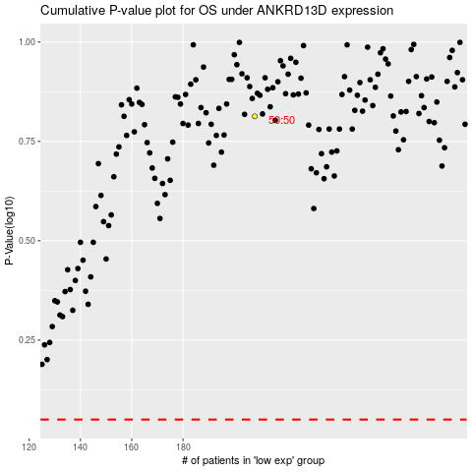

 |  |  |  |  |  | cases_OS | p_OS | rank | exp
 |  |  |  |  |  |  | cases_RFS | p_RFS | rank | exp

