ANKRD19 _multivariate
Reported by Tex Li-Hsing Chi. tex@gate.sinica.edu.tw 2019-08-22

Table 2. The clinicopathological features of HNSCC cohort and ANKRD19 expression. (Chi square test)
Cutoff at -0.242 (50.0%)
 |  | ANKRD19 expression |  | ANKRD19 expression |  | (Optimised)
 | Features | Low | (%) | High | (%) | Case no | P-value | Remark | Matthews
Gender | Female | 149 | 35.9 | 157 | 37.8 | 415 | 0.4848 | 0 | 0
2 | Male | 58 | 14 | 51 | 12.3
Age at diagnosis | <=65y | 132 | 31.8 | 142 | 34.2 | 415 | 0.3874 | 0 | 0
4 | >65y | 75 | 18.1 | 66 | 15.9
Clinical T Status | T1+T2 | 73 | 17.6 | 76 | 18.3 | 415 | 0.8666 | 0 | 0
6 | T3+T4 | 134 | 32.3 | 132 | 31.8
Clinical N Status | N0 | 105 | 25.3 | 111 | 26.7 | 415 | 0.6598 | 0 | 0
8 | N1-3 | 102 | 24.6 | 97 | 23.4
Clinical M Status | M0 | 206 | 49.6 | 206 | 49.6 | 415 | 1 | 0 | 0
10 | M1 | 1 | 0.2 | 2 | 0.5
Clinical Stage | Stage I+II | 49 | 11.8 | 53 | 12.8 | 415 | 0.7535 | 0 | 0
12 | Stage III+IV | 158 | 38.1 | 155 | 37.3
Surgical Margin status | Negative | 166 | 40 | 152 | 36.6 | 415 | 0.1042 | 0 | 0
14 | Positive | 41 | 9.9 | 56 | 13.5
Tobacco Exposure | Low | 83 | 20 | 78 | 18.8 | 415 | 0.6152 | 0 | 0
16 | High | 124 | 29.9 | 130 | 31.3

Table 3. Univariate/Multivariate Cox's proportional hazards regression analyses on OS time of ANKRD19 gene expression in HNSCC

 |  | Univariate |  |  |  | Multivariate
 | Features | HR | CI95%(L) | CI95%(H) | P-value | HR | CI95%(L) | CI95%(H) | P-value
1 | Female | 1 |  |  |  | 1
Gender | Male | 1.157 | 0.843 | 1.587 | 0.367 | 1.212 | 0.87 | 1.689 | 0.256
11 | <=65y | 1 |  |  |  | 1
Age at diagnosis | >65y | 1.329 | 0.99 | 1.784 | 0.058 | 1.368 | 1.005 | 1.862 | 0.046
12 | T1+T2 | 1 |  |  |  | 1
Clinical T Status | T3+T4 | 1.409 | 1.028 | 1.931 | 0.033 | 2.271 | 1.199 | 4.3 | 0.012
13 | N0 | 1 |  |  |  | 1
Clinical N Status | N1-3 | 1.185 | 0.89 | 1.577 | 0.246 | 1.242 | 0.871 | 1.772 | 0.231
14 | M0 | 1 |  |  |  | 1
Clinical M Status | M1 | 4.097 | 1.009 | 16.644 | 0.049 | 10.073 | 2.193 | 46.26 | 0.003
15 | Stage I+II | 1 |  |  |  | 1
Clinical Stage | Stage III+IV | 1.245 | 0.882 | 1.759 | 0.213 | 0.488 | 0.227 | 1.05 | 0.067
16 | Negative | 1 |  |  |  | 1
Surgical Margin status | Positive | 1.591 | 1.155 | 2.191 | 0.004 | 1.773 | 1.276 | 2.465 | 0.001
17 | Low | 1 |  |  |  | 1
Tobacco Exposure | High | 1.364 | 1.008 | 1.844 | 0.044 | 1.479 | 1.074 | 2.036 | 0.017
18 | Low | 1 |  |  |  | 1
RNAseq(z-score) | High | 0.806 | 0.604 | 1.075 | 0.142 | 0.733 | 0.546 | 0.984 | 0.039

Table 4. Univariate/Multivariate Cox's proportional hazards regression analyses on RFS time of ANKRD19 gene expression in HNSCC

 |  | Univariate |  |  |  | Multivariate
 | Features | HR | CI95%(L) | CI95%(H) | P-value | HR | CI95%(L) | CI95%(H) | P-value
1 | Female | 1 |  |  |  | 1
Gender | Male | 1.157 | 0.843 | 1.587 | 0.367 | 1.212 | 0.87 | 1.689 | 0.256
11 | <=65y | 1 |  |  |  | 1
Age at diagnosis | >65y | 1.329 | 0.99 | 1.784 | 0.058 | 1.368 | 1.005 | 1.862 | 0.046
12 | T1+T2 | 1 |  |  |  | 1
Clinical T Status | T3+T4 | 1.409 | 1.028 | 1.931 | 0.033 | 2.271 | 1.199 | 4.3 | 0.012
13 | N0 | 1 |  |  |  | 1
Clinical N Status | N1-3 | 1.185 | 0.89 | 1.577 | 0.246 | 1.242 | 0.871 | 1.772 | 0.231
14 | M0 | 1 |  |  |  | 1
Clinical M Status | M1 | 4.097 | 1.009 | 16.644 | 0.049 | 10.073 | 2.193 | 46.26 | 0.003
15 | Stage I+II | 1 |  |  |  | 1
Clinical Stage | Stage III+IV | 1.245 | 0.882 | 1.759 | 0.213 | 0.488 | 0.227 | 1.05 | 0.067
16 | Negative | 1 |  |  |  | 1
Surgical Margin status | Positive | 1.591 | 1.155 | 2.191 | 0.004 | 1.773 | 1.276 | 2.465 | 0.001
17 | Low | 1 |  |  |  | 1
Tobacco Exposure | High | 1.364 | 1.008 | 1.844 | 0.044 | 1.479 | 1.074 | 2.036 | 0.017
18 | Low | 1 |  |  |  | 1
RNAseq(z-score) | High | 0.806 | 0.604 | 1.075 | 0.142 | 0.733 | 0.546 | 0.984 | 0.039

Kaplan-Meier survival estimate: Cutoff at -0.242 (50.0%)



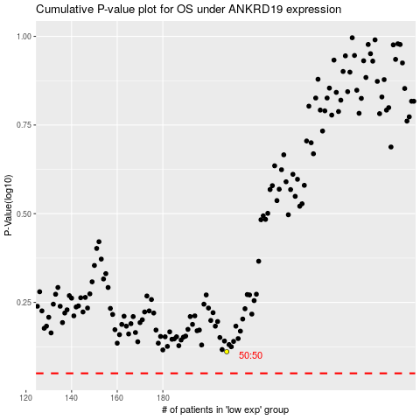

 |  |  |  |  |  | cases_OS | p_OS | rank | exp
 |  |  |  |  |  |  | cases_RFS | p_RFS | rank | exp

