ANKRD20A3 _multivariate
Reported by Tex Li-Hsing Chi. tex@gate.sinica.edu.tw 2019-08-22

Table 2. The clinicopathological features of HNSCC cohort and ANKRD20A3 expression. (Chi square test)
Cutoff at -0.351 (49.8%)
 |  | ANKRD20A3 expression |  | ANKRD20A3 expression |  | (Optimised)
 | Features | Low | (%) | High | (%) | Case no | P-value | Remark | Matthews
Gender | Female | 146 | 35.2 | 160 | 38.6 | 415 | 0.1714 | 0 | 0
2 | Male | 61 | 14.7 | 48 | 11.6
Age at diagnosis | <=65y | 132 | 31.8 | 142 | 34.2 | 415 | 0.3874 | 0 | 0
4 | >65y | 75 | 18.1 | 66 | 15.9
Clinical T Status | T1+T2 | 71 | 17.1 | 78 | 18.8 | 415 | 0.5638 | 0 | 0
6 | T3+T4 | 136 | 32.8 | 130 | 31.3
Clinical N Status | N0 | 99 | 23.9 | 117 | 28.2 | 415 | 0.1054 | 0 | 0
8 | N1-3 | 108 | 26 | 91 | 21.9
Clinical M Status | M0 | 206 | 49.6 | 206 | 49.6 | 415 | 1 | 0 | 0
10 | M1 | 1 | 0.2 | 2 | 0.5
Clinical Stage | Stage I+II | 47 | 11.3 | 55 | 13.3 | 415 | 0.4413 | 0 | 0
12 | Stage III+IV | 160 | 38.6 | 153 | 36.9
Surgical Margin status | Negative | 168 | 40.5 | 150 | 36.1 | 415 | 0.0366 | 1 | 0
14 | Positive | 39 | 9.4 | 58 | 14
Tobacco Exposure | Low | 93 | 22.4 | 68 | 16.4 | 415 | 0.0118 | 1 | 0
16 | High | 114 | 27.5 | 140 | 33.7

Table 3. Univariate/Multivariate Cox's proportional hazards regression analyses on OS time of ANKRD20A3 gene expression in HNSCC

 |  | Univariate |  |  |  | Multivariate
 | Features | HR | CI95%(L) | CI95%(H) | P-value | HR | CI95%(L) | CI95%(H) | P-value
1 | Female | 1 |  |  |  | 1
Gender | Male | 1.157 | 0.843 | 1.587 | 0.367 | 1.227 | 0.877 | 1.716 | 0.233
11 | <=65y | 1 |  |  |  | 1
Age at diagnosis | >65y | 1.329 | 0.99 | 1.784 | 0.058 | 1.402 | 1.032 | 1.905 | 0.031
12 | T1+T2 | 1 |  |  |  | 1
Clinical T Status | T3+T4 | 1.409 | 1.028 | 1.931 | 0.033 | 2.21 | 1.169 | 4.177 | 0.015
13 | N0 | 1 |  |  |  | 1
Clinical N Status | N1-3 | 1.185 | 0.89 | 1.577 | 0.246 | 1.247 | 0.874 | 1.78 | 0.224
14 | M0 | 1 |  |  |  | 1
Clinical M Status | M1 | 4.097 | 1.009 | 16.644 | 0.049 | 9.318 | 2.032 | 42.721 | 0.004
15 | Stage I+II | 1 |  |  |  | 1
Clinical Stage | Stage III+IV | 1.245 | 0.882 | 1.759 | 0.213 | 0.505 | 0.236 | 1.084 | 0.08
16 | Negative | 1 |  |  |  | 1
Surgical Margin status | Positive | 1.591 | 1.155 | 2.191 | 0.004 | 1.638 | 1.183 | 2.267 | 0.003
17 | Low | 1 |  |  |  | 1
Tobacco Exposure | High | 1.364 | 1.008 | 1.844 | 0.044 | 1.413 | 1.023 | 1.952 | 0.036
18 | Low | 1 |  |  |  | 1
RNAseq(z-score) | High | 1.236 | 0.927 | 1.649 | 0.149 | 1.201 | 0.892 | 1.617 | 0.228

Table 4. Univariate/Multivariate Cox's proportional hazards regression analyses on RFS time of ANKRD20A3 gene expression in HNSCC

 |  | Univariate |  |  |  | Multivariate
 | Features | HR | CI95%(L) | CI95%(H) | P-value | HR | CI95%(L) | CI95%(H) | P-value
1 | Female | 1 |  |  |  | 1
Gender | Male | 1.157 | 0.843 | 1.587 | 0.367 | 1.227 | 0.877 | 1.716 | 0.233
11 | <=65y | 1 |  |  |  | 1
Age at diagnosis | >65y | 1.329 | 0.99 | 1.784 | 0.058 | 1.402 | 1.032 | 1.905 | 0.031
12 | T1+T2 | 1 |  |  |  | 1
Clinical T Status | T3+T4 | 1.409 | 1.028 | 1.931 | 0.033 | 2.21 | 1.169 | 4.177 | 0.015
13 | N0 | 1 |  |  |  | 1
Clinical N Status | N1-3 | 1.185 | 0.89 | 1.577 | 0.246 | 1.247 | 0.874 | 1.78 | 0.224
14 | M0 | 1 |  |  |  | 1
Clinical M Status | M1 | 4.097 | 1.009 | 16.644 | 0.049 | 9.318 | 2.032 | 42.721 | 0.004
15 | Stage I+II | 1 |  |  |  | 1
Clinical Stage | Stage III+IV | 1.245 | 0.882 | 1.759 | 0.213 | 0.505 | 0.236 | 1.084 | 0.08
16 | Negative | 1 |  |  |  | 1
Surgical Margin status | Positive | 1.591 | 1.155 | 2.191 | 0.004 | 1.638 | 1.183 | 2.267 | 0.003
17 | Low | 1 |  |  |  | 1
Tobacco Exposure | High | 1.364 | 1.008 | 1.844 | 0.044 | 1.413 | 1.023 | 1.952 | 0.036
18 | Low | 1 |  |  |  | 1
RNAseq(z-score) | High | 1.236 | 0.927 | 1.649 | 0.149 | 1.201 | 0.892 | 1.617 | 0.228

Kaplan-Meier survival estimate: Cutoff at -0.351 (49.8%)

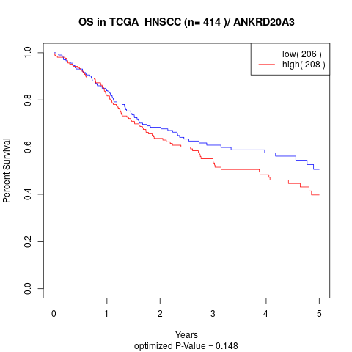

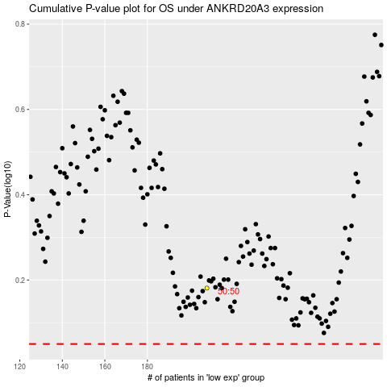

 |  |  |  |  |  | cases_OS | p_OS | rank | exp
 |  |  |  |  |  |  | cases_RFS | p_RFS | rank | exp

