ANKRD20B _multivariate
Reported by Tex Li-Hsing Chi. tex@gate.sinica.edu.tw 2019-08-22

Table 2. The clinicopathological features of HNSCC cohort and ANKRD20B expression. (Chi square test)
Cutoff at -0.22 (49.8%)
 |  | ANKRD20B expression |  | ANKRD20B expression |  | (Optimised)
 | Features | Low | (%) | High | (%) | Case no | P-value | Remark | Matthews
Gender | Female | 145 | 34.9 | 161 | 38.8 | 415 | 0.1116 | 0 | 0
2 | Male | 62 | 14.9 | 47 | 11.3
Age at diagnosis | <=65y | 130 | 31.3 | 144 | 34.7 | 415 | 0.2009 | 0 | 0
4 | >65y | 77 | 18.6 | 64 | 15.4
Clinical T Status | T1+T2 | 72 | 17.3 | 77 | 18.6 | 415 | 0.7095 | 0 | 0
6 | T3+T4 | 135 | 32.5 | 131 | 31.6
Clinical N Status | N0 | 99 | 23.9 | 117 | 28.2 | 415 | 0.1054 | 0 | 0
8 | N1-3 | 108 | 26 | 91 | 21.9
Clinical M Status | M0 | 206 | 49.6 | 206 | 49.6 | 415 | 1 | 0 | 0
10 | M1 | 1 | 0.2 | 2 | 0.5
Clinical Stage | Stage I+II | 51 | 12.3 | 51 | 12.3 | 415 | 1 | 0 | 0
12 | Stage III+IV | 156 | 37.6 | 157 | 37.8
Surgical Margin status | Negative | 166 | 40 | 152 | 36.6 | 415 | 0.1042 | 0 | 0
14 | Positive | 41 | 9.9 | 56 | 13.5
Tobacco Exposure | Low | 88 | 21.2 | 73 | 17.6 | 415 | 0.1314 | 0 | 0
16 | High | 119 | 28.7 | 135 | 32.5

Table 3. Univariate/Multivariate Cox's proportional hazards regression analyses on OS time of ANKRD20B gene expression in HNSCC

 |  | Univariate |  |  |  | Multivariate
 | Features | HR | CI95%(L) | CI95%(H) | P-value | HR | CI95%(L) | CI95%(H) | P-value
1 | Female | 1 |  |  |  | 1
Gender | Male | 1.157 | 0.843 | 1.587 | 0.367 | 1.214 | 0.867 | 1.699 | 0.259
11 | <=65y | 1 |  |  |  | 1
Age at diagnosis | >65y | 1.329 | 0.99 | 1.784 | 0.058 | 1.399 | 1.029 | 1.903 | 0.032
12 | T1+T2 | 1 |  |  |  | 1
Clinical T Status | T3+T4 | 1.409 | 1.028 | 1.931 | 0.033 | 2.212 | 1.17 | 4.183 | 0.015
13 | N0 | 1 |  |  |  | 1
Clinical N Status | N1-3 | 1.185 | 0.89 | 1.577 | 0.246 | 1.25 | 0.875 | 1.786 | 0.22
14 | M0 | 1 |  |  |  | 1
Clinical M Status | M1 | 4.097 | 1.009 | 16.644 | 0.049 | 9.389 | 2.048 | 43.04 | 0.004
15 | Stage I+II | 1 |  |  |  | 1
Clinical Stage | Stage III+IV | 1.245 | 0.882 | 1.759 | 0.213 | 0.5 | 0.233 | 1.073 | 0.075
16 | Negative | 1 |  |  |  | 1
Surgical Margin status | Positive | 1.591 | 1.155 | 2.191 | 0.004 | 1.654 | 1.194 | 2.291 | 0.002
17 | Low | 1 |  |  |  | 1
Tobacco Exposure | High | 1.364 | 1.008 | 1.844 | 0.044 | 1.446 | 1.049 | 1.993 | 0.024
18 | Low | 1 |  |  |  | 1
RNAseq(z-score) | High | 1.1 | 0.823 | 1.471 | 0.519 | 1.086 | 0.806 | 1.462 | 0.589

Table 4. Univariate/Multivariate Cox's proportional hazards regression analyses on RFS time of ANKRD20B gene expression in HNSCC

 |  | Univariate |  |  |  | Multivariate
 | Features | HR | CI95%(L) | CI95%(H) | P-value | HR | CI95%(L) | CI95%(H) | P-value
1 | Female | 1 |  |  |  | 1
Gender | Male | 1.157 | 0.843 | 1.587 | 0.367 | 1.214 | 0.867 | 1.699 | 0.259
11 | <=65y | 1 |  |  |  | 1
Age at diagnosis | >65y | 1.329 | 0.99 | 1.784 | 0.058 | 1.399 | 1.029 | 1.903 | 0.032
12 | T1+T2 | 1 |  |  |  | 1
Clinical T Status | T3+T4 | 1.409 | 1.028 | 1.931 | 0.033 | 2.212 | 1.17 | 4.183 | 0.015
13 | N0 | 1 |  |  |  | 1
Clinical N Status | N1-3 | 1.185 | 0.89 | 1.577 | 0.246 | 1.25 | 0.875 | 1.786 | 0.22
14 | M0 | 1 |  |  |  | 1
Clinical M Status | M1 | 4.097 | 1.009 | 16.644 | 0.049 | 9.389 | 2.048 | 43.04 | 0.004
15 | Stage I+II | 1 |  |  |  | 1
Clinical Stage | Stage III+IV | 1.245 | 0.882 | 1.759 | 0.213 | 0.5 | 0.233 | 1.073 | 0.075
16 | Negative | 1 |  |  |  | 1
Surgical Margin status | Positive | 1.591 | 1.155 | 2.191 | 0.004 | 1.654 | 1.194 | 2.291 | 0.002
17 | Low | 1 |  |  |  | 1
Tobacco Exposure | High | 1.364 | 1.008 | 1.844 | 0.044 | 1.446 | 1.049 | 1.993 | 0.024
18 | Low | 1 |  |  |  | 1
RNAseq(z-score) | High | 1.1 | 0.823 | 1.471 | 0.519 | 1.086 | 0.806 | 1.462 | 0.589

Kaplan-Meier survival estimate: Cutoff at -0.22 (49.8%)

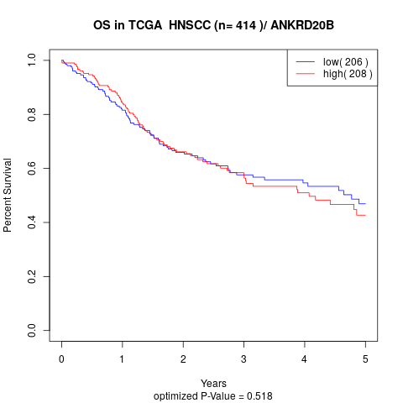

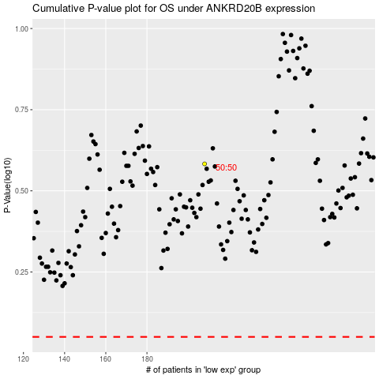

 |  |  |  |  |  | cases_OS | p_OS | rank | exp
 |  |  |  |  |  |  | cases_RFS | p_RFS | rank | exp

