ANKRD23 _multivariate
Reported by Tex Li-Hsing Chi. tex@gate.sinica.edu.tw 2019-08-22

Table 2. The clinicopathological features of HNSCC cohort and ANKRD23 expression. (Chi square test)
Cutoff at -0.249 (50.0%)
 |  | ANKRD23 expression |  | ANKRD23 expression |  | (Optimised)
 | Features | Low | (%) | High | (%) | Case no | P-value | Remark | Matthews
Gender | Female | 150 | 36.1 | 156 | 37.6 | 415 | 0.6344 | 0 | 0
2 | Male | 57 | 13.7 | 52 | 12.5
Age at diagnosis | <=65y | 129 | 31.1 | 145 | 34.9 | 415 | 0.1372 | 0 | 0
4 | >65y | 78 | 18.8 | 63 | 15.2
Clinical T Status | T1+T2 | 60 | 14.5 | 89 | 21.4 | 415 | 0.0047 | 1 | 0
6 | T3+T4 | 147 | 35.4 | 119 | 28.7
Clinical N Status | N0 | 109 | 26.3 | 107 | 25.8 | 415 | 0.8812 | 0 | 0
8 | N1-3 | 98 | 23.6 | 101 | 24.3
Clinical M Status | M0 | 204 | 49.2 | 208 | 50.1 | 415 | 0.1232 | 0 | 0
10 | M1 | 3 | 0.7 | 0 | 0
Clinical Stage | Stage I+II | 40 | 9.6 | 62 | 14.9 | 415 | 0.018 | 1 | 0
12 | Stage III+IV | 167 | 40.2 | 146 | 35.2
Surgical Margin status | Negative | 152 | 36.6 | 166 | 40 | 415 | 0.1329 | 0 | 0
14 | Positive | 55 | 13.3 | 42 | 10.1
Tobacco Exposure | Low | 82 | 19.8 | 79 | 19 | 415 | 0.763 | 0 | 0
16 | High | 125 | 30.1 | 129 | 31.1

Table 3. Univariate/Multivariate Cox's proportional hazards regression analyses on OS time of ANKRD23 gene expression in HNSCC

 |  | Univariate |  |  |  | Multivariate
 | Features | HR | CI95%(L) | CI95%(H) | P-value | HR | CI95%(L) | CI95%(H) | P-value
1 | Female | 1 |  |  |  | 1
Gender | Male | 1.157 | 0.843 | 1.587 | 0.367 | 1.202 | 0.861 | 1.68 | 0.28
11 | <=65y | 1 |  |  |  | 1
Age at diagnosis | >65y | 1.329 | 0.99 | 1.784 | 0.058 | 1.391 | 1.023 | 1.89 | 0.035
12 | T1+T2 | 1 |  |  |  | 1
Clinical T Status | T3+T4 | 1.409 | 1.028 | 1.931 | 0.033 | 2.196 | 1.161 | 4.154 | 0.016
13 | N0 | 1 |  |  |  | 1
Clinical N Status | N1-3 | 1.185 | 0.89 | 1.577 | 0.246 | 1.245 | 0.871 | 1.779 | 0.229
14 | M0 | 1 |  |  |  | 1
Clinical M Status | M1 | 4.097 | 1.009 | 16.644 | 0.049 | 9.223 | 1.992 | 42.703 | 0.004
15 | Stage I+II | 1 |  |  |  | 1
Clinical Stage | Stage III+IV | 1.245 | 0.882 | 1.759 | 0.213 | 0.504 | 0.235 | 1.083 | 0.079
16 | Negative | 1 |  |  |  | 1
Surgical Margin status | Positive | 1.591 | 1.155 | 2.191 | 0.004 | 1.666 | 1.204 | 2.305 | 0.002
17 | Low | 1 |  |  |  | 1
Tobacco Exposure | High | 1.364 | 1.008 | 1.844 | 0.044 | 1.454 | 1.055 | 2.004 | 0.022
18 | Low | 1 |  |  |  | 1
RNAseq(z-score) | High | 0.904 | 0.678 | 1.204 | 0.489 | 0.968 | 0.721 | 1.298 | 0.826

Table 4. Univariate/Multivariate Cox's proportional hazards regression analyses on RFS time of ANKRD23 gene expression in HNSCC

 |  | Univariate |  |  |  | Multivariate
 | Features | HR | CI95%(L) | CI95%(H) | P-value | HR | CI95%(L) | CI95%(H) | P-value
1 | Female | 1 |  |  |  | 1
Gender | Male | 1.157 | 0.843 | 1.587 | 0.367 | 1.202 | 0.861 | 1.68 | 0.28
11 | <=65y | 1 |  |  |  | 1
Age at diagnosis | >65y | 1.329 | 0.99 | 1.784 | 0.058 | 1.391 | 1.023 | 1.89 | 0.035
12 | T1+T2 | 1 |  |  |  | 1
Clinical T Status | T3+T4 | 1.409 | 1.028 | 1.931 | 0.033 | 2.196 | 1.161 | 4.154 | 0.016
13 | N0 | 1 |  |  |  | 1
Clinical N Status | N1-3 | 1.185 | 0.89 | 1.577 | 0.246 | 1.245 | 0.871 | 1.779 | 0.229
14 | M0 | 1 |  |  |  | 1
Clinical M Status | M1 | 4.097 | 1.009 | 16.644 | 0.049 | 9.223 | 1.992 | 42.703 | 0.004
15 | Stage I+II | 1 |  |  |  | 1
Clinical Stage | Stage III+IV | 1.245 | 0.882 | 1.759 | 0.213 | 0.504 | 0.235 | 1.083 | 0.079
16 | Negative | 1 |  |  |  | 1
Surgical Margin status | Positive | 1.591 | 1.155 | 2.191 | 0.004 | 1.666 | 1.204 | 2.305 | 0.002
17 | Low | 1 |  |  |  | 1
Tobacco Exposure | High | 1.364 | 1.008 | 1.844 | 0.044 | 1.454 | 1.055 | 2.004 | 0.022
18 | Low | 1 |  |  |  | 1
RNAseq(z-score) | High | 0.904 | 0.678 | 1.204 | 0.489 | 0.968 | 0.721 | 1.298 | 0.826

Kaplan-Meier survival estimate: Cutoff at -0.249 (50.0%)



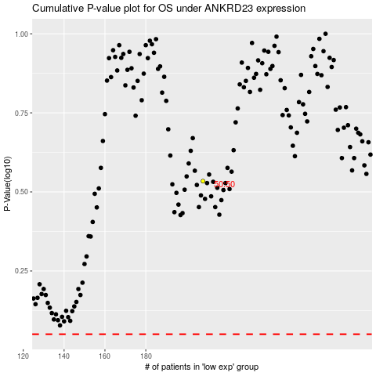

 |  |  |  |  |  | cases_OS | p_OS | rank | exp
 |  |  |  |  |  |  | cases_RFS | p_RFS | rank | exp

