ANKRD24 _multivariate
Reported by Tex Li-Hsing Chi. tex@gate.sinica.edu.tw 2019-08-22

Table 2. The clinicopathological features of HNSCC cohort and ANKRD24 expression. (Chi square test)
Cutoff at -0.288 (49.8%)
 |  | ANKRD24 expression |  | ANKRD24 expression |  | (Optimised)
 | Features | Low | (%) | High | (%) | Case no | P-value | Remark | Matthews
Gender | Female | 147 | 35.4 | 159 | 38.3 | 415 | 0.2523 | 0 | 0
2 | Male | 60 | 14.5 | 49 | 11.8
Age at diagnosis | <=65y | 141 | 34 | 133 | 32 | 415 | 0.4272 | 0 | 0
4 | >65y | 66 | 15.9 | 75 | 18.1
Clinical T Status | T1+T2 | 69 | 16.6 | 80 | 19.3 | 415 | 0.3239 | 0 | 0
6 | T3+T4 | 138 | 33.3 | 128 | 30.8
Clinical N Status | N0 | 100 | 24.1 | 116 | 28 | 415 | 0.1548 | 0 | 0
8 | N1-3 | 107 | 25.8 | 92 | 22.2
Clinical M Status | M0 | 204 | 49.2 | 208 | 50.1 | 415 | 0.1232 | 0 | 0
10 | M1 | 3 | 0.7 | 0 | 0
Clinical Stage | Stage I+II | 50 | 12 | 52 | 12.5 | 415 | 0.9315 | 0 | 0
12 | Stage III+IV | 157 | 37.8 | 156 | 37.6
Surgical Margin status | Negative | 158 | 38.1 | 160 | 38.6 | 415 | 0.9081 | 0 | 0
14 | Positive | 49 | 11.8 | 48 | 11.6
Tobacco Exposure | Low | 84 | 20.2 | 77 | 18.6 | 415 | 0.4816 | 0 | 0
16 | High | 123 | 29.6 | 131 | 31.6

Table 3. Univariate/Multivariate Cox's proportional hazards regression analyses on OS time of ANKRD24 gene expression in HNSCC

 |  | Univariate |  |  |  | Multivariate
 | Features | HR | CI95%(L) | CI95%(H) | P-value | HR | CI95%(L) | CI95%(H) | P-value
1 | Female | 1 |  |  |  | 1
Gender | Male | 1.157 | 0.843 | 1.587 | 0.367 | 1.202 | 0.861 | 1.68 | 0.28
11 | <=65y | 1 |  |  |  | 1
Age at diagnosis | >65y | 1.329 | 0.99 | 1.784 | 0.058 | 1.379 | 1.013 | 1.876 | 0.041
12 | T1+T2 | 1 |  |  |  | 1
Clinical T Status | T3+T4 | 1.409 | 1.028 | 1.931 | 0.033 | 2.255 | 1.19 | 4.273 | 0.013
13 | N0 | 1 |  |  |  | 1
Clinical N Status | N1-3 | 1.185 | 0.89 | 1.577 | 0.246 | 1.253 | 0.877 | 1.79 | 0.215
14 | M0 | 1 |  |  |  | 1
Clinical M Status | M1 | 4.097 | 1.009 | 16.644 | 0.049 | 10.219 | 2.203 | 47.412 | 0.003
15 | Stage I+II | 1 |  |  |  | 1
Clinical Stage | Stage III+IV | 1.245 | 0.882 | 1.759 | 0.213 | 0.489 | 0.227 | 1.053 | 0.068
16 | Negative | 1 |  |  |  | 1
Surgical Margin status | Positive | 1.591 | 1.155 | 2.191 | 0.004 | 1.66 | 1.2 | 2.295 | 0.002
17 | Low | 1 |  |  |  | 1
Tobacco Exposure | High | 1.364 | 1.008 | 1.844 | 0.044 | 1.448 | 1.051 | 1.995 | 0.024
18 | Low | 1 |  |  |  | 1
RNAseq(z-score) | High | 1.118 | 0.839 | 1.491 | 0.446 | 1.139 | 0.85 | 1.528 | 0.384

Table 4. Univariate/Multivariate Cox's proportional hazards regression analyses on RFS time of ANKRD24 gene expression in HNSCC

 |  | Univariate |  |  |  | Multivariate
 | Features | HR | CI95%(L) | CI95%(H) | P-value | HR | CI95%(L) | CI95%(H) | P-value
1 | Female | 1 |  |  |  | 1
Gender | Male | 1.157 | 0.843 | 1.587 | 0.367 | 1.202 | 0.861 | 1.68 | 0.28
11 | <=65y | 1 |  |  |  | 1
Age at diagnosis | >65y | 1.329 | 0.99 | 1.784 | 0.058 | 1.379 | 1.013 | 1.876 | 0.041
12 | T1+T2 | 1 |  |  |  | 1
Clinical T Status | T3+T4 | 1.409 | 1.028 | 1.931 | 0.033 | 2.255 | 1.19 | 4.273 | 0.013
13 | N0 | 1 |  |  |  | 1
Clinical N Status | N1-3 | 1.185 | 0.89 | 1.577 | 0.246 | 1.253 | 0.877 | 1.79 | 0.215
14 | M0 | 1 |  |  |  | 1
Clinical M Status | M1 | 4.097 | 1.009 | 16.644 | 0.049 | 10.219 | 2.203 | 47.412 | 0.003
15 | Stage I+II | 1 |  |  |  | 1
Clinical Stage | Stage III+IV | 1.245 | 0.882 | 1.759 | 0.213 | 0.489 | 0.227 | 1.053 | 0.068
16 | Negative | 1 |  |  |  | 1
Surgical Margin status | Positive | 1.591 | 1.155 | 2.191 | 0.004 | 1.66 | 1.2 | 2.295 | 0.002
17 | Low | 1 |  |  |  | 1
Tobacco Exposure | High | 1.364 | 1.008 | 1.844 | 0.044 | 1.448 | 1.051 | 1.995 | 0.024
18 | Low | 1 |  |  |  | 1
RNAseq(z-score) | High | 1.118 | 0.839 | 1.491 | 0.446 | 1.139 | 0.85 | 1.528 | 0.384

Kaplan-Meier survival estimate: Cutoff at -0.288 (49.8%)



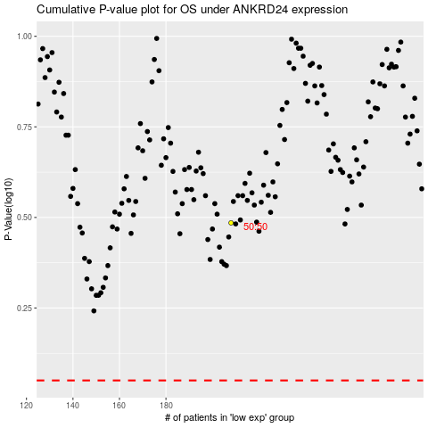

 |  |  |  |  |  | cases_OS | p_OS | rank | exp
 |  |  |  |  |  |  | cases_RFS | p_RFS | rank | exp

