ANKRD26 _multivariate
Reported by Tex Li-Hsing Chi. tex@gate.sinica.edu.tw 2019-08-22

Table 2. The clinicopathological features of HNSCC cohort and ANKRD26 expression. (Chi square test)
Cutoff at -0.17 (49.8%)
 |  | ANKRD26 expression |  | ANKRD26 expression |  | (Optimised)
 | Features | Low | (%) | High | (%) | Case no | P-value | Remark | Matthews
Gender | Female | 146 | 35.2 | 160 | 38.6 | 415 | 0.1714 | 0 | 0
2 | Male | 61 | 14.7 | 48 | 11.6
Age at diagnosis | <=65y | 136 | 32.8 | 138 | 33.3 | 415 | 0.9719 | 0 | 0
4 | >65y | 71 | 17.1 | 70 | 16.9
Clinical T Status | T1+T2 | 67 | 16.1 | 82 | 19.8 | 415 | 0.1628 | 0 | 0
6 | T3+T4 | 140 | 33.7 | 126 | 30.4
Clinical N Status | N0 | 116 | 28 | 100 | 24.1 | 415 | 0.1273 | 1 | 0
8 | N1-3 | 91 | 21.9 | 108 | 26
Clinical M Status | M0 | 205 | 49.4 | 207 | 49.9 | 415 | 0.6232 | 0 | 0
10 | M1 | 2 | 0.5 | 1 | 0.2
Clinical Stage | Stage I+II | 48 | 11.6 | 54 | 13 | 415 | 0.5878 | 0 | 0
12 | Stage III+IV | 159 | 38.3 | 154 | 37.1
Surgical Margin status | Negative | 166 | 40 | 152 | 36.6 | 415 | 0.1042 | 0 | 0
14 | Positive | 41 | 9.9 | 56 | 13.5
Tobacco Exposure | Low | 81 | 19.5 | 80 | 19.3 | 415 | 0.9199 | 0 | 0
16 | High | 126 | 30.4 | 128 | 30.8

Table 3. Univariate/Multivariate Cox's proportional hazards regression analyses on OS time of ANKRD26 gene expression in HNSCC

 |  | Univariate |  |  |  | Multivariate
 | Features | HR | CI95%(L) | CI95%(H) | P-value | HR | CI95%(L) | CI95%(H) | P-value
1 | Female | 1 |  |  |  | 1
Gender | Male | 1.157 | 0.843 | 1.587 | 0.367 | 1.184 | 0.846 | 1.658 | 0.324
11 | <=65y | 1 |  |  |  | 1
Age at diagnosis | >65y | 1.329 | 0.99 | 1.784 | 0.058 | 1.401 | 1.03 | 1.906 | 0.032
12 | T1+T2 | 1 |  |  |  | 1
Clinical T Status | T3+T4 | 1.409 | 1.028 | 1.931 | 0.033 | 2.18 | 1.153 | 4.12 | 0.016
13 | N0 | 1 |  |  |  | 1
Clinical N Status | N1-3 | 1.185 | 0.89 | 1.577 | 0.246 | 1.264 | 0.885 | 1.806 | 0.197
14 | M0 | 1 |  |  |  | 1
Clinical M Status | M1 | 4.097 | 1.009 | 16.644 | 0.049 | 8.773 | 1.905 | 40.397 | 0.005
15 | Stage I+II | 1 |  |  |  | 1
Clinical Stage | Stage III+IV | 1.245 | 0.882 | 1.759 | 0.213 | 0.506 | 0.236 | 1.086 | 0.08
16 | Negative | 1 |  |  |  | 1
Surgical Margin status | Positive | 1.591 | 1.155 | 2.191 | 0.004 | 1.668 | 1.207 | 2.304 | 0.002
17 | Low | 1 |  |  |  | 1
Tobacco Exposure | High | 1.364 | 1.008 | 1.844 | 0.044 | 1.463 | 1.06 | 2.019 | 0.021
18 | Low | 1 |  |  |  | 1
RNAseq(z-score) | High | 0.83 | 0.623 | 1.106 | 0.204 | 0.842 | 0.629 | 1.125 | 0.244

Table 4. Univariate/Multivariate Cox's proportional hazards regression analyses on RFS time of ANKRD26 gene expression in HNSCC

 |  | Univariate |  |  |  | Multivariate
 | Features | HR | CI95%(L) | CI95%(H) | P-value | HR | CI95%(L) | CI95%(H) | P-value
1 | Female | 1 |  |  |  | 1
Gender | Male | 1.157 | 0.843 | 1.587 | 0.367 | 1.184 | 0.846 | 1.658 | 0.324
11 | <=65y | 1 |  |  |  | 1
Age at diagnosis | >65y | 1.329 | 0.99 | 1.784 | 0.058 | 1.401 | 1.03 | 1.906 | 0.032
12 | T1+T2 | 1 |  |  |  | 1
Clinical T Status | T3+T4 | 1.409 | 1.028 | 1.931 | 0.033 | 2.18 | 1.153 | 4.12 | 0.016
13 | N0 | 1 |  |  |  | 1
Clinical N Status | N1-3 | 1.185 | 0.89 | 1.577 | 0.246 | 1.264 | 0.885 | 1.806 | 0.197
14 | M0 | 1 |  |  |  | 1
Clinical M Status | M1 | 4.097 | 1.009 | 16.644 | 0.049 | 8.773 | 1.905 | 40.397 | 0.005
15 | Stage I+II | 1 |  |  |  | 1
Clinical Stage | Stage III+IV | 1.245 | 0.882 | 1.759 | 0.213 | 0.506 | 0.236 | 1.086 | 0.08
16 | Negative | 1 |  |  |  | 1
Surgical Margin status | Positive | 1.591 | 1.155 | 2.191 | 0.004 | 1.668 | 1.207 | 2.304 | 0.002
17 | Low | 1 |  |  |  | 1
Tobacco Exposure | High | 1.364 | 1.008 | 1.844 | 0.044 | 1.463 | 1.06 | 2.019 | 0.021
18 | Low | 1 |  |  |  | 1
RNAseq(z-score) | High | 0.83 | 0.623 | 1.106 | 0.204 | 0.842 | 0.629 | 1.125 | 0.244

Kaplan-Meier survival estimate: Cutoff at -0.17 (49.8%)



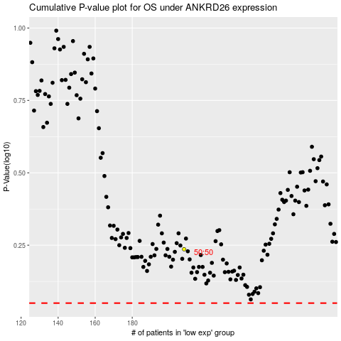

 |  |  |  |  |  | cases_OS | p_OS | rank | exp
 |  |  |  |  |  |  | cases_RFS | p_RFS | rank | exp

