ANKRD28 _multivariate
Reported by Tex Li-Hsing Chi. tex@gate.sinica.edu.tw 2019-08-22

Table 2. The clinicopathological features of HNSCC cohort and ANKRD28 expression. (Chi square test)
Cutoff at -0.274 (50.0%)
 |  | ANKRD28 expression |  | ANKRD28 expression |  | (Optimised)
 | Features | Low | (%) | High | (%) | Case no | P-value | Remark | Matthews
Gender | Female | 159 | 38.3 | 147 | 35.4 | 415 | 0.1905 | 0 | 0
2 | Male | 48 | 11.6 | 61 | 14.7
Age at diagnosis | <=65y | 138 | 33.3 | 136 | 32.8 | 415 | 0.8634 | 0 | 0
4 | >65y | 69 | 16.6 | 72 | 17.3
Clinical T Status | T1+T2 | 79 | 19 | 70 | 16.9 | 415 | 0.3924 | 0 | 0
6 | T3+T4 | 128 | 30.8 | 138 | 33.3
Clinical N Status | N0 | 113 | 27.2 | 103 | 24.8 | 415 | 0.3495 | 1 | 0
8 | N1-3 | 94 | 22.7 | 105 | 25.3
Clinical M Status | M0 | 204 | 49.2 | 208 | 50.1 | 415 | 0.1232 | 0 | 0
10 | M1 | 3 | 0.7 | 0 | 0
Clinical Stage | Stage I+II | 58 | 14 | 44 | 10.6 | 415 | 0.131 | 0 | 0
12 | Stage III+IV | 149 | 35.9 | 164 | 39.5
Surgical Margin status | Negative | 159 | 38.3 | 159 | 38.3 | 415 | 1 | 0 | 0
14 | Positive | 48 | 11.6 | 49 | 11.8
Tobacco Exposure | Low | 79 | 19 | 82 | 19.8 | 415 | 0.8405 | 0 | 0
16 | High | 128 | 30.8 | 126 | 30.4

Table 3. Univariate/Multivariate Cox's proportional hazards regression analyses on OS time of ANKRD28 gene expression in HNSCC

 |  | Univariate |  |  |  | Multivariate
 | Features | HR | CI95%(L) | CI95%(H) | P-value | HR | CI95%(L) | CI95%(H) | P-value
1 | Female | 1 |  |  |  | 1
Gender | Male | 1.157 | 0.843 | 1.587 | 0.367 | 1.23 | 0.879 | 1.721 | 0.228
11 | <=65y | 1 |  |  |  | 1
Age at diagnosis | >65y | 1.329 | 0.99 | 1.784 | 0.058 | 1.394 | 1.026 | 1.893 | 0.034
12 | T1+T2 | 1 |  |  |  | 1
Clinical T Status | T3+T4 | 1.409 | 1.028 | 1.931 | 0.033 | 2.157 | 1.14 | 4.079 | 0.018
13 | N0 | 1 |  |  |  | 1
Clinical N Status | N1-3 | 1.185 | 0.89 | 1.577 | 0.246 | 1.226 | 0.859 | 1.75 | 0.261
14 | M0 | 1 |  |  |  | 1
Clinical M Status | M1 | 4.097 | 1.009 | 16.644 | 0.049 | 8.402 | 1.82 | 38.794 | 0.006
15 | Stage I+II | 1 |  |  |  | 1
Clinical Stage | Stage III+IV | 1.245 | 0.882 | 1.759 | 0.213 | 0.527 | 0.245 | 1.133 | 0.101
16 | Negative | 1 |  |  |  | 1
Surgical Margin status | Positive | 1.591 | 1.155 | 2.191 | 0.004 | 1.66 | 1.201 | 2.294 | 0.002
17 | Low | 1 |  |  |  | 1
Tobacco Exposure | High | 1.364 | 1.008 | 1.844 | 0.044 | 1.451 | 1.053 | 2.001 | 0.023
18 | Low | 1 |  |  |  | 1
RNAseq(z-score) | High | 0.798 | 0.598 | 1.065 | 0.125 | 0.81 | 0.605 | 1.085 | 0.158

Table 4. Univariate/Multivariate Cox's proportional hazards regression analyses on RFS time of ANKRD28 gene expression in HNSCC

 |  | Univariate |  |  |  | Multivariate
 | Features | HR | CI95%(L) | CI95%(H) | P-value | HR | CI95%(L) | CI95%(H) | P-value
1 | Female | 1 |  |  |  | 1
Gender | Male | 1.157 | 0.843 | 1.587 | 0.367 | 1.23 | 0.879 | 1.721 | 0.228
11 | <=65y | 1 |  |  |  | 1
Age at diagnosis | >65y | 1.329 | 0.99 | 1.784 | 0.058 | 1.394 | 1.026 | 1.893 | 0.034
12 | T1+T2 | 1 |  |  |  | 1
Clinical T Status | T3+T4 | 1.409 | 1.028 | 1.931 | 0.033 | 2.157 | 1.14 | 4.079 | 0.018
13 | N0 | 1 |  |  |  | 1
Clinical N Status | N1-3 | 1.185 | 0.89 | 1.577 | 0.246 | 1.226 | 0.859 | 1.75 | 0.261
14 | M0 | 1 |  |  |  | 1
Clinical M Status | M1 | 4.097 | 1.009 | 16.644 | 0.049 | 8.402 | 1.82 | 38.794 | 0.006
15 | Stage I+II | 1 |  |  |  | 1
Clinical Stage | Stage III+IV | 1.245 | 0.882 | 1.759 | 0.213 | 0.527 | 0.245 | 1.133 | 0.101
16 | Negative | 1 |  |  |  | 1
Surgical Margin status | Positive | 1.591 | 1.155 | 2.191 | 0.004 | 1.66 | 1.201 | 2.294 | 0.002
17 | Low | 1 |  |  |  | 1
Tobacco Exposure | High | 1.364 | 1.008 | 1.844 | 0.044 | 1.451 | 1.053 | 2.001 | 0.023
18 | Low | 1 |  |  |  | 1
RNAseq(z-score) | High | 0.798 | 0.598 | 1.065 | 0.125 | 0.81 | 0.605 | 1.085 | 0.158

Kaplan-Meier survival estimate: Cutoff at -0.274 (50.0%)



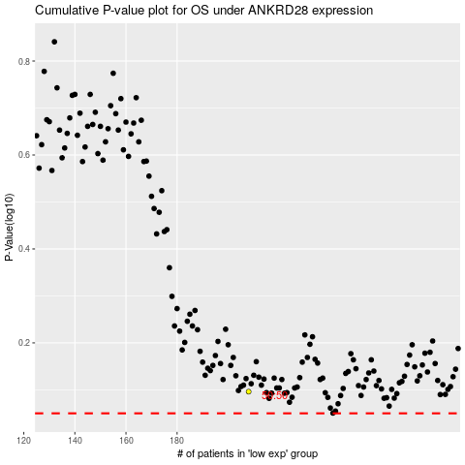

 |  |  |  |  |  | cases_OS | p_OS | rank | exp
 |  |  |  |  |  |  | cases_RFS | p_RFS | rank | exp

