ANKRD32 _multivariate
Reported by Tex Li-Hsing Chi. tex@gate.sinica.edu.tw 2019-08-22

Table 2. The clinicopathological features of HNSCC cohort and ANKRD32 expression. (Chi square test)
Cutoff at -0.221 (49.8%)
 |  | ANKRD32 expression |  | ANKRD32 expression |  | (Optimised)
 | Features | Low | (%) | High | (%) | Case no | P-value | Remark | Matthews
Gender | Female | 149 | 35.9 | 157 | 37.8 | 415 | 0.4848 | 0 | 0
2 | Male | 58 | 14 | 51 | 12.3
Age at diagnosis | <=65y | 134 | 32.3 | 140 | 33.7 | 415 | 0.6529 | 0 | 0
4 | >65y | 73 | 17.6 | 68 | 16.4
Clinical T Status | T1+T2 | 68 | 16.4 | 81 | 19.5 | 415 | 0.2336 | 0 | 0
6 | T3+T4 | 139 | 33.5 | 127 | 30.6
Clinical N Status | N0 | 108 | 26 | 108 | 26 | 415 | 1 | 0 | 0
8 | N1-3 | 99 | 23.9 | 100 | 24.1
Clinical M Status | M0 | 205 | 49.4 | 207 | 49.9 | 415 | 0.6232 | 0 | 0
10 | M1 | 2 | 0.5 | 1 | 0.2
Clinical Stage | Stage I+II | 53 | 12.8 | 49 | 11.8 | 415 | 0.7113 | 0 | 0
12 | Stage III+IV | 154 | 37.1 | 159 | 38.3
Surgical Margin status | Negative | 168 | 40.5 | 150 | 36.1 | 415 | 0.0366 | 1 | 0
14 | Positive | 39 | 9.4 | 58 | 14
Tobacco Exposure | Low | 84 | 20.2 | 77 | 18.6 | 415 | 0.4816 | 0 | 0
16 | High | 123 | 29.6 | 131 | 31.6

Table 3. Univariate/Multivariate Cox's proportional hazards regression analyses on OS time of ANKRD32 gene expression in HNSCC

 |  | Univariate |  |  |  | Multivariate
 | Features | HR | CI95%(L) | CI95%(H) | P-value | HR | CI95%(L) | CI95%(H) | P-value
1 | Female | 1 |  |  |  | 1
Gender | Male | 1.157 | 0.843 | 1.587 | 0.367 | 1.201 | 0.86 | 1.678 | 0.283
11 | <=65y | 1 |  |  |  | 1
Age at diagnosis | >65y | 1.329 | 0.99 | 1.784 | 0.058 | 1.392 | 1.024 | 1.892 | 0.035
12 | T1+T2 | 1 |  |  |  | 1
Clinical T Status | T3+T4 | 1.409 | 1.028 | 1.931 | 0.033 | 2.187 | 1.151 | 4.157 | 0.017
13 | N0 | 1 |  |  |  | 1
Clinical N Status | N1-3 | 1.185 | 0.89 | 1.577 | 0.246 | 1.237 | 0.865 | 1.768 | 0.243
14 | M0 | 1 |  |  |  | 1
Clinical M Status | M1 | 4.097 | 1.009 | 16.644 | 0.049 | 9.296 | 2.015 | 42.881 | 0.004
15 | Stage I+II | 1 |  |  |  | 1
Clinical Stage | Stage III+IV | 1.245 | 0.882 | 1.759 | 0.213 | 0.508 | 0.236 | 1.096 | 0.084
16 | Negative | 1 |  |  |  | 1
Surgical Margin status | Positive | 1.591 | 1.155 | 2.191 | 0.004 | 1.678 | 1.211 | 2.324 | 0.002
17 | Low | 1 |  |  |  | 1
Tobacco Exposure | High | 1.364 | 1.008 | 1.844 | 0.044 | 1.456 | 1.056 | 2.007 | 0.022
18 | Low | 1 |  |  |  | 1
RNAseq(z-score) | High | 0.961 | 0.722 | 1.28 | 0.787 | 0.975 | 0.727 | 1.308 | 0.867

Table 4. Univariate/Multivariate Cox's proportional hazards regression analyses on RFS time of ANKRD32 gene expression in HNSCC

 |  | Univariate |  |  |  | Multivariate
 | Features | HR | CI95%(L) | CI95%(H) | P-value | HR | CI95%(L) | CI95%(H) | P-value
1 | Female | 1 |  |  |  | 1
Gender | Male | 1.157 | 0.843 | 1.587 | 0.367 | 1.201 | 0.86 | 1.678 | 0.283
11 | <=65y | 1 |  |  |  | 1
Age at diagnosis | >65y | 1.329 | 0.99 | 1.784 | 0.058 | 1.392 | 1.024 | 1.892 | 0.035
12 | T1+T2 | 1 |  |  |  | 1
Clinical T Status | T3+T4 | 1.409 | 1.028 | 1.931 | 0.033 | 2.187 | 1.151 | 4.157 | 0.017
13 | N0 | 1 |  |  |  | 1
Clinical N Status | N1-3 | 1.185 | 0.89 | 1.577 | 0.246 | 1.237 | 0.865 | 1.768 | 0.243
14 | M0 | 1 |  |  |  | 1
Clinical M Status | M1 | 4.097 | 1.009 | 16.644 | 0.049 | 9.296 | 2.015 | 42.881 | 0.004
15 | Stage I+II | 1 |  |  |  | 1
Clinical Stage | Stage III+IV | 1.245 | 0.882 | 1.759 | 0.213 | 0.508 | 0.236 | 1.096 | 0.084
16 | Negative | 1 |  |  |  | 1
Surgical Margin status | Positive | 1.591 | 1.155 | 2.191 | 0.004 | 1.678 | 1.211 | 2.324 | 0.002
17 | Low | 1 |  |  |  | 1
Tobacco Exposure | High | 1.364 | 1.008 | 1.844 | 0.044 | 1.456 | 1.056 | 2.007 | 0.022
18 | Low | 1 |  |  |  | 1
RNAseq(z-score) | High | 0.961 | 0.722 | 1.28 | 0.787 | 0.975 | 0.727 | 1.308 | 0.867

Kaplan-Meier survival estimate: Cutoff at -0.221 (49.8%)



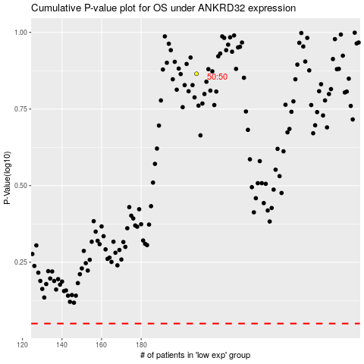

 |  |  |  |  |  | cases_OS | p_OS | rank | exp
 |  |  |  |  |  |  | cases_RFS | p_RFS | rank | exp

