ANKRD34A _multivariate
Reported by Tex Li-Hsing Chi. tex@gate.sinica.edu.tw 2019-08-22

Table 2. The clinicopathological features of HNSCC cohort and ANKRD34A expression. (Chi square test)
Cutoff at 0.127 (69.3%)
 |  | ANKRD34A expression |  | ANKRD34A expression |  | (Optimised)
 | Features | Low | (%) | High | (%) | Case no | P-value | Remark | Matthews
Gender | Female | 207 | 49.9 | 99 | 23.9 | 415 | 0.2398 | 0 | 0
2 | Male | 81 | 19.5 | 28 | 6.7
Age at diagnosis | <=65y | 193 | 46.5 | 81 | 19.5 | 415 | 0.597 | 0 | 0
4 | >65y | 95 | 22.9 | 46 | 11.1
Clinical T Status | T1+T2 | 106 | 25.5 | 43 | 10.4 | 415 | 0.6414 | 0 | 0
6 | T3+T4 | 182 | 43.9 | 84 | 20.2
Clinical N Status | N0 | 155 | 37.3 | 61 | 14.7 | 415 | 0.3266 | 0 | 0
8 | N1-3 | 133 | 32 | 66 | 15.9
Clinical M Status | M0 | 285 | 68.7 | 127 | 30.6 | 415 | 0.5562 | 0 | 0
10 | M1 | 3 | 0.7 | 0 | 0
Clinical Stage | Stage I+II | 75 | 18.1 | 27 | 6.5 | 415 | 0.3581 | 0 | 0
12 | Stage III+IV | 213 | 51.3 | 100 | 24.1
Surgical Margin status | Negative | 218 | 52.5 | 100 | 24.1 | 415 | 0.5314 | 0 | 0
14 | Positive | 70 | 16.9 | 27 | 6.5
Tobacco Exposure | Low | 117 | 28.2 | 44 | 10.6 | 415 | 0.2751 | 0 | 0
16 | High | 171 | 41.2 | 83 | 20

Table 3. Univariate/Multivariate Cox's proportional hazards regression analyses on OS time of ANKRD34A gene expression in HNSCC

 |  | Univariate |  |  |  | Multivariate
 | Features | HR | CI95%(L) | CI95%(H) | P-value | HR | CI95%(L) | CI95%(H) | P-value
1 | Female | 1 |  |  |  | 1
Gender | Male | 1.157 | 0.843 | 1.587 | 0.367 | 1.205 | 0.863 | 1.682 | 0.274
11 | <=65y | 1 |  |  |  | 1
Age at diagnosis | >65y | 1.329 | 0.99 | 1.784 | 0.058 | 1.364 | 1.002 | 1.856 | 0.048
12 | T1+T2 | 1 |  |  |  | 1
Clinical T Status | T3+T4 | 1.409 | 1.028 | 1.931 | 0.033 | 2.336 | 1.23 | 4.435 | 0.009
13 | N0 | 1 |  |  |  | 1
Clinical N Status | N1-3 | 1.185 | 0.89 | 1.577 | 0.246 | 1.256 | 0.88 | 1.793 | 0.208
14 | M0 | 1 |  |  |  | 1
Clinical M Status | M1 | 4.097 | 1.009 | 16.644 | 0.049 | 11.08 | 2.392 | 51.328 | 0.002
15 | Stage I+II | 1 |  |  |  | 1
Clinical Stage | Stage III+IV | 1.245 | 0.882 | 1.759 | 0.213 | 0.465 | 0.215 | 1.002 | 0.051
16 | Negative | 1 |  |  |  | 1
Surgical Margin status | Positive | 1.591 | 1.155 | 2.191 | 0.004 | 1.707 | 1.233 | 2.363 | 0.001
17 | Low | 1 |  |  |  | 1
Tobacco Exposure | High | 1.364 | 1.008 | 1.844 | 0.044 | 1.414 | 1.027 | 1.947 | 0.034
18 | Low | 1 |  |  |  | 1
RNAseq(z-score) | High | 1.355 | 0.999 | 1.837 | 0.051 | 1.393 | 1.022 | 1.897 | 0.036

Table 4. Univariate/Multivariate Cox's proportional hazards regression analyses on RFS time of ANKRD34A gene expression in HNSCC

 |  | Univariate |  |  |  | Multivariate
 | Features | HR | CI95%(L) | CI95%(H) | P-value | HR | CI95%(L) | CI95%(H) | P-value
1 | Female | 1 |  |  |  | 1
Gender | Male | 1.157 | 0.843 | 1.587 | 0.367 | 1.205 | 0.863 | 1.682 | 0.274
11 | <=65y | 1 |  |  |  | 1
Age at diagnosis | >65y | 1.329 | 0.99 | 1.784 | 0.058 | 1.364 | 1.002 | 1.856 | 0.048
12 | T1+T2 | 1 |  |  |  | 1
Clinical T Status | T3+T4 | 1.409 | 1.028 | 1.931 | 0.033 | 2.336 | 1.23 | 4.435 | 0.009
13 | N0 | 1 |  |  |  | 1
Clinical N Status | N1-3 | 1.185 | 0.89 | 1.577 | 0.246 | 1.256 | 0.88 | 1.793 | 0.208
14 | M0 | 1 |  |  |  | 1
Clinical M Status | M1 | 4.097 | 1.009 | 16.644 | 0.049 | 11.08 | 2.392 | 51.328 | 0.002
15 | Stage I+II | 1 |  |  |  | 1
Clinical Stage | Stage III+IV | 1.245 | 0.882 | 1.759 | 0.213 | 0.465 | 0.215 | 1.002 | 0.051
16 | Negative | 1 |  |  |  | 1
Surgical Margin status | Positive | 1.591 | 1.155 | 2.191 | 0.004 | 1.707 | 1.233 | 2.363 | 0.001
17 | Low | 1 |  |  |  | 1
Tobacco Exposure | High | 1.364 | 1.008 | 1.844 | 0.044 | 1.414 | 1.027 | 1.947 | 0.034
18 | Low | 1 |  |  |  | 1
RNAseq(z-score) | High | 1.355 | 0.999 | 1.837 | 0.051 | 1.393 | 1.022 | 1.897 | 0.036

Kaplan-Meier survival estimate: Cutoff at 0.127 (69.3%)



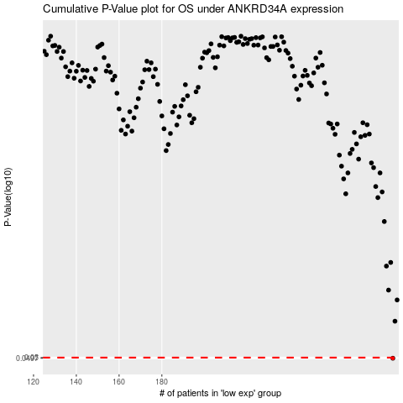

 |  |  |  |  |  | cases_OS | p_OS | rank | exp
 |  |  |  |  |  | 288 | 0.0497 | 285 | 0.12749448213
 |  |  |  |  |  |  | cases_RFS | p_RFS | rank | exp
 |  |  |  |  |  |  | 287 | 0.0497 | 245 | 0.12718587739

