ANKRD36B _multivariate
Reported by Tex Li-Hsing Chi. tex@gate.sinica.edu.tw 2019-08-22

Table 2. The clinicopathological features of HNSCC cohort and ANKRD36B expression. (Chi square test)
Cutoff at -0.31 (49.8%)
 |  | ANKRD36B expression |  | ANKRD36B expression |  | (Optimised)
 | Features | Low | (%) | High | (%) | Case no | P-value | Remark | Matthews
Gender | Female | 147 | 35.4 | 159 | 38.3 | 415 | 0.2523 | 0 | 0
2 | Male | 60 | 14.5 | 49 | 11.8
Age at diagnosis | <=65y | 136 | 32.8 | 138 | 33.3 | 415 | 0.9719 | 0 | 0
4 | >65y | 71 | 17.1 | 70 | 16.9
Clinical T Status | T1+T2 | 76 | 18.3 | 73 | 17.6 | 415 | 0.8092 | 0 | 0
6 | T3+T4 | 131 | 31.6 | 135 | 32.5
Clinical N Status | N0 | 115 | 27.7 | 101 | 24.3 | 415 | 0.184 | 1 | 0
8 | N1-3 | 92 | 22.2 | 107 | 25.8
Clinical M Status | M0 | 205 | 49.4 | 207 | 49.9 | 415 | 0.6232 | 0 | 0
10 | M1 | 2 | 0.5 | 1 | 0.2
Clinical Stage | Stage I+II | 54 | 13 | 48 | 11.6 | 415 | 0.5498 | 0 | 0
12 | Stage III+IV | 153 | 36.9 | 160 | 38.6
Surgical Margin status | Negative | 162 | 39 | 156 | 37.6 | 415 | 0.4867 | 0 | 0
14 | Positive | 45 | 10.8 | 52 | 12.5
Tobacco Exposure | Low | 83 | 20 | 78 | 18.8 | 415 | 0.6152 | 0 | 0
16 | High | 124 | 29.9 | 130 | 31.3

Table 3. Univariate/Multivariate Cox's proportional hazards regression analyses on OS time of ANKRD36B gene expression in HNSCC

 |  | Univariate |  |  |  | Multivariate
 | Features | HR | CI95%(L) | CI95%(H) | P-value | HR | CI95%(L) | CI95%(H) | P-value
1 | Female | 1 |  |  |  | 1
Gender | Male | 1.157 | 0.843 | 1.587 | 0.367 | 1.205 | 0.862 | 1.683 | 0.275
11 | <=65y | 1 |  |  |  | 1
Age at diagnosis | >65y | 1.329 | 0.99 | 1.784 | 0.058 | 1.392 | 1.023 | 1.892 | 0.035
12 | T1+T2 | 1 |  |  |  | 1
Clinical T Status | T3+T4 | 1.409 | 1.028 | 1.931 | 0.033 | 2.191 | 1.158 | 4.142 | 0.016
13 | N0 | 1 |  |  |  | 1
Clinical N Status | N1-3 | 1.185 | 0.89 | 1.577 | 0.246 | 1.242 | 0.871 | 1.772 | 0.232
14 | M0 | 1 |  |  |  | 1
Clinical M Status | M1 | 4.097 | 1.009 | 16.644 | 0.049 | 9.009 | 1.959 | 41.426 | 0.005
15 | Stage I+II | 1 |  |  |  | 1
Clinical Stage | Stage III+IV | 1.245 | 0.882 | 1.759 | 0.213 | 0.508 | 0.237 | 1.09 | 0.082
16 | Negative | 1 |  |  |  | 1
Surgical Margin status | Positive | 1.591 | 1.155 | 2.191 | 0.004 | 1.672 | 1.21 | 2.311 | 0.002
17 | Low | 1 |  |  |  | 1
Tobacco Exposure | High | 1.364 | 1.008 | 1.844 | 0.044 | 1.456 | 1.056 | 2.007 | 0.022
18 | Low | 1 |  |  |  | 1
RNAseq(z-score) | High | 0.864 | 0.649 | 1.151 | 0.319 | 0.88 | 0.66 | 1.173 | 0.384

Table 4. Univariate/Multivariate Cox's proportional hazards regression analyses on RFS time of ANKRD36B gene expression in HNSCC

 |  | Univariate |  |  |  | Multivariate
 | Features | HR | CI95%(L) | CI95%(H) | P-value | HR | CI95%(L) | CI95%(H) | P-value
1 | Female | 1 |  |  |  | 1
Gender | Male | 1.157 | 0.843 | 1.587 | 0.367 | 1.205 | 0.862 | 1.683 | 0.275
11 | <=65y | 1 |  |  |  | 1
Age at diagnosis | >65y | 1.329 | 0.99 | 1.784 | 0.058 | 1.392 | 1.023 | 1.892 | 0.035
12 | T1+T2 | 1 |  |  |  | 1
Clinical T Status | T3+T4 | 1.409 | 1.028 | 1.931 | 0.033 | 2.191 | 1.158 | 4.142 | 0.016
13 | N0 | 1 |  |  |  | 1
Clinical N Status | N1-3 | 1.185 | 0.89 | 1.577 | 0.246 | 1.242 | 0.871 | 1.772 | 0.232
14 | M0 | 1 |  |  |  | 1
Clinical M Status | M1 | 4.097 | 1.009 | 16.644 | 0.049 | 9.009 | 1.959 | 41.426 | 0.005
15 | Stage I+II | 1 |  |  |  | 1
Clinical Stage | Stage III+IV | 1.245 | 0.882 | 1.759 | 0.213 | 0.508 | 0.237 | 1.09 | 0.082
16 | Negative | 1 |  |  |  | 1
Surgical Margin status | Positive | 1.591 | 1.155 | 2.191 | 0.004 | 1.672 | 1.21 | 2.311 | 0.002
17 | Low | 1 |  |  |  | 1
Tobacco Exposure | High | 1.364 | 1.008 | 1.844 | 0.044 | 1.456 | 1.056 | 2.007 | 0.022
18 | Low | 1 |  |  |  | 1
RNAseq(z-score) | High | 0.864 | 0.649 | 1.151 | 0.319 | 0.88 | 0.66 | 1.173 | 0.384

Kaplan-Meier survival estimate: Cutoff at -0.31 (49.8%)



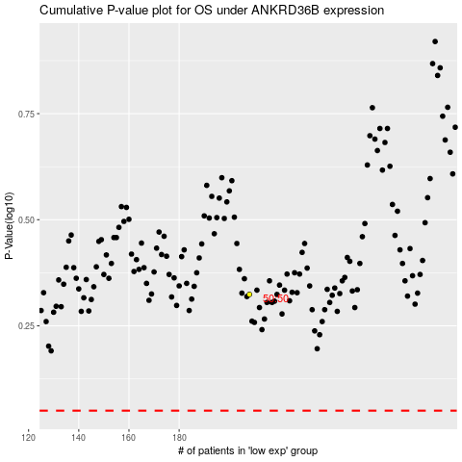

 |  |  |  |  |  | cases_OS | p_OS | rank | exp
 |  |  |  |  |  |  | cases_RFS | p_RFS | rank | exp

