ANKRD36BP1 _multivariate
Reported by Tex Li-Hsing Chi. tex@gate.sinica.edu.tw 2019-08-22

Table 2. The clinicopathological features of HNSCC cohort and ANKRD36BP1 expression. (Chi square test)
Cutoff at -0.108 (49.8%)
 |  | ANKRD36BP1 expression |  | ANKRD36BP1 expression |  | (Optimised)
 | Features | Low | (%) | High | (%) | Case no | P-value | Remark | Matthews
Gender | Female | 156 | 37.6 | 150 | 36.1 | 415 | 0.5222 | 0 | 0
2 | Male | 51 | 12.3 | 58 | 14
Age at diagnosis | <=65y | 136 | 32.8 | 138 | 33.3 | 415 | 0.9719 | 0 | 0
4 | >65y | 71 | 17.1 | 70 | 16.9
Clinical T Status | T1+T2 | 73 | 17.6 | 76 | 18.3 | 415 | 0.8666 | 0 | 0
6 | T3+T4 | 134 | 32.3 | 132 | 31.8
Clinical N Status | N0 | 106 | 25.5 | 110 | 26.5 | 415 | 0.8075 | 0 | 0
8 | N1-3 | 101 | 24.3 | 98 | 23.6
Clinical M Status | M0 | 204 | 49.2 | 208 | 50.1 | 415 | 0.1232 | 0 | 0
10 | M1 | 3 | 0.7 | 0 | 0
Clinical Stage | Stage I+II | 49 | 11.8 | 53 | 12.8 | 415 | 0.7535 | 0 | 0
12 | Stage III+IV | 158 | 38.1 | 155 | 37.3
Surgical Margin status | Negative | 151 | 36.4 | 167 | 40.2 | 415 | 0.0828 | 0 | 0
14 | Positive | 56 | 13.5 | 41 | 9.9
Tobacco Exposure | Low | 84 | 20.2 | 77 | 18.6 | 415 | 0.4816 | 0 | 0
16 | High | 123 | 29.6 | 131 | 31.6

Table 3. Univariate/Multivariate Cox's proportional hazards regression analyses on OS time of ANKRD36BP1 gene expression in HNSCC

 |  | Univariate |  |  |  | Multivariate
 | Features | HR | CI95%(L) | CI95%(H) | P-value | HR | CI95%(L) | CI95%(H) | P-value
1 | Female | 1 |  |  |  | 1
Gender | Male | 1.157 | 0.843 | 1.587 | 0.367 | 1.202 | 0.861 | 1.679 | 0.28
11 | <=65y | 1 |  |  |  | 1
Age at diagnosis | >65y | 1.329 | 0.99 | 1.784 | 0.058 | 1.393 | 1.024 | 1.895 | 0.035
12 | T1+T2 | 1 |  |  |  | 1
Clinical T Status | T3+T4 | 1.409 | 1.028 | 1.931 | 0.033 | 2.207 | 1.166 | 4.177 | 0.015
13 | N0 | 1 |  |  |  | 1
Clinical N Status | N1-3 | 1.185 | 0.89 | 1.577 | 0.246 | 1.242 | 0.87 | 1.772 | 0.233
14 | M0 | 1 |  |  |  | 1
Clinical M Status | M1 | 4.097 | 1.009 | 16.644 | 0.049 | 9.515 | 2.053 | 44.096 | 0.004
15 | Stage I+II | 1 |  |  |  | 1
Clinical Stage | Stage III+IV | 1.245 | 0.882 | 1.759 | 0.213 | 0.503 | 0.234 | 1.081 | 0.078
16 | Negative | 1 |  |  |  | 1
Surgical Margin status | Positive | 1.591 | 1.155 | 2.191 | 0.004 | 1.675 | 1.21 | 2.317 | 0.002
17 | Low | 1 |  |  |  | 1
Tobacco Exposure | High | 1.364 | 1.008 | 1.844 | 0.044 | 1.453 | 1.055 | 2.002 | 0.022
18 | Low | 1 |  |  |  | 1
RNAseq(z-score) | High | 0.929 | 0.697 | 1.238 | 0.615 | 1.018 | 0.761 | 1.363 | 0.902

Table 4. Univariate/Multivariate Cox's proportional hazards regression analyses on RFS time of ANKRD36BP1 gene expression in HNSCC

 |  | Univariate |  |  |  | Multivariate
 | Features | HR | CI95%(L) | CI95%(H) | P-value | HR | CI95%(L) | CI95%(H) | P-value
1 | Female | 1 |  |  |  | 1
Gender | Male | 1.157 | 0.843 | 1.587 | 0.367 | 1.202 | 0.861 | 1.679 | 0.28
11 | <=65y | 1 |  |  |  | 1
Age at diagnosis | >65y | 1.329 | 0.99 | 1.784 | 0.058 | 1.393 | 1.024 | 1.895 | 0.035
12 | T1+T2 | 1 |  |  |  | 1
Clinical T Status | T3+T4 | 1.409 | 1.028 | 1.931 | 0.033 | 2.207 | 1.166 | 4.177 | 0.015
13 | N0 | 1 |  |  |  | 1
Clinical N Status | N1-3 | 1.185 | 0.89 | 1.577 | 0.246 | 1.242 | 0.87 | 1.772 | 0.233
14 | M0 | 1 |  |  |  | 1
Clinical M Status | M1 | 4.097 | 1.009 | 16.644 | 0.049 | 9.515 | 2.053 | 44.096 | 0.004
15 | Stage I+II | 1 |  |  |  | 1
Clinical Stage | Stage III+IV | 1.245 | 0.882 | 1.759 | 0.213 | 0.503 | 0.234 | 1.081 | 0.078
16 | Negative | 1 |  |  |  | 1
Surgical Margin status | Positive | 1.591 | 1.155 | 2.191 | 0.004 | 1.675 | 1.21 | 2.317 | 0.002
17 | Low | 1 |  |  |  | 1
Tobacco Exposure | High | 1.364 | 1.008 | 1.844 | 0.044 | 1.453 | 1.055 | 2.002 | 0.022
18 | Low | 1 |  |  |  | 1
RNAseq(z-score) | High | 0.929 | 0.697 | 1.238 | 0.615 | 1.018 | 0.761 | 1.363 | 0.902

Kaplan-Meier survival estimate: Cutoff at -0.108 (49.8%)



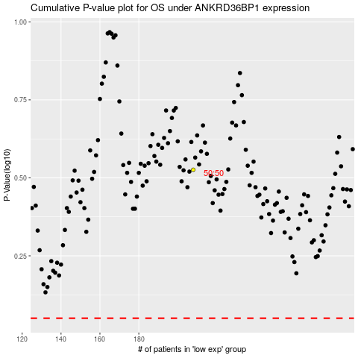

 |  |  |  |  |  | cases_OS | p_OS | rank | exp
 |  |  |  |  |  |  | cases_RFS | p_RFS | rank | exp

