ANKRD37 _multivariate
Reported by Tex Li-Hsing Chi. tex@gate.sinica.edu.tw 2019-08-22

Table 2. The clinicopathological features of HNSCC cohort and ANKRD37 expression. (Chi square test)
Cutoff at -0.296 (50.0%)
 |  | ANKRD37 expression |  | ANKRD37 expression |  | (Optimised)
 | Features | Low | (%) | High | (%) | Case no | P-value | Remark | Matthews
Gender | Female | 148 | 35.7 | 158 | 38.1 | 415 | 0.3567 | 0 | 0
2 | Male | 59 | 14.2 | 50 | 12
Age at diagnosis | <=65y | 134 | 32.3 | 140 | 33.7 | 415 | 0.6529 | 0 | 0
4 | >65y | 73 | 17.6 | 68 | 16.4
Clinical T Status | T1+T2 | 81 | 19.5 | 68 | 16.4 | 415 | 0.206 | 0 | 0
6 | T3+T4 | 126 | 30.4 | 140 | 33.7
Clinical N Status | N0 | 114 | 27.5 | 102 | 24.6 | 415 | 0.2576 | 1 | 0
8 | N1-3 | 93 | 22.4 | 106 | 25.5
Clinical M Status | M0 | 205 | 49.4 | 207 | 49.9 | 415 | 0.6232 | 0 | 0
10 | M1 | 2 | 0.5 | 1 | 0.2
Clinical Stage | Stage I+II | 60 | 14.5 | 42 | 10.1 | 415 | 0.0493 | 1 | 0
12 | Stage III+IV | 147 | 35.4 | 166 | 40
Surgical Margin status | Negative | 162 | 39 | 156 | 37.6 | 415 | 0.4867 | 0 | 0
14 | Positive | 45 | 10.8 | 52 | 12.5
Tobacco Exposure | Low | 89 | 21.4 | 72 | 17.3 | 415 | 0.0872 | 0 | 0
16 | High | 118 | 28.4 | 136 | 32.8

Table 3. Univariate/Multivariate Cox's proportional hazards regression analyses on OS time of ANKRD37 gene expression in HNSCC

 |  | Univariate |  |  |  | Multivariate
 | Features | HR | CI95%(L) | CI95%(H) | P-value | HR | CI95%(L) | CI95%(H) | P-value
1 | Female | 1 |  |  |  | 1
Gender | Male | 1.157 | 0.843 | 1.587 | 0.367 | 1.203 | 0.861 | 1.681 | 0.278
11 | <=65y | 1 |  |  |  | 1
Age at diagnosis | >65y | 1.329 | 0.99 | 1.784 | 0.058 | 1.387 | 1.02 | 1.887 | 0.037
12 | T1+T2 | 1 |  |  |  | 1
Clinical T Status | T3+T4 | 1.409 | 1.028 | 1.931 | 0.033 | 2.176 | 1.148 | 4.125 | 0.017
13 | N0 | 1 |  |  |  | 1
Clinical N Status | N1-3 | 1.185 | 0.89 | 1.577 | 0.246 | 1.235 | 0.865 | 1.763 | 0.246
14 | M0 | 1 |  |  |  | 1
Clinical M Status | M1 | 4.097 | 1.009 | 16.644 | 0.049 | 9.24 | 2.012 | 42.443 | 0.004
15 | Stage I+II | 1 |  |  |  | 1
Clinical Stage | Stage III+IV | 1.245 | 0.882 | 1.759 | 0.213 | 0.514 | 0.238 | 1.109 | 0.09
16 | Negative | 1 |  |  |  | 1
Surgical Margin status | Positive | 1.591 | 1.155 | 2.191 | 0.004 | 1.684 | 1.217 | 2.332 | 0.002
17 | Low | 1 |  |  |  | 1
Tobacco Exposure | High | 1.364 | 1.008 | 1.844 | 0.044 | 1.465 | 1.061 | 2.023 | 0.02
18 | Low | 1 |  |  |  | 1
RNAseq(z-score) | High | 0.96 | 0.72 | 1.28 | 0.78 | 0.936 | 0.698 | 1.256 | 0.661

Table 4. Univariate/Multivariate Cox's proportional hazards regression analyses on RFS time of ANKRD37 gene expression in HNSCC

 |  | Univariate |  |  |  | Multivariate
 | Features | HR | CI95%(L) | CI95%(H) | P-value | HR | CI95%(L) | CI95%(H) | P-value
1 | Female | 1 |  |  |  | 1
Gender | Male | 1.157 | 0.843 | 1.587 | 0.367 | 1.203 | 0.861 | 1.681 | 0.278
11 | <=65y | 1 |  |  |  | 1
Age at diagnosis | >65y | 1.329 | 0.99 | 1.784 | 0.058 | 1.387 | 1.02 | 1.887 | 0.037
12 | T1+T2 | 1 |  |  |  | 1
Clinical T Status | T3+T4 | 1.409 | 1.028 | 1.931 | 0.033 | 2.176 | 1.148 | 4.125 | 0.017
13 | N0 | 1 |  |  |  | 1
Clinical N Status | N1-3 | 1.185 | 0.89 | 1.577 | 0.246 | 1.235 | 0.865 | 1.763 | 0.246
14 | M0 | 1 |  |  |  | 1
Clinical M Status | M1 | 4.097 | 1.009 | 16.644 | 0.049 | 9.24 | 2.012 | 42.443 | 0.004
15 | Stage I+II | 1 |  |  |  | 1
Clinical Stage | Stage III+IV | 1.245 | 0.882 | 1.759 | 0.213 | 0.514 | 0.238 | 1.109 | 0.09
16 | Negative | 1 |  |  |  | 1
Surgical Margin status | Positive | 1.591 | 1.155 | 2.191 | 0.004 | 1.684 | 1.217 | 2.332 | 0.002
17 | Low | 1 |  |  |  | 1
Tobacco Exposure | High | 1.364 | 1.008 | 1.844 | 0.044 | 1.465 | 1.061 | 2.023 | 0.02
18 | Low | 1 |  |  |  | 1
RNAseq(z-score) | High | 0.96 | 0.72 | 1.28 | 0.78 | 0.936 | 0.698 | 1.256 | 0.661

Kaplan-Meier survival estimate: Cutoff at -0.296 (50.0%)



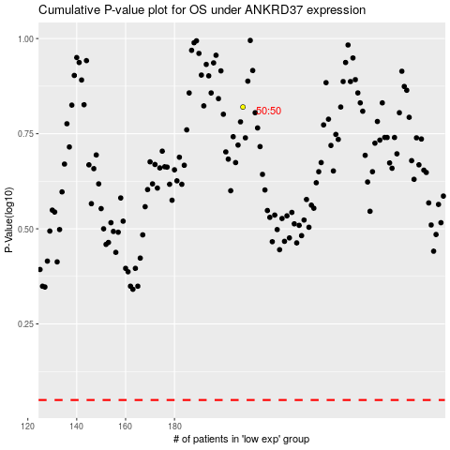

 |  |  |  |  |  | cases_OS | p_OS | rank | exp
 |  |  |  |  |  |  | cases_RFS | p_RFS | rank | exp

