ANKRD40 _multivariate
Reported by Tex Li-Hsing Chi. tex@gate.sinica.edu.tw 2019-08-22

Table 2. The clinicopathological features of HNSCC cohort and ANKRD40 expression. (Chi square test)
Cutoff at -0.373 (32.1%)
 |  | ANKRD40 expression |  | ANKRD40 expression |  | (Optimised)
 | Features | Low | (%) | High | (%) | Case no | P-value | Remark | Matthews
Gender | Female | 92 | 22.2 | 214 | 51.6 | 415 | 0.1833 | 0 | 0
2 | Male | 41 | 9.9 | 68 | 16.4
Age at diagnosis | <=65y | 87 | 21 | 187 | 45.1 | 415 | 0.9447 | 0 | 0
4 | >65y | 46 | 11.1 | 95 | 22.9
Clinical T Status | T1+T2 | 52 | 12.5 | 97 | 23.4 | 415 | 0.4111 | 0 | 0
6 | T3+T4 | 81 | 19.5 | 185 | 44.6
Clinical N Status | N0 | 69 | 16.6 | 147 | 35.4 | 415 | 1 | 0 | 0
8 | N1-3 | 64 | 15.4 | 135 | 32.5
Clinical M Status | M0 | 132 | 31.8 | 280 | 67.5 | 415 | 1 | 0 | 0
10 | M1 | 1 | 0.2 | 2 | 0.5
Clinical Stage | Stage I+II | 32 | 7.7 | 70 | 16.9 | 415 | 0.9631 | 0 | 0
12 | Stage III+IV | 101 | 24.3 | 212 | 51.1
Surgical Margin status | Negative | 98 | 23.6 | 220 | 53 | 415 | 0.3843 | 0 | 0
14 | Positive | 35 | 8.4 | 62 | 14.9
Tobacco Exposure | Low | 71 | 17.1 | 90 | 21.7 | 415 | 0 | 1 | 0
16 | High | 62 | 14.9 | 192 | 46.3

Table 3. Univariate/Multivariate Cox's proportional hazards regression analyses on OS time of ANKRD40 gene expression in HNSCC

 |  | Univariate |  |  |  | Multivariate
 | Features | HR | CI95%(L) | CI95%(H) | P-value | HR | CI95%(L) | CI95%(H) | P-value
1 | Female | 1 |  |  |  | 1
Gender | Male | 1.157 | 0.843 | 1.587 | 0.367 | 1.259 | 0.899 | 1.762 | 0.18
11 | <=65y | 1 |  |  |  | 1
Age at diagnosis | >65y | 1.329 | 0.99 | 1.784 | 0.058 | 1.36 | 0.999 | 1.851 | 0.051
12 | T1+T2 | 1 |  |  |  | 1
Clinical T Status | T3+T4 | 1.409 | 1.028 | 1.931 | 0.033 | 2.105 | 1.111 | 3.987 | 0.022
13 | N0 | 1 |  |  |  | 1
Clinical N Status | N1-3 | 1.185 | 0.89 | 1.577 | 0.246 | 1.242 | 0.87 | 1.774 | 0.233
14 | M0 | 1 |  |  |  | 1
Clinical M Status | M1 | 4.097 | 1.009 | 16.644 | 0.049 | 9.469 | 2.065 | 43.413 | 0.004
15 | Stage I+II | 1 |  |  |  | 1
Clinical Stage | Stage III+IV | 1.245 | 0.882 | 1.759 | 0.213 | 0.527 | 0.245 | 1.133 | 0.101
16 | Negative | 1 |  |  |  | 1
Surgical Margin status | Positive | 1.591 | 1.155 | 2.191 | 0.004 | 1.736 | 1.253 | 2.405 | 0.001
17 | Low | 1 |  |  |  | 1
Tobacco Exposure | High | 1.364 | 1.008 | 1.844 | 0.044 | 1.402 | 1.016 | 1.935 | 0.04
18 | Low | 1 |  |  |  | 1
RNAseq(z-score) | High | 1.391 | 1.002 | 1.931 | 0.049 | 1.404 | 1.001 | 1.97 | 0.049

Table 4. Univariate/Multivariate Cox's proportional hazards regression analyses on RFS time of ANKRD40 gene expression in HNSCC

 |  | Univariate |  |  |  | Multivariate
 | Features | HR | CI95%(L) | CI95%(H) | P-value | HR | CI95%(L) | CI95%(H) | P-value
1 | Female | 1 |  |  |  | 1
Gender | Male | 1.157 | 0.843 | 1.587 | 0.367 | 1.259 | 0.899 | 1.762 | 0.18
11 | <=65y | 1 |  |  |  | 1
Age at diagnosis | >65y | 1.329 | 0.99 | 1.784 | 0.058 | 1.36 | 0.999 | 1.851 | 0.051
12 | T1+T2 | 1 |  |  |  | 1
Clinical T Status | T3+T4 | 1.409 | 1.028 | 1.931 | 0.033 | 2.105 | 1.111 | 3.987 | 0.022
13 | N0 | 1 |  |  |  | 1
Clinical N Status | N1-3 | 1.185 | 0.89 | 1.577 | 0.246 | 1.242 | 0.87 | 1.774 | 0.233
14 | M0 | 1 |  |  |  | 1
Clinical M Status | M1 | 4.097 | 1.009 | 16.644 | 0.049 | 9.469 | 2.065 | 43.413 | 0.004
15 | Stage I+II | 1 |  |  |  | 1
Clinical Stage | Stage III+IV | 1.245 | 0.882 | 1.759 | 0.213 | 0.527 | 0.245 | 1.133 | 0.101
16 | Negative | 1 |  |  |  | 1
Surgical Margin status | Positive | 1.591 | 1.155 | 2.191 | 0.004 | 1.736 | 1.253 | 2.405 | 0.001
17 | Low | 1 |  |  |  | 1
Tobacco Exposure | High | 1.364 | 1.008 | 1.844 | 0.044 | 1.402 | 1.016 | 1.935 | 0.04
18 | Low | 1 |  |  |  | 1
RNAseq(z-score) | High | 1.391 | 1.002 | 1.931 | 0.049 | 1.404 | 1.001 | 1.97 | 0.049

Kaplan-Meier survival estimate: Cutoff at -0.373 (32.1%)

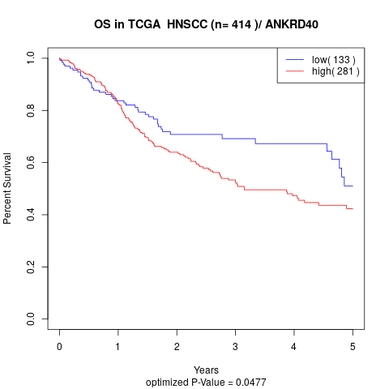

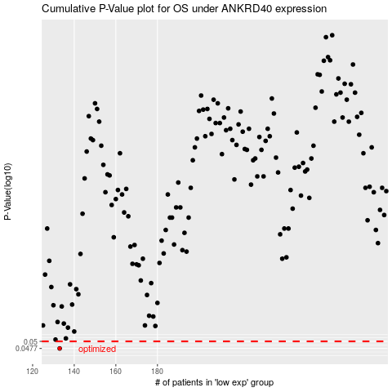

 |  |  |  |  |  | cases_OS | p_OS | rank | exp
 |  |  |  |  |  | 133 | 0.0477 | 302 | -0.37340182946
 |  |  |  |  |  |  | cases_RFS | p_RFS | rank | exp
 |  |  |  |  |  |  | 132 | 0.0477 | 392 | -0.37955313198

