ANKRD42 _multivariate
Reported by Tex Li-Hsing Chi. tex@gate.sinica.edu.tw 2019-08-22

Table 2. The clinicopathological features of HNSCC cohort and ANKRD42 expression. (Chi square test)
Cutoff at -0.172 (50.0%)
 |  | ANKRD42 expression |  | ANKRD42 expression |  | (Optimised)
 | Features | Low | (%) | High | (%) | Case no | P-value | Remark | Matthews
Gender | Female | 158 | 38.1 | 148 | 35.7 | 415 | 0.2774 | 0 | 0
2 | Male | 49 | 11.8 | 60 | 14.5
Age at diagnosis | <=65y | 137 | 33 | 137 | 33 | 415 | 1 | 0 | 0
4 | >65y | 70 | 16.9 | 71 | 17.1
Clinical T Status | T1+T2 | 74 | 17.8 | 75 | 18.1 | 415 | 1 | 0 | 0
6 | T3+T4 | 133 | 32 | 133 | 32
Clinical N Status | N0 | 100 | 24.1 | 116 | 28 | 415 | 0.1548 | 0 | 0
8 | N1-3 | 107 | 25.8 | 92 | 22.2
Clinical M Status | M0 | 204 | 49.2 | 208 | 50.1 | 415 | 0.1232 | 0 | 0
10 | M1 | 3 | 0.7 | 0 | 0
Clinical Stage | Stage I+II | 48 | 11.6 | 54 | 13 | 415 | 0.5878 | 0 | 0
12 | Stage III+IV | 159 | 38.3 | 154 | 37.1
Surgical Margin status | Negative | 157 | 37.8 | 161 | 38.8 | 415 | 0.729 | 0 | 0
14 | Positive | 50 | 12 | 47 | 11.3
Tobacco Exposure | Low | 68 | 16.4 | 93 | 22.4 | 415 | 0.0156 | 1 | 0
16 | High | 139 | 33.5 | 115 | 27.7

Table 3. Univariate/Multivariate Cox's proportional hazards regression analyses on OS time of ANKRD42 gene expression in HNSCC

 |  | Univariate |  |  |  | Multivariate
 | Features | HR | CI95%(L) | CI95%(H) | P-value | HR | CI95%(L) | CI95%(H) | P-value
1 | Female | 1 |  |  |  | 1
Gender | Male | 1.157 | 0.843 | 1.587 | 0.367 | 1.202 | 0.86 | 1.68 | 0.281
11 | <=65y | 1 |  |  |  | 1
Age at diagnosis | >65y | 1.329 | 0.99 | 1.784 | 0.058 | 1.394 | 1.025 | 1.895 | 0.034
12 | T1+T2 | 1 |  |  |  | 1
Clinical T Status | T3+T4 | 1.409 | 1.028 | 1.931 | 0.033 | 2.198 | 1.162 | 4.156 | 0.015
13 | N0 | 1 |  |  |  | 1
Clinical N Status | N1-3 | 1.185 | 0.89 | 1.577 | 0.246 | 1.242 | 0.87 | 1.772 | 0.233
14 | M0 | 1 |  |  |  | 1
Clinical M Status | M1 | 4.097 | 1.009 | 16.644 | 0.049 | 9.117 | 1.975 | 42.082 | 0.005
15 | Stage I+II | 1 |  |  |  | 1
Clinical Stage | Stage III+IV | 1.245 | 0.882 | 1.759 | 0.213 | 0.504 | 0.235 | 1.081 | 0.079
16 | Negative | 1 |  |  |  | 1
Surgical Margin status | Positive | 1.591 | 1.155 | 2.191 | 0.004 | 1.675 | 1.212 | 2.315 | 0.002
17 | Low | 1 |  |  |  | 1
Tobacco Exposure | High | 1.364 | 1.008 | 1.844 | 0.044 | 1.447 | 1.049 | 1.995 | 0.024
18 | Low | 1 |  |  |  | 1
RNAseq(z-score) | High | 0.895 | 0.672 | 1.193 | 0.45 | 0.94 | 0.704 | 1.257 | 0.678

Table 4. Univariate/Multivariate Cox's proportional hazards regression analyses on RFS time of ANKRD42 gene expression in HNSCC

 |  | Univariate |  |  |  | Multivariate
 | Features | HR | CI95%(L) | CI95%(H) | P-value | HR | CI95%(L) | CI95%(H) | P-value
1 | Female | 1 |  |  |  | 1
Gender | Male | 1.157 | 0.843 | 1.587 | 0.367 | 1.202 | 0.86 | 1.68 | 0.281
11 | <=65y | 1 |  |  |  | 1
Age at diagnosis | >65y | 1.329 | 0.99 | 1.784 | 0.058 | 1.394 | 1.025 | 1.895 | 0.034
12 | T1+T2 | 1 |  |  |  | 1
Clinical T Status | T3+T4 | 1.409 | 1.028 | 1.931 | 0.033 | 2.198 | 1.162 | 4.156 | 0.015
13 | N0 | 1 |  |  |  | 1
Clinical N Status | N1-3 | 1.185 | 0.89 | 1.577 | 0.246 | 1.242 | 0.87 | 1.772 | 0.233
14 | M0 | 1 |  |  |  | 1
Clinical M Status | M1 | 4.097 | 1.009 | 16.644 | 0.049 | 9.117 | 1.975 | 42.082 | 0.005
15 | Stage I+II | 1 |  |  |  | 1
Clinical Stage | Stage III+IV | 1.245 | 0.882 | 1.759 | 0.213 | 0.504 | 0.235 | 1.081 | 0.079
16 | Negative | 1 |  |  |  | 1
Surgical Margin status | Positive | 1.591 | 1.155 | 2.191 | 0.004 | 1.675 | 1.212 | 2.315 | 0.002
17 | Low | 1 |  |  |  | 1
Tobacco Exposure | High | 1.364 | 1.008 | 1.844 | 0.044 | 1.447 | 1.049 | 1.995 | 0.024
18 | Low | 1 |  |  |  | 1
RNAseq(z-score) | High | 0.895 | 0.672 | 1.193 | 0.45 | 0.94 | 0.704 | 1.257 | 0.678

Kaplan-Meier survival estimate: Cutoff at -0.172 (50.0%)



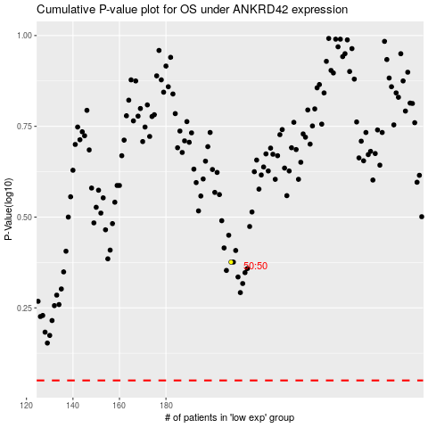

 |  |  |  |  |  | cases_OS | p_OS | rank | exp
 |  |  |  |  |  |  | cases_RFS | p_RFS | rank | exp

