ANKRD45 _multivariate
Reported by Tex Li-Hsing Chi. tex@gate.sinica.edu.tw 2019-08-22

Table 2. The clinicopathological features of HNSCC cohort and ANKRD45 expression. (Chi square test)
Cutoff at -0.197 (49.8%)
 |  | ANKRD45 expression |  | ANKRD45 expression |  | (Optimised)
 | Features | Low | (%) | High | (%) | Case no | P-value | Remark | Matthews
Gender | Female | 158 | 38.1 | 148 | 35.7 | 415 | 0.2774 | 0 | 0
2 | Male | 49 | 11.8 | 60 | 14.5
Age at diagnosis | <=65y | 132 | 31.8 | 142 | 34.2 | 415 | 0.3874 | 0 | 0
4 | >65y | 75 | 18.1 | 66 | 15.9
Clinical T Status | T1+T2 | 80 | 19.3 | 69 | 16.6 | 415 | 0.2891 | 0 | 0
6 | T3+T4 | 127 | 30.6 | 139 | 33.5
Clinical N Status | N0 | 102 | 24.6 | 114 | 27.5 | 415 | 0.3031 | 0 | 0
8 | N1-3 | 105 | 25.3 | 94 | 22.7
Clinical M Status | M0 | 206 | 49.6 | 206 | 49.6 | 415 | 1 | 0 | 0
10 | M1 | 1 | 0.2 | 2 | 0.5
Clinical Stage | Stage I+II | 53 | 12.8 | 49 | 11.8 | 415 | 0.7113 | 0 | 0
12 | Stage III+IV | 154 | 37.1 | 159 | 38.3
Surgical Margin status | Negative | 155 | 37.3 | 163 | 39.3 | 415 | 0.4187 | 0 | 0
14 | Positive | 52 | 12.5 | 45 | 10.8
Tobacco Exposure | Low | 87 | 21 | 74 | 17.8 | 415 | 0.1911 | 0 | 0
16 | High | 120 | 28.9 | 134 | 32.3

Table 3. Univariate/Multivariate Cox's proportional hazards regression analyses on OS time of ANKRD45 gene expression in HNSCC

 |  | Univariate |  |  |  | Multivariate
 | Features | HR | CI95%(L) | CI95%(H) | P-value | HR | CI95%(L) | CI95%(H) | P-value
1 | Female | 1 |  |  |  | 1
Gender | Male | 1.157 | 0.843 | 1.587 | 0.367 | 1.211 | 0.865 | 1.695 | 0.264
11 | <=65y | 1 |  |  |  | 1
Age at diagnosis | >65y | 1.329 | 0.99 | 1.784 | 0.058 | 1.388 | 1.021 | 1.887 | 0.036
12 | T1+T2 | 1 |  |  |  | 1
Clinical T Status | T3+T4 | 1.409 | 1.028 | 1.931 | 0.033 | 2.218 | 1.172 | 4.197 | 0.014
13 | N0 | 1 |  |  |  | 1
Clinical N Status | N1-3 | 1.185 | 0.89 | 1.577 | 0.246 | 1.234 | 0.865 | 1.763 | 0.246
14 | M0 | 1 |  |  |  | 1
Clinical M Status | M1 | 4.097 | 1.009 | 16.644 | 0.049 | 9.693 | 2.104 | 44.654 | 0.004
15 | Stage I+II | 1 |  |  |  | 1
Clinical Stage | Stage III+IV | 1.245 | 0.882 | 1.759 | 0.213 | 0.505 | 0.235 | 1.085 | 0.08
16 | Negative | 1 |  |  |  | 1
Surgical Margin status | Positive | 1.591 | 1.155 | 2.191 | 0.004 | 1.669 | 1.208 | 2.306 | 0.002
17 | Low | 1 |  |  |  | 1
Tobacco Exposure | High | 1.364 | 1.008 | 1.844 | 0.044 | 1.457 | 1.057 | 2.009 | 0.022
18 | Low | 1 |  |  |  | 1
RNAseq(z-score) | High | 0.97 | 0.727 | 1.295 | 0.839 | 0.932 | 0.695 | 1.248 | 0.635

Table 4. Univariate/Multivariate Cox's proportional hazards regression analyses on RFS time of ANKRD45 gene expression in HNSCC

 |  | Univariate |  |  |  | Multivariate
 | Features | HR | CI95%(L) | CI95%(H) | P-value | HR | CI95%(L) | CI95%(H) | P-value
1 | Female | 1 |  |  |  | 1
Gender | Male | 1.157 | 0.843 | 1.587 | 0.367 | 1.211 | 0.865 | 1.695 | 0.264
11 | <=65y | 1 |  |  |  | 1
Age at diagnosis | >65y | 1.329 | 0.99 | 1.784 | 0.058 | 1.388 | 1.021 | 1.887 | 0.036
12 | T1+T2 | 1 |  |  |  | 1
Clinical T Status | T3+T4 | 1.409 | 1.028 | 1.931 | 0.033 | 2.218 | 1.172 | 4.197 | 0.014
13 | N0 | 1 |  |  |  | 1
Clinical N Status | N1-3 | 1.185 | 0.89 | 1.577 | 0.246 | 1.234 | 0.865 | 1.763 | 0.246
14 | M0 | 1 |  |  |  | 1
Clinical M Status | M1 | 4.097 | 1.009 | 16.644 | 0.049 | 9.693 | 2.104 | 44.654 | 0.004
15 | Stage I+II | 1 |  |  |  | 1
Clinical Stage | Stage III+IV | 1.245 | 0.882 | 1.759 | 0.213 | 0.505 | 0.235 | 1.085 | 0.08
16 | Negative | 1 |  |  |  | 1
Surgical Margin status | Positive | 1.591 | 1.155 | 2.191 | 0.004 | 1.669 | 1.208 | 2.306 | 0.002
17 | Low | 1 |  |  |  | 1
Tobacco Exposure | High | 1.364 | 1.008 | 1.844 | 0.044 | 1.457 | 1.057 | 2.009 | 0.022
18 | Low | 1 |  |  |  | 1
RNAseq(z-score) | High | 0.97 | 0.727 | 1.295 | 0.839 | 0.932 | 0.695 | 1.248 | 0.635

Kaplan-Meier survival estimate: Cutoff at -0.197 (49.8%)



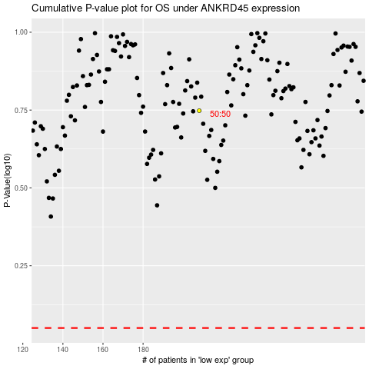

 |  |  |  |  |  | cases_OS | p_OS | rank | exp
 |  |  |  |  |  |  | cases_RFS | p_RFS | rank | exp

