ANKRD49 _multivariate
Reported by Tex Li-Hsing Chi. tex@gate.sinica.edu.tw 2019-08-22

Table 2. The clinicopathological features of HNSCC cohort and ANKRD49 expression. (Chi square test)
Cutoff at -0.209 (49.8%)
 |  | ANKRD49 expression |  | ANKRD49 expression |  | (Optimised)
 | Features | Low | (%) | High | (%) | Case no | P-value | Remark | Matthews
Gender | Female | 154 | 37.1 | 152 | 36.6 | 415 | 0.8463 | 0 | 0
2 | Male | 53 | 12.8 | 56 | 13.5
Age at diagnosis | <=65y | 132 | 31.8 | 142 | 34.2 | 415 | 0.3874 | 0 | 0
4 | >65y | 75 | 18.1 | 66 | 15.9
Clinical T Status | T1+T2 | 71 | 17.1 | 78 | 18.8 | 415 | 0.5638 | 0 | 0
6 | T3+T4 | 136 | 32.8 | 130 | 31.3
Clinical N Status | N0 | 92 | 22.2 | 124 | 29.9 | 415 | 0.0027 | 1 | 0
8 | N1-3 | 115 | 27.7 | 84 | 20.2
Clinical M Status | M0 | 206 | 49.6 | 206 | 49.6 | 415 | 1 | 0 | 0
10 | M1 | 1 | 0.2 | 2 | 0.5
Clinical Stage | Stage I+II | 47 | 11.3 | 55 | 13.3 | 415 | 0.4413 | 0 | 0
12 | Stage III+IV | 160 | 38.6 | 153 | 36.9
Surgical Margin status | Negative | 164 | 39.5 | 154 | 37.1 | 415 | 0.2462 | 0 | 0
14 | Positive | 43 | 10.4 | 54 | 13
Tobacco Exposure | Low | 76 | 18.3 | 85 | 20.5 | 415 | 0.4207 | 0 | 0
16 | High | 131 | 31.6 | 123 | 29.6

Table 3. Univariate/Multivariate Cox's proportional hazards regression analyses on OS time of ANKRD49 gene expression in HNSCC

 |  | Univariate |  |  |  | Multivariate
 | Features | HR | CI95%(L) | CI95%(H) | P-value | HR | CI95%(L) | CI95%(H) | P-value
1 | Female | 1 |  |  |  | 1
Gender | Male | 1.157 | 0.843 | 1.587 | 0.367 | 1.201 | 0.86 | 1.677 | 0.283
11 | <=65y | 1 |  |  |  | 1
Age at diagnosis | >65y | 1.329 | 0.99 | 1.784 | 0.058 | 1.4 | 1.028 | 1.907 | 0.033
12 | T1+T2 | 1 |  |  |  | 1
Clinical T Status | T3+T4 | 1.409 | 1.028 | 1.931 | 0.033 | 2.225 | 1.173 | 4.219 | 0.014
13 | N0 | 1 |  |  |  | 1
Clinical N Status | N1-3 | 1.185 | 0.89 | 1.577 | 0.246 | 1.259 | 0.874 | 1.815 | 0.216
14 | M0 | 1 |  |  |  | 1
Clinical M Status | M1 | 4.097 | 1.009 | 16.644 | 0.049 | 9.378 | 2.045 | 43 | 0.004
15 | Stage I+II | 1 |  |  |  | 1
Clinical Stage | Stage III+IV | 1.245 | 0.882 | 1.759 | 0.213 | 0.498 | 0.231 | 1.073 | 0.075
16 | Negative | 1 |  |  |  | 1
Surgical Margin status | Positive | 1.591 | 1.155 | 2.191 | 0.004 | 1.662 | 1.201 | 2.301 | 0.002
17 | Low | 1 |  |  |  | 1
Tobacco Exposure | High | 1.364 | 1.008 | 1.844 | 0.044 | 1.454 | 1.055 | 2.002 | 0.022
18 | Low | 1 |  |  |  | 1
RNAseq(z-score) | High | 0.99 | 0.743 | 1.318 | 0.943 | 1.053 | 0.78 | 1.422 | 0.735

Table 4. Univariate/Multivariate Cox's proportional hazards regression analyses on RFS time of ANKRD49 gene expression in HNSCC

 |  | Univariate |  |  |  | Multivariate
 | Features | HR | CI95%(L) | CI95%(H) | P-value | HR | CI95%(L) | CI95%(H) | P-value
1 | Female | 1 |  |  |  | 1
Gender | Male | 1.157 | 0.843 | 1.587 | 0.367 | 1.201 | 0.86 | 1.677 | 0.283
11 | <=65y | 1 |  |  |  | 1
Age at diagnosis | >65y | 1.329 | 0.99 | 1.784 | 0.058 | 1.4 | 1.028 | 1.907 | 0.033
12 | T1+T2 | 1 |  |  |  | 1
Clinical T Status | T3+T4 | 1.409 | 1.028 | 1.931 | 0.033 | 2.225 | 1.173 | 4.219 | 0.014
13 | N0 | 1 |  |  |  | 1
Clinical N Status | N1-3 | 1.185 | 0.89 | 1.577 | 0.246 | 1.259 | 0.874 | 1.815 | 0.216
14 | M0 | 1 |  |  |  | 1
Clinical M Status | M1 | 4.097 | 1.009 | 16.644 | 0.049 | 9.378 | 2.045 | 43 | 0.004
15 | Stage I+II | 1 |  |  |  | 1
Clinical Stage | Stage III+IV | 1.245 | 0.882 | 1.759 | 0.213 | 0.498 | 0.231 | 1.073 | 0.075
16 | Negative | 1 |  |  |  | 1
Surgical Margin status | Positive | 1.591 | 1.155 | 2.191 | 0.004 | 1.662 | 1.201 | 2.301 | 0.002
17 | Low | 1 |  |  |  | 1
Tobacco Exposure | High | 1.364 | 1.008 | 1.844 | 0.044 | 1.454 | 1.055 | 2.002 | 0.022
18 | Low | 1 |  |  |  | 1
RNAseq(z-score) | High | 0.99 | 0.743 | 1.318 | 0.943 | 1.053 | 0.78 | 1.422 | 0.735

Kaplan-Meier survival estimate: Cutoff at -0.209 (49.8%)



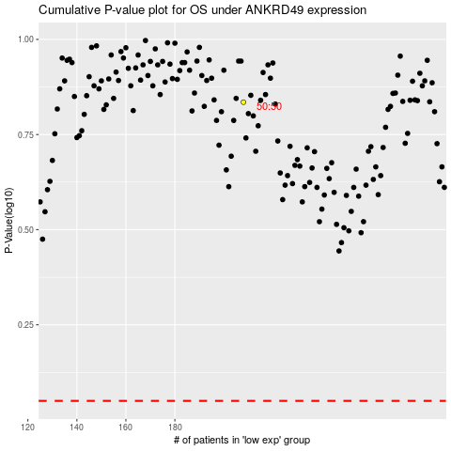

 |  |  |  |  |  | cases_OS | p_OS | rank | exp
 |  |  |  |  |  |  | cases_RFS | p_RFS | rank | exp

