ANKRD50 _multivariate
Reported by Tex Li-Hsing Chi. tex@gate.sinica.edu.tw 2019-08-22

Table 2. The clinicopathological features of HNSCC cohort and ANKRD50 expression. (Chi square test)
Cutoff at 0.018 (55.8%)
 |  | ANKRD50 expression |  | ANKRD50 expression |  | (Optimised)
 | Features | Low | (%) | High | (%) | Case no | P-value | Remark | Matthews
Gender | Female | 181 | 43.6 | 125 | 30.1 | 415 | 0.034 | 1 | 0
2 | Male | 51 | 12.3 | 58 | 14
Age at diagnosis | <=65y | 152 | 36.6 | 122 | 29.4 | 415 | 0.8878 | 0 | 0
4 | >65y | 80 | 19.3 | 61 | 14.7
Clinical T Status | T1+T2 | 87 | 21 | 62 | 14.9 | 415 | 0.5091 | 0 | 0
6 | T3+T4 | 145 | 34.9 | 121 | 29.2
Clinical N Status | N0 | 120 | 28.9 | 96 | 23.1 | 415 | 0.9603 | 0 | 0
8 | N1-3 | 112 | 27 | 87 | 21
Clinical M Status | M0 | 229 | 55.2 | 183 | 44.1 | 415 | 0.2587 | 0 | 0
10 | M1 | 3 | 0.7 | 0 | 0
Clinical Stage | Stage I+II | 56 | 13.5 | 46 | 11.1 | 415 | 0.9046 | 0 | 0
12 | Stage III+IV | 176 | 42.4 | 137 | 33
Surgical Margin status | Negative | 166 | 40 | 152 | 36.6 | 415 | 0.0071 | 1 | 0
14 | Positive | 66 | 15.9 | 31 | 7.5
Tobacco Exposure | Low | 98 | 23.6 | 63 | 15.2 | 415 | 0.128 | 0 | 0
16 | High | 134 | 32.3 | 120 | 28.9

Table 3. Univariate/Multivariate Cox's proportional hazards regression analyses on OS time of ANKRD50 gene expression in HNSCC

 |  | Univariate |  |  |  | Multivariate
 | Features | HR | CI95%(L) | CI95%(H) | P-value | HR | CI95%(L) | CI95%(H) | P-value
1 | Female | 1 |  |  |  | 1
Gender | Male | 1.157 | 0.843 | 1.587 | 0.367 | 1.158 | 0.829 | 1.617 | 0.391
11 | <=65y | 1 |  |  |  | 1
Age at diagnosis | >65y | 1.329 | 0.99 | 1.784 | 0.058 | 1.43 | 1.051 | 1.948 | 0.023
12 | T1+T2 | 1 |  |  |  | 1
Clinical T Status | T3+T4 | 1.409 | 1.028 | 1.931 | 0.033 | 2.166 | 1.146 | 4.096 | 0.017
13 | N0 | 1 |  |  |  | 1
Clinical N Status | N1-3 | 1.185 | 0.89 | 1.577 | 0.246 | 1.233 | 0.864 | 1.758 | 0.249
14 | M0 | 1 |  |  |  | 1
Clinical M Status | M1 | 4.097 | 1.009 | 16.644 | 0.049 | 11.043 | 2.394 | 50.943 | 0.002
15 | Stage I+II | 1 |  |  |  | 1
Clinical Stage | Stage III+IV | 1.245 | 0.882 | 1.759 | 0.213 | 0.52 | 0.242 | 1.114 | 0.093
16 | Negative | 1 |  |  |  | 1
Surgical Margin status | Positive | 1.591 | 1.155 | 2.191 | 0.004 | 1.815 | 1.304 | 2.528 | 0
17 | Low | 1 |  |  |  | 1
Tobacco Exposure | High | 1.364 | 1.008 | 1.844 | 0.044 | 1.394 | 1.011 | 1.923 | 0.043
18 | Low | 1 |  |  |  | 1
RNAseq(z-score) | High | 1.345 | 1.007 | 1.796 | 0.045 | 1.454 | 1.076 | 1.965 | 0.015

Table 4. Univariate/Multivariate Cox's proportional hazards regression analyses on RFS time of ANKRD50 gene expression in HNSCC

 |  | Univariate |  |  |  | Multivariate
 | Features | HR | CI95%(L) | CI95%(H) | P-value | HR | CI95%(L) | CI95%(H) | P-value
1 | Female | 1 |  |  |  | 1
Gender | Male | 1.157 | 0.843 | 1.587 | 0.367 | 1.158 | 0.829 | 1.617 | 0.391
11 | <=65y | 1 |  |  |  | 1
Age at diagnosis | >65y | 1.329 | 0.99 | 1.784 | 0.058 | 1.43 | 1.051 | 1.948 | 0.023
12 | T1+T2 | 1 |  |  |  | 1
Clinical T Status | T3+T4 | 1.409 | 1.028 | 1.931 | 0.033 | 2.166 | 1.146 | 4.096 | 0.017
13 | N0 | 1 |  |  |  | 1
Clinical N Status | N1-3 | 1.185 | 0.89 | 1.577 | 0.246 | 1.233 | 0.864 | 1.758 | 0.249
14 | M0 | 1 |  |  |  | 1
Clinical M Status | M1 | 4.097 | 1.009 | 16.644 | 0.049 | 11.043 | 2.394 | 50.943 | 0.002
15 | Stage I+II | 1 |  |  |  | 1
Clinical Stage | Stage III+IV | 1.245 | 0.882 | 1.759 | 0.213 | 0.52 | 0.242 | 1.114 | 0.093
16 | Negative | 1 |  |  |  | 1
Surgical Margin status | Positive | 1.591 | 1.155 | 2.191 | 0.004 | 1.815 | 1.304 | 2.528 | 0
17 | Low | 1 |  |  |  | 1
Tobacco Exposure | High | 1.364 | 1.008 | 1.844 | 0.044 | 1.394 | 1.011 | 1.923 | 0.043
18 | Low | 1 |  |  |  | 1
RNAseq(z-score) | High | 1.345 | 1.007 | 1.796 | 0.045 | 1.454 | 1.076 | 1.965 | 0.015

Kaplan-Meier survival estimate: Cutoff at 0.018 (55.8%)



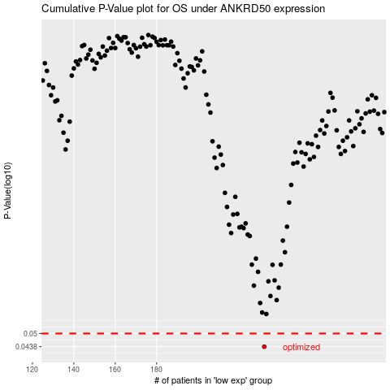

 |  |  |  |  |  | cases_OS | p_OS | rank | exp
 |  |  |  |  |  | 232 | 0.0438 | 124 | 0.018424361193
 |  |  |  |  |  |  | cases_RFS | p_RFS | rank | exp
 |  |  |  |  |  |  | 231 | 0.0438 | 362 | 0.015322038364

