ANKRD52 _multivariate
Reported by Tex Li-Hsing Chi. tex@gate.sinica.edu.tw 2019-08-22

Table 2. The clinicopathological features of HNSCC cohort and ANKRD52 expression. (Chi square test)
Cutoff at -0.086 (50.0%)
 |  | ANKRD52 expression |  | ANKRD52 expression |  | (Optimised)
 | Features | Low | (%) | High | (%) | Case no | P-value | Remark | Matthews
Gender | Female | 156 | 37.6 | 150 | 36.1 | 415 | 0.5222 | 0 | 0
2 | Male | 51 | 12.3 | 58 | 14
Age at diagnosis | <=65y | 142 | 34.2 | 132 | 31.8 | 415 | 0.3167 | 0 | 0
4 | >65y | 65 | 15.7 | 76 | 18.3
Clinical T Status | T1+T2 | 68 | 16.4 | 81 | 19.5 | 415 | 0.2336 | 0 | 0
6 | T3+T4 | 139 | 33.5 | 127 | 30.6
Clinical N Status | N0 | 111 | 26.7 | 105 | 25.3 | 415 | 0.5875 | 0 | 0
8 | N1-3 | 96 | 23.1 | 103 | 24.8
Clinical M Status | M0 | 206 | 49.6 | 206 | 49.6 | 415 | 1 | 0 | 0
10 | M1 | 1 | 0.2 | 2 | 0.5
Clinical Stage | Stage I+II | 42 | 10.1 | 60 | 14.5 | 415 | 0.0561 | 0 | 0
12 | Stage III+IV | 165 | 39.8 | 148 | 35.7
Surgical Margin status | Negative | 150 | 36.1 | 168 | 40.5 | 415 | 0.0492 | 1 | 0
14 | Positive | 57 | 13.7 | 40 | 9.6
Tobacco Exposure | Low | 84 | 20.2 | 77 | 18.6 | 415 | 0.4816 | 0 | 0
16 | High | 123 | 29.6 | 131 | 31.6

Table 3. Univariate/Multivariate Cox's proportional hazards regression analyses on OS time of ANKRD52 gene expression in HNSCC

 |  | Univariate |  |  |  | Multivariate
 | Features | HR | CI95%(L) | CI95%(H) | P-value | HR | CI95%(L) | CI95%(H) | P-value
1 | Female | 1 |  |  |  | 1
Gender | Male | 1.157 | 0.843 | 1.587 | 0.367 | 1.2 | 0.858 | 1.679 | 0.286
11 | <=65y | 1 |  |  |  | 1
Age at diagnosis | >65y | 1.329 | 0.99 | 1.784 | 0.058 | 1.394 | 1.022 | 1.902 | 0.036
12 | T1+T2 | 1 |  |  |  | 1
Clinical T Status | T3+T4 | 1.409 | 1.028 | 1.931 | 0.033 | 2.205 | 1.165 | 4.174 | 0.015
13 | N0 | 1 |  |  |  | 1
Clinical N Status | N1-3 | 1.185 | 0.89 | 1.577 | 0.246 | 1.243 | 0.868 | 1.78 | 0.235
14 | M0 | 1 |  |  |  | 1
Clinical M Status | M1 | 4.097 | 1.009 | 16.644 | 0.049 | 9.422 | 2.054 | 43.22 | 0.004
15 | Stage I+II | 1 |  |  |  | 1
Clinical Stage | Stage III+IV | 1.245 | 0.882 | 1.759 | 0.213 | 0.502 | 0.232 | 1.087 | 0.081
16 | Negative | 1 |  |  |  | 1
Surgical Margin status | Positive | 1.591 | 1.155 | 2.191 | 0.004 | 1.669 | 1.204 | 2.313 | 0.002
17 | Low | 1 |  |  |  | 1
Tobacco Exposure | High | 1.364 | 1.008 | 1.844 | 0.044 | 1.453 | 1.055 | 2.003 | 0.022
18 | Low | 1 |  |  |  | 1
RNAseq(z-score) | High | 0.982 | 0.738 | 1.308 | 0.903 | 0.989 | 0.734 | 1.332 | 0.941

Table 4. Univariate/Multivariate Cox's proportional hazards regression analyses on RFS time of ANKRD52 gene expression in HNSCC

 |  | Univariate |  |  |  | Multivariate
 | Features | HR | CI95%(L) | CI95%(H) | P-value | HR | CI95%(L) | CI95%(H) | P-value
1 | Female | 1 |  |  |  | 1
Gender | Male | 1.157 | 0.843 | 1.587 | 0.367 | 1.2 | 0.858 | 1.679 | 0.286
11 | <=65y | 1 |  |  |  | 1
Age at diagnosis | >65y | 1.329 | 0.99 | 1.784 | 0.058 | 1.394 | 1.022 | 1.902 | 0.036
12 | T1+T2 | 1 |  |  |  | 1
Clinical T Status | T3+T4 | 1.409 | 1.028 | 1.931 | 0.033 | 2.205 | 1.165 | 4.174 | 0.015
13 | N0 | 1 |  |  |  | 1
Clinical N Status | N1-3 | 1.185 | 0.89 | 1.577 | 0.246 | 1.243 | 0.868 | 1.78 | 0.235
14 | M0 | 1 |  |  |  | 1
Clinical M Status | M1 | 4.097 | 1.009 | 16.644 | 0.049 | 9.422 | 2.054 | 43.22 | 0.004
15 | Stage I+II | 1 |  |  |  | 1
Clinical Stage | Stage III+IV | 1.245 | 0.882 | 1.759 | 0.213 | 0.502 | 0.232 | 1.087 | 0.081
16 | Negative | 1 |  |  |  | 1
Surgical Margin status | Positive | 1.591 | 1.155 | 2.191 | 0.004 | 1.669 | 1.204 | 2.313 | 0.002
17 | Low | 1 |  |  |  | 1
Tobacco Exposure | High | 1.364 | 1.008 | 1.844 | 0.044 | 1.453 | 1.055 | 2.003 | 0.022
18 | Low | 1 |  |  |  | 1
RNAseq(z-score) | High | 0.982 | 0.738 | 1.308 | 0.903 | 0.989 | 0.734 | 1.332 | 0.941

Kaplan-Meier survival estimate: Cutoff at -0.086 (50.0%)



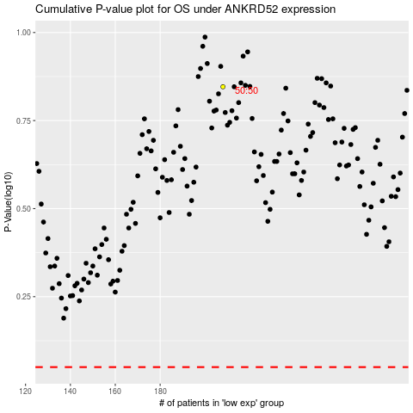

 |  |  |  |  |  | cases_OS | p_OS | rank | exp
 |  |  |  |  |  |  | cases_RFS | p_RFS | rank | exp

