ANKRD56 _multivariate
Reported by Tex Li-Hsing Chi. tex@gate.sinica.edu.tw 2019-08-22

Table 2. The clinicopathological features of HNSCC cohort and ANKRD56 expression. (Chi square test)
Cutoff at -0.36 (50.0%)
 |  | ANKRD56 expression |  | ANKRD56 expression |  | (Optimised)
 | Features | Low | (%) | High | (%) | Case no | P-value | Remark | Matthews
Gender | Female | 154 | 37.1 | 152 | 36.6 | 415 | 0.8463 | 0 | 0
2 | Male | 53 | 12.8 | 56 | 13.5
Age at diagnosis | <=65y | 136 | 32.8 | 138 | 33.3 | 415 | 0.9719 | 0 | 0
4 | >65y | 71 | 17.1 | 70 | 16.9
Clinical T Status | T1+T2 | 77 | 18.6 | 72 | 17.3 | 415 | 0.6556 | 0 | 0
6 | T3+T4 | 130 | 31.3 | 136 | 32.8
Clinical N Status | N0 | 103 | 24.8 | 113 | 27.2 | 415 | 0.4047 | 0 | 0
8 | N1-3 | 104 | 25.1 | 95 | 22.9
Clinical M Status | M0 | 206 | 49.6 | 206 | 49.6 | 415 | 1 | 0 | 0
10 | M1 | 1 | 0.2 | 2 | 0.5
Clinical Stage | Stage I+II | 53 | 12.8 | 49 | 11.8 | 415 | 0.7113 | 0 | 0
12 | Stage III+IV | 154 | 37.1 | 159 | 38.3
Surgical Margin status | Negative | 157 | 37.8 | 161 | 38.8 | 415 | 0.729 | 0 | 0
14 | Positive | 50 | 12 | 47 | 11.3
Tobacco Exposure | Low | 87 | 21 | 74 | 17.8 | 415 | 0.1911 | 0 | 0
16 | High | 120 | 28.9 | 134 | 32.3

Table 3. Univariate/Multivariate Cox's proportional hazards regression analyses on OS time of ANKRD56 gene expression in HNSCC

 |  | Univariate |  |  |  | Multivariate
 | Features | HR | CI95%(L) | CI95%(H) | P-value | HR | CI95%(L) | CI95%(H) | P-value
1 | Female | 1 |  |  |  | 1
Gender | Male | 1.157 | 0.843 | 1.587 | 0.367 | 1.198 | 0.857 | 1.675 | 0.289
11 | <=65y | 1 |  |  |  | 1
Age at diagnosis | >65y | 1.329 | 0.99 | 1.784 | 0.058 | 1.389 | 1.022 | 1.888 | 0.036
12 | T1+T2 | 1 |  |  |  | 1
Clinical T Status | T3+T4 | 1.409 | 1.028 | 1.931 | 0.033 | 2.176 | 1.15 | 4.116 | 0.017
13 | N0 | 1 |  |  |  | 1
Clinical N Status | N1-3 | 1.185 | 0.89 | 1.577 | 0.246 | 1.226 | 0.859 | 1.751 | 0.261
14 | M0 | 1 |  |  |  | 1
Clinical M Status | M1 | 4.097 | 1.009 | 16.644 | 0.049 | 9.644 | 2.102 | 44.25 | 0.004
15 | Stage I+II | 1 |  |  |  | 1
Clinical Stage | Stage III+IV | 1.245 | 0.882 | 1.759 | 0.213 | 0.52 | 0.242 | 1.12 | 0.095
16 | Negative | 1 |  |  |  | 1
Surgical Margin status | Positive | 1.591 | 1.155 | 2.191 | 0.004 | 1.65 | 1.193 | 2.283 | 0.002
17 | Low | 1 |  |  |  | 1
Tobacco Exposure | High | 1.364 | 1.008 | 1.844 | 0.044 | 1.466 | 1.063 | 2.022 | 0.02
18 | Low | 1 |  |  |  | 1
RNAseq(z-score) | High | 0.886 | 0.665 | 1.18 | 0.408 | 0.887 | 0.663 | 1.188 | 0.422

Table 4. Univariate/Multivariate Cox's proportional hazards regression analyses on RFS time of ANKRD56 gene expression in HNSCC

 |  | Univariate |  |  |  | Multivariate
 | Features | HR | CI95%(L) | CI95%(H) | P-value | HR | CI95%(L) | CI95%(H) | P-value
1 | Female | 1 |  |  |  | 1
Gender | Male | 1.157 | 0.843 | 1.587 | 0.367 | 1.198 | 0.857 | 1.675 | 0.289
11 | <=65y | 1 |  |  |  | 1
Age at diagnosis | >65y | 1.329 | 0.99 | 1.784 | 0.058 | 1.389 | 1.022 | 1.888 | 0.036
12 | T1+T2 | 1 |  |  |  | 1
Clinical T Status | T3+T4 | 1.409 | 1.028 | 1.931 | 0.033 | 2.176 | 1.15 | 4.116 | 0.017
13 | N0 | 1 |  |  |  | 1
Clinical N Status | N1-3 | 1.185 | 0.89 | 1.577 | 0.246 | 1.226 | 0.859 | 1.751 | 0.261
14 | M0 | 1 |  |  |  | 1
Clinical M Status | M1 | 4.097 | 1.009 | 16.644 | 0.049 | 9.644 | 2.102 | 44.25 | 0.004
15 | Stage I+II | 1 |  |  |  | 1
Clinical Stage | Stage III+IV | 1.245 | 0.882 | 1.759 | 0.213 | 0.52 | 0.242 | 1.12 | 0.095
16 | Negative | 1 |  |  |  | 1
Surgical Margin status | Positive | 1.591 | 1.155 | 2.191 | 0.004 | 1.65 | 1.193 | 2.283 | 0.002
17 | Low | 1 |  |  |  | 1
Tobacco Exposure | High | 1.364 | 1.008 | 1.844 | 0.044 | 1.466 | 1.063 | 2.022 | 0.02
18 | Low | 1 |  |  |  | 1
RNAseq(z-score) | High | 0.886 | 0.665 | 1.18 | 0.408 | 0.887 | 0.663 | 1.188 | 0.422

Kaplan-Meier survival estimate: Cutoff at -0.36 (50.0%)



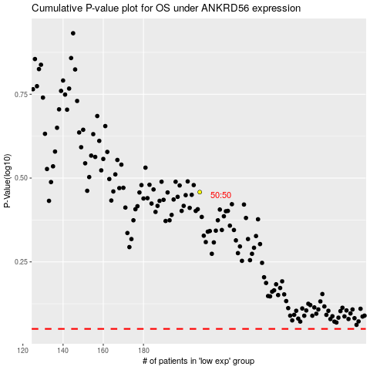

 |  |  |  |  |  | cases_OS | p_OS | rank | exp
 |  |  |  |  |  |  | cases_RFS | p_RFS | rank | exp

