ANKRD58 _multivariate
Reported by Tex Li-Hsing Chi. tex@gate.sinica.edu.tw 2019-08-22

Table 2. The clinicopathological features of HNSCC cohort and ANKRD58 expression. (Chi square test)
Cutoff at -0.111 (60.6%)
 |  | ANKRD58 expression |  | ANKRD58 expression |  | (Optimised)
 | Features | Low | (%) | High | (%) | Case no | P-value | Remark | Matthews
Gender | Female | 193 | 46.5 | 113 | 27.2 | 415 | 0.1266 | 0 | 0
2 | Male | 59 | 14.2 | 50 | 12
Age at diagnosis | <=65y | 172 | 41.4 | 102 | 24.6 | 415 | 0.2773 | 0 | 0
4 | >65y | 80 | 19.3 | 61 | 14.7
Clinical T Status | T1+T2 | 88 | 21.2 | 61 | 14.7 | 415 | 0.6787 | 0 | 0
6 | T3+T4 | 164 | 39.5 | 102 | 24.6
Clinical N Status | N0 | 140 | 33.7 | 76 | 18.3 | 415 | 0.0934 | 0 | 0
8 | N1-3 | 112 | 27 | 87 | 21
Clinical M Status | M0 | 251 | 60.5 | 161 | 38.8 | 415 | 0.5641 | 0 | 0
10 | M1 | 1 | 0.2 | 2 | 0.5
Clinical Stage | Stage I+II | 65 | 15.7 | 37 | 8.9 | 415 | 0.5497 | 0 | 0
12 | Stage III+IV | 187 | 45.1 | 126 | 30.4
Surgical Margin status | Negative | 191 | 46 | 127 | 30.6 | 415 | 0.6369 | 0 | 0
14 | Positive | 61 | 14.7 | 36 | 8.7
Tobacco Exposure | Low | 91 | 21.9 | 70 | 16.9 | 415 | 0.1804 | 0 | 0
16 | High | 161 | 38.8 | 93 | 22.4

Table 3. Univariate/Multivariate Cox's proportional hazards regression analyses on OS time of ANKRD58 gene expression in HNSCC

 |  | Univariate |  |  |  | Multivariate
 | Features | HR | CI95%(L) | CI95%(H) | P-value | HR | CI95%(L) | CI95%(H) | P-value
1 | Female | 1 |  |  |  | 1
Gender | Male | 1.157 | 0.843 | 1.587 | 0.367 | 1.213 | 0.868 | 1.695 | 0.259
11 | <=65y | 1 |  |  |  | 1
Age at diagnosis | >65y | 1.329 | 0.99 | 1.784 | 0.058 | 1.413 | 1.041 | 1.918 | 0.027
12 | T1+T2 | 1 |  |  |  | 1
Clinical T Status | T3+T4 | 1.409 | 1.028 | 1.931 | 0.033 | 2.217 | 1.171 | 4.195 | 0.014
13 | N0 | 1 |  |  |  | 1
Clinical N Status | N1-3 | 1.185 | 0.89 | 1.577 | 0.246 | 1.282 | 0.898 | 1.83 | 0.172
14 | M0 | 1 |  |  |  | 1
Clinical M Status | M1 | 4.097 | 1.009 | 16.644 | 0.049 | 10.313 | 2.245 | 47.379 | 0.003
15 | Stage I+II | 1 |  |  |  | 1
Clinical Stage | Stage III+IV | 1.245 | 0.882 | 1.759 | 0.213 | 0.492 | 0.229 | 1.056 | 0.069
16 | Negative | 1 |  |  |  | 1
Surgical Margin status | Positive | 1.591 | 1.155 | 2.191 | 0.004 | 1.689 | 1.222 | 2.336 | 0.002
17 | Low | 1 |  |  |  | 1
Tobacco Exposure | High | 1.364 | 1.008 | 1.844 | 0.044 | 1.415 | 1.026 | 1.952 | 0.034
18 | Low | 1 |  |  |  | 1
RNAseq(z-score) | High | 0.674 | 0.497 | 0.914 | 0.011 | 0.663 | 0.488 | 0.901 | 0.009

Table 4. Univariate/Multivariate Cox's proportional hazards regression analyses on RFS time of ANKRD58 gene expression in HNSCC

 |  | Univariate |  |  |  | Multivariate
 | Features | HR | CI95%(L) | CI95%(H) | P-value | HR | CI95%(L) | CI95%(H) | P-value
1 | Female | 1 |  |  |  | 1
Gender | Male | 1.157 | 0.843 | 1.587 | 0.367 | 1.213 | 0.868 | 1.695 | 0.259
11 | <=65y | 1 |  |  |  | 1
Age at diagnosis | >65y | 1.329 | 0.99 | 1.784 | 0.058 | 1.413 | 1.041 | 1.918 | 0.027
12 | T1+T2 | 1 |  |  |  | 1
Clinical T Status | T3+T4 | 1.409 | 1.028 | 1.931 | 0.033 | 2.217 | 1.171 | 4.195 | 0.014
13 | N0 | 1 |  |  |  | 1
Clinical N Status | N1-3 | 1.185 | 0.89 | 1.577 | 0.246 | 1.282 | 0.898 | 1.83 | 0.172
14 | M0 | 1 |  |  |  | 1
Clinical M Status | M1 | 4.097 | 1.009 | 16.644 | 0.049 | 10.313 | 2.245 | 47.379 | 0.003
15 | Stage I+II | 1 |  |  |  | 1
Clinical Stage | Stage III+IV | 1.245 | 0.882 | 1.759 | 0.213 | 0.492 | 0.229 | 1.056 | 0.069
16 | Negative | 1 |  |  |  | 1
Surgical Margin status | Positive | 1.591 | 1.155 | 2.191 | 0.004 | 1.689 | 1.222 | 2.336 | 0.002
17 | Low | 1 |  |  |  | 1
Tobacco Exposure | High | 1.364 | 1.008 | 1.844 | 0.044 | 1.415 | 1.026 | 1.952 | 0.034
18 | Low | 1 |  |  |  | 1
RNAseq(z-score) | High | 0.674 | 0.497 | 0.914 | 0.011 | 0.663 | 0.488 | 0.901 | 0.009

Kaplan-Meier survival estimate: Cutoff at -0.111 (60.6%)

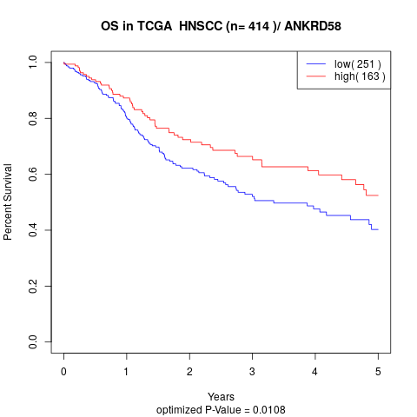

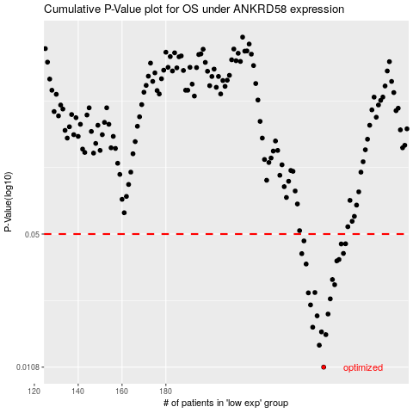

 |  |  |  |  |  | cases_OS | p_OS | rank | exp
 |  |  |  |  |  | 252 | 0.0108 | 110 | -0.11091290918
 |  |  |  |  |  | 250 | 0.0139 | 103 | -0.12489760418
 |  |  |  |  |  | 253 | 0.0157 | 6 | -0.1093677837
 |  |  |  |  |  | 251 | 0.0162 | 225 | -0.12223291744
 |  |  |  |  |  | 247 | 0.0171 | 188 | -0.13628308386
 |  |  |  |  |  | 249 | 0.0195 | 308 | -0.12780453516
 |  |  |  |  |  | 254 | 0.0199 | 18 | -0.10916482231
 |  |  |  |  |  | 246 | 0.0221 | 77 | -0.13676102521
 |  |  |  |  |  | 255 | 0.0237 | 402 | -0.10484370868
 |  |  |  |  |  | 245 | 0.0254 | 278 | -0.13805081216
 |  |  |  |  |  | 248 | 0.0255 | 185 | -0.13305534293
 |  |  |  |  |  | 257 | 0.0279 | 51 | -0.089235322509
 |  |  |  |  |  | 256 | 0.0296 | 212 | -0.095481295836
 |  |  |  |  |  | 244 | 0.0354 | 64 | -0.14191362585
 |  |  |  |  |  | 258 | 0.0367 | 13 | -0.084338060403
 |  |  |  |  |  | 259 | 0.0373 | 392 | -0.07754212716
 |  |  |  |  |  | 242 | 0.0399 | 171 | -0.14372718415
 |  |  |  |  |  | 261 | 0.04 | 386 | -0.067603565829
 |  |  |  |  |  | 260 | 0.0446 | 256 | -0.070425383967
 |  |  |  |  |  | 262 | 0.0447 | 365 | -0.059688071329
 |  |  |  |  |  | 243 | 0.0462 | 385 | -0.14238502007
 |  |  |  |  |  |  | cases_RFS | p_RFS | rank | exp
 |  |  |  |  |  |  | 251 | 0.0108 | 225 | -0.12223291744
 |  |  |  |  |  |  | 249 | 0.0139 | 308 | -0.12780453516
 |  |  |  |  |  |  | 252 | 0.0157 | 110 | -0.11091290918
 |  |  |  |  |  |  | 250 | 0.0162 | 103 | -0.12489760418
 |  |  |  |  |  |  | 246 | 0.0171 | 77 | -0.13676102521
 |  |  |  |  |  |  | 248 | 0.0195 | 185 | -0.13305534293
 |  |  |  |  |  |  | 253 | 0.0199 | 6 | -0.1093677837
 |  |  |  |  |  |  | 245 | 0.0221 | 278 | -0.13805081216
 |  |  |  |  |  |  | 254 | 0.0237 | 18 | -0.10916482231
 |  |  |  |  |  |  | 244 | 0.0254 | 64 | -0.14191362585
 |  |  |  |  |  |  | 247 | 0.0255 | 188 | -0.13628308386
 |  |  |  |  |  |  | 256 | 0.0279 | 212 | -0.095481295836
 |  |  |  |  |  |  | 255 | 0.0296 | 402 | -0.10484370868
 |  |  |  |  |  |  | 243 | 0.0354 | 385 | -0.14238502007
 |  |  |  |  |  |  | 257 | 0.0367 | 51 | -0.089235322509
 |  |  |  |  |  |  | 258 | 0.0373 | 13 | -0.084338060403
 |  |  |  |  |  |  | 241 | 0.0399 | 54 | -0.14566513813
 |  |  |  |  |  |  | 260 | 0.04 | 256 | -0.070425383967
 |  |  |  |  |  |  | 259 | 0.0446 | 392 | -0.07754212716
 |  |  |  |  |  |  | 261 | 0.0447 | 386 | -0.067603565829
 |  |  |  |  |  |  | 242 | 0.0462 | 171 | -0.14372718415

