ANKRD9 _multivariate
Reported by Tex Li-Hsing Chi. tex@gate.sinica.edu.tw 2019-08-22

Table 2. The clinicopathological features of HNSCC cohort and ANKRD9 expression. (Chi square test)
Cutoff at -0.271 (50.0%)
 |  | ANKRD9 expression |  | ANKRD9 expression |  | (Optimised)
 | Features | Low | (%) | High | (%) | Case no | P-value | Remark | Matthews
Gender | Female | 147 | 35.4 | 159 | 38.3 | 415 | 0.2523 | 0 | 0
2 | Male | 60 | 14.5 | 49 | 11.8
Age at diagnosis | <=65y | 132 | 31.8 | 142 | 34.2 | 415 | 0.3874 | 0 | 0
4 | >65y | 75 | 18.1 | 66 | 15.9
Clinical T Status | T1+T2 | 85 | 20.5 | 64 | 15.4 | 415 | 0.0372 | 1 | 0
6 | T3+T4 | 122 | 29.4 | 144 | 34.7
Clinical N Status | N0 | 101 | 24.3 | 115 | 27.7 | 415 | 0.2201 | 0 | 0
8 | N1-3 | 106 | 25.5 | 93 | 22.4
Clinical M Status | M0 | 206 | 49.6 | 206 | 49.6 | 415 | 1 | 0 | 0
10 | M1 | 1 | 0.2 | 2 | 0.5
Clinical Stage | Stage I+II | 62 | 14.9 | 40 | 9.6 | 415 | 0.0154 | 1 | 0
12 | Stage III+IV | 145 | 34.9 | 168 | 40.5
Surgical Margin status | Negative | 162 | 39 | 156 | 37.6 | 415 | 0.4867 | 0 | 0
14 | Positive | 45 | 10.8 | 52 | 12.5
Tobacco Exposure | Low | 76 | 18.3 | 85 | 20.5 | 415 | 0.4207 | 0 | 0
16 | High | 131 | 31.6 | 123 | 29.6

Table 3. Univariate/Multivariate Cox's proportional hazards regression analyses on OS time of ANKRD9 gene expression in HNSCC

 |  | Univariate |  |  |  | Multivariate
 | Features | HR | CI95%(L) | CI95%(H) | P-value | HR | CI95%(L) | CI95%(H) | P-value
1 | Female | 1 |  |  |  | 1
Gender | Male | 1.157 | 0.843 | 1.587 | 0.367 | 1.199 | 0.859 | 1.674 | 0.285
11 | <=65y | 1 |  |  |  | 1
Age at diagnosis | >65y | 1.329 | 0.99 | 1.784 | 0.058 | 1.383 | 1.018 | 1.881 | 0.038
12 | T1+T2 | 1 |  |  |  | 1
Clinical T Status | T3+T4 | 1.409 | 1.028 | 1.931 | 0.033 | 2.222 | 1.175 | 4.204 | 0.014
13 | N0 | 1 |  |  |  | 1
Clinical N Status | N1-3 | 1.185 | 0.89 | 1.577 | 0.246 | 1.19 | 0.828 | 1.71 | 0.346
14 | M0 | 1 |  |  |  | 1
Clinical M Status | M1 | 4.097 | 1.009 | 16.644 | 0.049 | 10.06 | 2.185 | 46.328 | 0.003
15 | Stage I+II | 1 |  |  |  | 1
Clinical Stage | Stage III+IV | 1.245 | 0.882 | 1.759 | 0.213 | 0.531 | 0.246 | 1.147 | 0.107
16 | Negative | 1 |  |  |  | 1
Surgical Margin status | Positive | 1.591 | 1.155 | 2.191 | 0.004 | 1.694 | 1.225 | 2.342 | 0.001
17 | Low | 1 |  |  |  | 1
Tobacco Exposure | High | 1.364 | 1.008 | 1.844 | 0.044 | 1.446 | 1.05 | 1.992 | 0.024
18 | Low | 1 |  |  |  | 1
RNAseq(z-score) | High | 0.89 | 0.667 | 1.188 | 0.429 | 0.842 | 0.624 | 1.138 | 0.263

Table 4. Univariate/Multivariate Cox's proportional hazards regression analyses on RFS time of ANKRD9 gene expression in HNSCC

 |  | Univariate |  |  |  | Multivariate
 | Features | HR | CI95%(L) | CI95%(H) | P-value | HR | CI95%(L) | CI95%(H) | P-value
1 | Female | 1 |  |  |  | 1
Gender | Male | 1.157 | 0.843 | 1.587 | 0.367 | 1.199 | 0.859 | 1.674 | 0.285
11 | <=65y | 1 |  |  |  | 1
Age at diagnosis | >65y | 1.329 | 0.99 | 1.784 | 0.058 | 1.383 | 1.018 | 1.881 | 0.038
12 | T1+T2 | 1 |  |  |  | 1
Clinical T Status | T3+T4 | 1.409 | 1.028 | 1.931 | 0.033 | 2.222 | 1.175 | 4.204 | 0.014
13 | N0 | 1 |  |  |  | 1
Clinical N Status | N1-3 | 1.185 | 0.89 | 1.577 | 0.246 | 1.19 | 0.828 | 1.71 | 0.346
14 | M0 | 1 |  |  |  | 1
Clinical M Status | M1 | 4.097 | 1.009 | 16.644 | 0.049 | 10.06 | 2.185 | 46.328 | 0.003
15 | Stage I+II | 1 |  |  |  | 1
Clinical Stage | Stage III+IV | 1.245 | 0.882 | 1.759 | 0.213 | 0.531 | 0.246 | 1.147 | 0.107
16 | Negative | 1 |  |  |  | 1
Surgical Margin status | Positive | 1.591 | 1.155 | 2.191 | 0.004 | 1.694 | 1.225 | 2.342 | 0.001
17 | Low | 1 |  |  |  | 1
Tobacco Exposure | High | 1.364 | 1.008 | 1.844 | 0.044 | 1.446 | 1.05 | 1.992 | 0.024
18 | Low | 1 |  |  |  | 1
RNAseq(z-score) | High | 0.89 | 0.667 | 1.188 | 0.429 | 0.842 | 0.624 | 1.138 | 0.263

Kaplan-Meier survival estimate: Cutoff at -0.271 (50.0%)



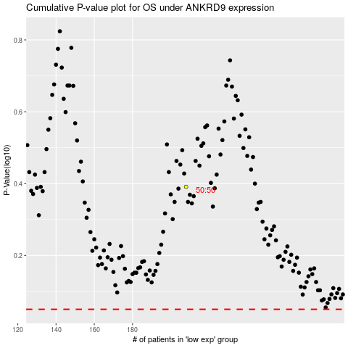

 |  |  |  |  |  | cases_OS | p_OS | rank | exp
 |  |  |  |  |  |  | cases_RFS | p_RFS | rank | exp

