ANO10 _multivariate
Reported by Tex Li-Hsing Chi. tex@gate.sinica.edu.tw 2019-08-22

Table 2. The clinicopathological features of HNSCC cohort and ANO10 expression. (Chi square test)
Cutoff at -0.233 (49.8%)
 |  | ANO10 expression |  | ANO10 expression |  | (Optimised)
 | Features | Low | (%) | High | (%) | Case no | P-value | Remark | Matthews
Gender | Female | 160 | 38.6 | 146 | 35.2 | 415 | 0.1254 | 0 | 0
2 | Male | 47 | 11.3 | 62 | 14.9
Age at diagnosis | <=65y | 142 | 34.2 | 132 | 31.8 | 415 | 0.3167 | 0 | 0
4 | >65y | 65 | 15.7 | 76 | 18.3
Clinical T Status | T1+T2 | 85 | 20.5 | 64 | 15.4 | 415 | 0.0372 | 1 | 0
6 | T3+T4 | 122 | 29.4 | 144 | 34.7
Clinical N Status | N0 | 99 | 23.9 | 117 | 28.2 | 415 | 0.1054 | 0 | 0
8 | N1-3 | 108 | 26 | 91 | 21.9
Clinical M Status | M0 | 204 | 49.2 | 208 | 50.1 | 415 | 0.1232 | 0 | 0
10 | M1 | 3 | 0.7 | 0 | 0
Clinical Stage | Stage I+II | 52 | 12.5 | 50 | 12 | 415 | 0.8871 | 0 | 0
12 | Stage III+IV | 155 | 37.3 | 158 | 38.1
Surgical Margin status | Negative | 159 | 38.3 | 159 | 38.3 | 415 | 1 | 0 | 0
14 | Positive | 48 | 11.6 | 49 | 11.8
Tobacco Exposure | Low | 68 | 16.4 | 93 | 22.4 | 415 | 0.0156 | 1 | 0
16 | High | 139 | 33.5 | 115 | 27.7

Table 3. Univariate/Multivariate Cox's proportional hazards regression analyses on OS time of ANO10 gene expression in HNSCC

 |  | Univariate |  |  |  | Multivariate
 | Features | HR | CI95%(L) | CI95%(H) | P-value | HR | CI95%(L) | CI95%(H) | P-value
1 | Female | 1 |  |  |  | 1
Gender | Male | 1.157 | 0.843 | 1.587 | 0.367 | 1.196 | 0.853 | 1.677 | 0.299
11 | <=65y | 1 |  |  |  | 1
Age at diagnosis | >65y | 1.329 | 0.99 | 1.784 | 0.058 | 1.391 | 1.023 | 1.891 | 0.035
12 | T1+T2 | 1 |  |  |  | 1
Clinical T Status | T3+T4 | 1.409 | 1.028 | 1.931 | 0.033 | 2.19 | 1.155 | 4.154 | 0.016
13 | N0 | 1 |  |  |  | 1
Clinical N Status | N1-3 | 1.185 | 0.89 | 1.577 | 0.246 | 1.245 | 0.871 | 1.78 | 0.229
14 | M0 | 1 |  |  |  | 1
Clinical M Status | M1 | 4.097 | 1.009 | 16.644 | 0.049 | 9.462 | 2.061 | 43.429 | 0.004
15 | Stage I+II | 1 |  |  |  | 1
Clinical Stage | Stage III+IV | 1.245 | 0.882 | 1.759 | 0.213 | 0.506 | 0.236 | 1.088 | 0.081
16 | Negative | 1 |  |  |  | 1
Surgical Margin status | Positive | 1.591 | 1.155 | 2.191 | 0.004 | 1.672 | 1.21 | 2.31 | 0.002
17 | Low | 1 |  |  |  | 1
Tobacco Exposure | High | 1.364 | 1.008 | 1.844 | 0.044 | 1.455 | 1.056 | 2.006 | 0.022
18 | Low | 1 |  |  |  | 1
RNAseq(z-score) | High | 1.035 | 0.777 | 1.379 | 0.813 | 1.027 | 0.763 | 1.383 | 0.858

Table 4. Univariate/Multivariate Cox's proportional hazards regression analyses on RFS time of ANO10 gene expression in HNSCC

 |  | Univariate |  |  |  | Multivariate
 | Features | HR | CI95%(L) | CI95%(H) | P-value | HR | CI95%(L) | CI95%(H) | P-value
1 | Female | 1 |  |  |  | 1
Gender | Male | 1.157 | 0.843 | 1.587 | 0.367 | 1.196 | 0.853 | 1.677 | 0.299
11 | <=65y | 1 |  |  |  | 1
Age at diagnosis | >65y | 1.329 | 0.99 | 1.784 | 0.058 | 1.391 | 1.023 | 1.891 | 0.035
12 | T1+T2 | 1 |  |  |  | 1
Clinical T Status | T3+T4 | 1.409 | 1.028 | 1.931 | 0.033 | 2.19 | 1.155 | 4.154 | 0.016
13 | N0 | 1 |  |  |  | 1
Clinical N Status | N1-3 | 1.185 | 0.89 | 1.577 | 0.246 | 1.245 | 0.871 | 1.78 | 0.229
14 | M0 | 1 |  |  |  | 1
Clinical M Status | M1 | 4.097 | 1.009 | 16.644 | 0.049 | 9.462 | 2.061 | 43.429 | 0.004
15 | Stage I+II | 1 |  |  |  | 1
Clinical Stage | Stage III+IV | 1.245 | 0.882 | 1.759 | 0.213 | 0.506 | 0.236 | 1.088 | 0.081
16 | Negative | 1 |  |  |  | 1
Surgical Margin status | Positive | 1.591 | 1.155 | 2.191 | 0.004 | 1.672 | 1.21 | 2.31 | 0.002
17 | Low | 1 |  |  |  | 1
Tobacco Exposure | High | 1.364 | 1.008 | 1.844 | 0.044 | 1.455 | 1.056 | 2.006 | 0.022
18 | Low | 1 |  |  |  | 1
RNAseq(z-score) | High | 1.035 | 0.777 | 1.379 | 0.813 | 1.027 | 0.763 | 1.383 | 0.858

Kaplan-Meier survival estimate: Cutoff at -0.233 (49.8%)



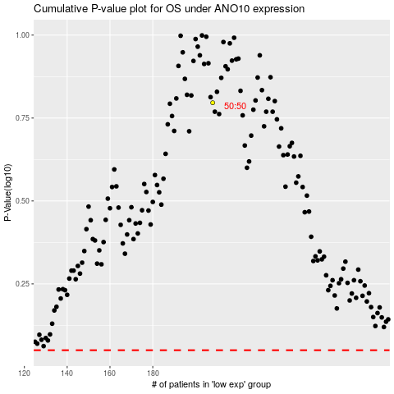

 |  |  |  |  |  | cases_OS | p_OS | rank | exp
 |  |  |  |  |  |  | cases_RFS | p_RFS | rank | exp

