ANO3 _multivariate
Reported by Tex Li-Hsing Chi. tex@gate.sinica.edu.tw 2019-08-22

Table 2. The clinicopathological features of HNSCC cohort and ANO3 expression. (Chi square test)
Cutoff at -0.274 (49.8%)
 |  | ANO3 expression |  | ANO3 expression |  | (Optimised)
 | Features | Low | (%) | High | (%) | Case no | P-value | Remark | Matthews
Gender | Female | 148 | 35.7 | 158 | 38.1 | 415 | 0.3567 | 0 | 0
2 | Male | 59 | 14.2 | 50 | 12
Age at diagnosis | <=65y | 134 | 32.3 | 140 | 33.7 | 415 | 0.6529 | 0 | 0
4 | >65y | 73 | 17.6 | 68 | 16.4
Clinical T Status | T1+T2 | 89 | 21.4 | 60 | 14.5 | 415 | 0.0037 | 1 | 0
6 | T3+T4 | 118 | 28.4 | 148 | 35.7
Clinical N Status | N0 | 97 | 23.4 | 119 | 28.7 | 415 | 0.0442 | 1 | 0
8 | N1-3 | 110 | 26.5 | 89 | 21.4
Clinical M Status | M0 | 205 | 49.4 | 207 | 49.9 | 415 | 0.6232 | 0 | 0
10 | M1 | 2 | 0.5 | 1 | 0.2
Clinical Stage | Stage I+II | 62 | 14.9 | 40 | 9.6 | 415 | 0.0154 | 1 | 0
12 | Stage III+IV | 145 | 34.9 | 168 | 40.5
Surgical Margin status | Negative | 150 | 36.1 | 168 | 40.5 | 415 | 0.0492 | 1 | 0
14 | Positive | 57 | 13.7 | 40 | 9.6
Tobacco Exposure | Low | 95 | 22.9 | 66 | 15.9 | 415 | 0.0035 | 1 | 0
16 | High | 112 | 27 | 142 | 34.2

Table 3. Univariate/Multivariate Cox's proportional hazards regression analyses on OS time of ANO3 gene expression in HNSCC

 |  | Univariate |  |  |  | Multivariate
 | Features | HR | CI95%(L) | CI95%(H) | P-value | HR | CI95%(L) | CI95%(H) | P-value
1 | Female | 1 |  |  |  | 1
Gender | Male | 1.157 | 0.843 | 1.587 | 0.367 | 1.197 | 0.857 | 1.671 | 0.291
11 | <=65y | 1 |  |  |  | 1
Age at diagnosis | >65y | 1.329 | 0.99 | 1.784 | 0.058 | 1.406 | 1.034 | 1.913 | 0.03
12 | T1+T2 | 1 |  |  |  | 1
Clinical T Status | T3+T4 | 1.409 | 1.028 | 1.931 | 0.033 | 2.205 | 1.166 | 4.169 | 0.015
13 | N0 | 1 |  |  |  | 1
Clinical N Status | N1-3 | 1.185 | 0.89 | 1.577 | 0.246 | 1.29 | 0.896 | 1.855 | 0.171
14 | M0 | 1 |  |  |  | 1
Clinical M Status | M1 | 4.097 | 1.009 | 16.644 | 0.049 | 9.41 | 2.053 | 43.133 | 0.004
15 | Stage I+II | 1 |  |  |  | 1
Clinical Stage | Stage III+IV | 1.245 | 0.882 | 1.759 | 0.213 | 0.483 | 0.224 | 1.042 | 0.064
16 | Negative | 1 |  |  |  | 1
Surgical Margin status | Positive | 1.591 | 1.155 | 2.191 | 0.004 | 1.67 | 1.209 | 2.308 | 0.002
17 | Low | 1 |  |  |  | 1
Tobacco Exposure | High | 1.364 | 1.008 | 1.844 | 0.044 | 1.421 | 1.029 | 1.963 | 0.033
18 | Low | 1 |  |  |  | 1
RNAseq(z-score) | High | 1.175 | 0.881 | 1.567 | 0.272 | 1.157 | 0.857 | 1.563 | 0.34

Table 4. Univariate/Multivariate Cox's proportional hazards regression analyses on RFS time of ANO3 gene expression in HNSCC

 |  | Univariate |  |  |  | Multivariate
 | Features | HR | CI95%(L) | CI95%(H) | P-value | HR | CI95%(L) | CI95%(H) | P-value
1 | Female | 1 |  |  |  | 1
Gender | Male | 1.157 | 0.843 | 1.587 | 0.367 | 1.197 | 0.857 | 1.671 | 0.291
11 | <=65y | 1 |  |  |  | 1
Age at diagnosis | >65y | 1.329 | 0.99 | 1.784 | 0.058 | 1.406 | 1.034 | 1.913 | 0.03
12 | T1+T2 | 1 |  |  |  | 1
Clinical T Status | T3+T4 | 1.409 | 1.028 | 1.931 | 0.033 | 2.205 | 1.166 | 4.169 | 0.015
13 | N0 | 1 |  |  |  | 1
Clinical N Status | N1-3 | 1.185 | 0.89 | 1.577 | 0.246 | 1.29 | 0.896 | 1.855 | 0.171
14 | M0 | 1 |  |  |  | 1
Clinical M Status | M1 | 4.097 | 1.009 | 16.644 | 0.049 | 9.41 | 2.053 | 43.133 | 0.004
15 | Stage I+II | 1 |  |  |  | 1
Clinical Stage | Stage III+IV | 1.245 | 0.882 | 1.759 | 0.213 | 0.483 | 0.224 | 1.042 | 0.064
16 | Negative | 1 |  |  |  | 1
Surgical Margin status | Positive | 1.591 | 1.155 | 2.191 | 0.004 | 1.67 | 1.209 | 2.308 | 0.002
17 | Low | 1 |  |  |  | 1
Tobacco Exposure | High | 1.364 | 1.008 | 1.844 | 0.044 | 1.421 | 1.029 | 1.963 | 0.033
18 | Low | 1 |  |  |  | 1
RNAseq(z-score) | High | 1.175 | 0.881 | 1.567 | 0.272 | 1.157 | 0.857 | 1.563 | 0.34

Kaplan-Meier survival estimate: Cutoff at -0.274 (49.8%)



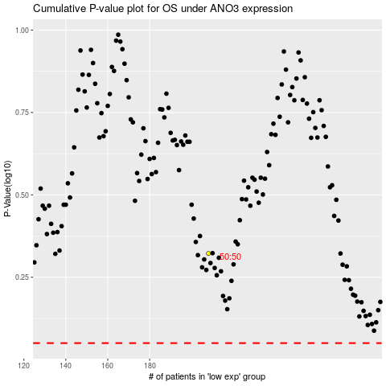

 |  |  |  |  |  | cases_OS | p_OS | rank | exp
 |  |  |  |  |  |  | cases_RFS | p_RFS | rank | exp

