ANO4 _multivariate
Reported by Tex Li-Hsing Chi. tex@gate.sinica.edu.tw 2019-08-22

Table 2. The clinicopathological features of HNSCC cohort and ANO4 expression. (Chi square test)
Cutoff at -0.355 (50.0%)
 |  | ANO4 expression |  | ANO4 expression |  | (Optimised)
 | Features | Low | (%) | High | (%) | Case no | P-value | Remark | Matthews
Gender | Female | 153 | 36.9 | 153 | 36.9 | 415 | 1 | 0 | 0
2 | Male | 54 | 13 | 55 | 13.3
Age at diagnosis | <=65y | 138 | 33.3 | 136 | 32.8 | 415 | 0.8634 | 0 | 0
4 | >65y | 69 | 16.6 | 72 | 17.3
Clinical T Status | T1+T2 | 64 | 15.4 | 85 | 20.5 | 415 | 0.0445 | 1 | 0
6 | T3+T4 | 143 | 34.5 | 123 | 29.6
Clinical N Status | N0 | 110 | 26.5 | 106 | 25.5 | 415 | 0.7294 | 0 | 0
8 | N1-3 | 97 | 23.4 | 102 | 24.6
Clinical M Status | M0 | 206 | 49.6 | 206 | 49.6 | 415 | 1 | 0 | 0
10 | M1 | 1 | 0.2 | 2 | 0.5
Clinical Stage | Stage I+II | 43 | 10.4 | 59 | 14.2 | 415 | 0.0925 | 0 | 0
12 | Stage III+IV | 164 | 39.5 | 149 | 35.9
Surgical Margin status | Negative | 153 | 36.9 | 165 | 39.8 | 415 | 0.2036 | 0 | 0
14 | Positive | 54 | 13 | 43 | 10.4
Tobacco Exposure | Low | 71 | 17.1 | 90 | 21.7 | 415 | 0.0698 | 0 | 0
16 | High | 136 | 32.8 | 118 | 28.4

Table 3. Univariate/Multivariate Cox's proportional hazards regression analyses on OS time of ANO4 gene expression in HNSCC

 |  | Univariate |  |  |  | Multivariate
 | Features | HR | CI95%(L) | CI95%(H) | P-value | HR | CI95%(L) | CI95%(H) | P-value
1 | Female | 1 |  |  |  | 1
Gender | Male | 1.157 | 0.843 | 1.587 | 0.367 | 1.201 | 0.86 | 1.678 | 0.283
11 | <=65y | 1 |  |  |  | 1
Age at diagnosis | >65y | 1.329 | 0.99 | 1.784 | 0.058 | 1.399 | 1.028 | 1.902 | 0.032
12 | T1+T2 | 1 |  |  |  | 1
Clinical T Status | T3+T4 | 1.409 | 1.028 | 1.931 | 0.033 | 2.19 | 1.158 | 4.141 | 0.016
13 | N0 | 1 |  |  |  | 1
Clinical N Status | N1-3 | 1.185 | 0.89 | 1.577 | 0.246 | 1.248 | 0.874 | 1.782 | 0.223
14 | M0 | 1 |  |  |  | 1
Clinical M Status | M1 | 4.097 | 1.009 | 16.644 | 0.049 | 9.426 | 2.056 | 43.207 | 0.004
15 | Stage I+II | 1 |  |  |  | 1
Clinical Stage | Stage III+IV | 1.245 | 0.882 | 1.759 | 0.213 | 0.504 | 0.235 | 1.082 | 0.079
16 | Negative | 1 |  |  |  | 1
Surgical Margin status | Positive | 1.591 | 1.155 | 2.191 | 0.004 | 1.659 | 1.199 | 2.296 | 0.002
17 | Low | 1 |  |  |  | 1
Tobacco Exposure | High | 1.364 | 1.008 | 1.844 | 0.044 | 1.437 | 1.04 | 1.986 | 0.028
18 | Low | 1 |  |  |  | 1
RNAseq(z-score) | High | 0.872 | 0.652 | 1.165 | 0.353 | 0.93 | 0.692 | 1.25 | 0.632

Table 4. Univariate/Multivariate Cox's proportional hazards regression analyses on RFS time of ANO4 gene expression in HNSCC

 |  | Univariate |  |  |  | Multivariate
 | Features | HR | CI95%(L) | CI95%(H) | P-value | HR | CI95%(L) | CI95%(H) | P-value
1 | Female | 1 |  |  |  | 1
Gender | Male | 1.157 | 0.843 | 1.587 | 0.367 | 1.201 | 0.86 | 1.678 | 0.283
11 | <=65y | 1 |  |  |  | 1
Age at diagnosis | >65y | 1.329 | 0.99 | 1.784 | 0.058 | 1.399 | 1.028 | 1.902 | 0.032
12 | T1+T2 | 1 |  |  |  | 1
Clinical T Status | T3+T4 | 1.409 | 1.028 | 1.931 | 0.033 | 2.19 | 1.158 | 4.141 | 0.016
13 | N0 | 1 |  |  |  | 1
Clinical N Status | N1-3 | 1.185 | 0.89 | 1.577 | 0.246 | 1.248 | 0.874 | 1.782 | 0.223
14 | M0 | 1 |  |  |  | 1
Clinical M Status | M1 | 4.097 | 1.009 | 16.644 | 0.049 | 9.426 | 2.056 | 43.207 | 0.004
15 | Stage I+II | 1 |  |  |  | 1
Clinical Stage | Stage III+IV | 1.245 | 0.882 | 1.759 | 0.213 | 0.504 | 0.235 | 1.082 | 0.079
16 | Negative | 1 |  |  |  | 1
Surgical Margin status | Positive | 1.591 | 1.155 | 2.191 | 0.004 | 1.659 | 1.199 | 2.296 | 0.002
17 | Low | 1 |  |  |  | 1
Tobacco Exposure | High | 1.364 | 1.008 | 1.844 | 0.044 | 1.437 | 1.04 | 1.986 | 0.028
18 | Low | 1 |  |  |  | 1
RNAseq(z-score) | High | 0.872 | 0.652 | 1.165 | 0.353 | 0.93 | 0.692 | 1.25 | 0.632

Kaplan-Meier survival estimate: Cutoff at -0.355 (50.0%)



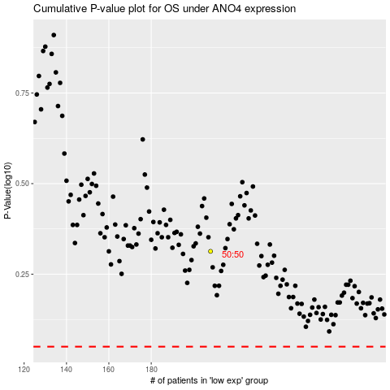

 |  |  |  |  |  | cases_OS | p_OS | rank | exp
 |  |  |  |  |  |  | cases_RFS | p_RFS | rank | exp

