ANO5 _multivariate
Reported by Tex Li-Hsing Chi. tex@gate.sinica.edu.tw 2019-08-22

Table 2. The clinicopathological features of HNSCC cohort and ANO5 expression. (Chi square test)
Cutoff at -0.231 (50.0%)
 |  | ANO5 expression |  | ANO5 expression |  | (Optimised)
 | Features | Low | (%) | High | (%) | Case no | P-value | Remark | Matthews
Gender | Female | 156 | 37.6 | 150 | 36.1 | 415 | 0.5222 | 0 | 0
2 | Male | 51 | 12.3 | 58 | 14
Age at diagnosis | <=65y | 125 | 30.1 | 149 | 35.9 | 415 | 0.0206 | 1 | 0
4 | >65y | 82 | 19.8 | 59 | 14.2
Clinical T Status | T1+T2 | 68 | 16.4 | 81 | 19.5 | 415 | 0.2336 | 0 | 0
6 | T3+T4 | 139 | 33.5 | 127 | 30.6
Clinical N Status | N0 | 115 | 27.7 | 101 | 24.3 | 415 | 0.184 | 1 | 0
8 | N1-3 | 92 | 22.2 | 107 | 25.8
Clinical M Status | M0 | 204 | 49.2 | 208 | 50.1 | 415 | 0.1232 | 0 | 0
10 | M1 | 3 | 0.7 | 0 | 0
Clinical Stage | Stage I+II | 46 | 11.1 | 56 | 13.5 | 415 | 0.3182 | 0 | 0
12 | Stage III+IV | 161 | 38.8 | 152 | 36.6
Surgical Margin status | Negative | 154 | 37.1 | 164 | 39.5 | 415 | 0.2984 | 0 | 0
14 | Positive | 53 | 12.8 | 44 | 10.6
Tobacco Exposure | Low | 85 | 20.5 | 76 | 18.3 | 415 | 0.3655 | 0 | 0
16 | High | 122 | 29.4 | 132 | 31.8

Table 3. Univariate/Multivariate Cox's proportional hazards regression analyses on OS time of ANO5 gene expression in HNSCC

 |  | Univariate |  |  |  | Multivariate
 | Features | HR | CI95%(L) | CI95%(H) | P-value | HR | CI95%(L) | CI95%(H) | P-value
1 | Female | 1 |  |  |  | 1
Gender | Male | 1.157 | 0.843 | 1.587 | 0.367 | 1.172 | 0.839 | 1.636 | 0.352
11 | <=65y | 1 |  |  |  | 1
Age at diagnosis | >65y | 1.329 | 0.99 | 1.784 | 0.058 | 1.43 | 1.05 | 1.947 | 0.023
12 | T1+T2 | 1 |  |  |  | 1
Clinical T Status | T3+T4 | 1.409 | 1.028 | 1.931 | 0.033 | 2.21 | 1.168 | 4.182 | 0.015
13 | N0 | 1 |  |  |  | 1
Clinical N Status | N1-3 | 1.185 | 0.89 | 1.577 | 0.246 | 1.209 | 0.847 | 1.727 | 0.296
14 | M0 | 1 |  |  |  | 1
Clinical M Status | M1 | 4.097 | 1.009 | 16.644 | 0.049 | 11.039 | 2.385 | 51.086 | 0.002
15 | Stage I+II | 1 |  |  |  | 1
Clinical Stage | Stage III+IV | 1.245 | 0.882 | 1.759 | 0.213 | 0.517 | 0.241 | 1.111 | 0.091
16 | Negative | 1 |  |  |  | 1
Surgical Margin status | Positive | 1.591 | 1.155 | 2.191 | 0.004 | 1.703 | 1.232 | 2.354 | 0.001
17 | Low | 1 |  |  |  | 1
Tobacco Exposure | High | 1.364 | 1.008 | 1.844 | 0.044 | 1.419 | 1.031 | 1.953 | 0.032
18 | Low | 1 |  |  |  | 1
RNAseq(z-score) | High | 1.29 | 0.967 | 1.719 | 0.083 | 1.343 | 1.001 | 1.803 | 0.049

Table 4. Univariate/Multivariate Cox's proportional hazards regression analyses on RFS time of ANO5 gene expression in HNSCC

 |  | Univariate |  |  |  | Multivariate
 | Features | HR | CI95%(L) | CI95%(H) | P-value | HR | CI95%(L) | CI95%(H) | P-value
1 | Female | 1 |  |  |  | 1
Gender | Male | 1.157 | 0.843 | 1.587 | 0.367 | 1.172 | 0.839 | 1.636 | 0.352
11 | <=65y | 1 |  |  |  | 1
Age at diagnosis | >65y | 1.329 | 0.99 | 1.784 | 0.058 | 1.43 | 1.05 | 1.947 | 0.023
12 | T1+T2 | 1 |  |  |  | 1
Clinical T Status | T3+T4 | 1.409 | 1.028 | 1.931 | 0.033 | 2.21 | 1.168 | 4.182 | 0.015
13 | N0 | 1 |  |  |  | 1
Clinical N Status | N1-3 | 1.185 | 0.89 | 1.577 | 0.246 | 1.209 | 0.847 | 1.727 | 0.296
14 | M0 | 1 |  |  |  | 1
Clinical M Status | M1 | 4.097 | 1.009 | 16.644 | 0.049 | 11.039 | 2.385 | 51.086 | 0.002
15 | Stage I+II | 1 |  |  |  | 1
Clinical Stage | Stage III+IV | 1.245 | 0.882 | 1.759 | 0.213 | 0.517 | 0.241 | 1.111 | 0.091
16 | Negative | 1 |  |  |  | 1
Surgical Margin status | Positive | 1.591 | 1.155 | 2.191 | 0.004 | 1.703 | 1.232 | 2.354 | 0.001
17 | Low | 1 |  |  |  | 1
Tobacco Exposure | High | 1.364 | 1.008 | 1.844 | 0.044 | 1.419 | 1.031 | 1.953 | 0.032
18 | Low | 1 |  |  |  | 1
RNAseq(z-score) | High | 1.29 | 0.967 | 1.719 | 0.083 | 1.343 | 1.001 | 1.803 | 0.049

Kaplan-Meier survival estimate: Cutoff at -0.231 (50.0%)



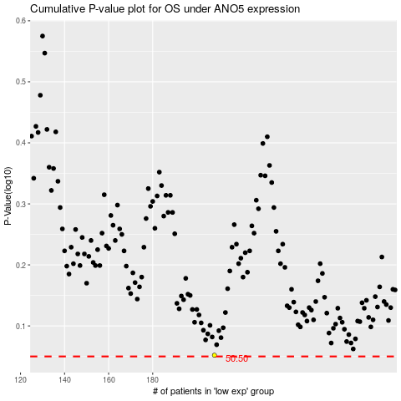

 |  |  |  |  |  | cases_OS | p_OS | rank | exp
 |  |  |  |  |  |  | cases_RFS | p_RFS | rank | exp

