ANO9 _multivariate
Reported by Tex Li-Hsing Chi. tex@gate.sinica.edu.tw 2019-08-22

Table 2. The clinicopathological features of HNSCC cohort and ANO9 expression. (Chi square test)
Cutoff at -0.317 (50.0%)
 |  | ANO9 expression |  | ANO9 expression |  | (Optimised)
 | Features | Low | (%) | High | (%) | Case no | P-value | Remark | Matthews
Gender | Female | 155 | 37.3 | 151 | 36.4 | 415 | 0.6768 | 0 | 0
2 | Male | 52 | 12.5 | 57 | 13.7
Age at diagnosis | <=65y | 135 | 32.5 | 139 | 33.5 | 415 | 0.8084 | 0 | 0
4 | >65y | 72 | 17.3 | 69 | 16.6
Clinical T Status | T1+T2 | 76 | 18.3 | 73 | 17.6 | 415 | 0.8092 | 0 | 0
6 | T3+T4 | 131 | 31.6 | 135 | 32.5
Clinical N Status | N0 | 102 | 24.6 | 114 | 27.5 | 415 | 0.3031 | 0 | 0
8 | N1-3 | 105 | 25.3 | 94 | 22.7
Clinical M Status | M0 | 206 | 49.6 | 206 | 49.6 | 415 | 1 | 0 | 0
10 | M1 | 1 | 0.2 | 2 | 0.5
Clinical Stage | Stage I+II | 54 | 13 | 48 | 11.6 | 415 | 0.5498 | 0 | 0
12 | Stage III+IV | 153 | 36.9 | 160 | 38.6
Surgical Margin status | Negative | 169 | 40.7 | 149 | 35.9 | 415 | 0.0201 | 1 | 0
14 | Positive | 38 | 9.2 | 59 | 14.2
Tobacco Exposure | Low | 77 | 18.6 | 84 | 20.2 | 415 | 0.5459 | 0 | 0
16 | High | 130 | 31.3 | 124 | 29.9

Table 3. Univariate/Multivariate Cox's proportional hazards regression analyses on OS time of ANO9 gene expression in HNSCC

 |  | Univariate |  |  |  | Multivariate
 | Features | HR | CI95%(L) | CI95%(H) | P-value | HR | CI95%(L) | CI95%(H) | P-value
1 | Female | 1 |  |  |  | 1
Gender | Male | 1.157 | 0.843 | 1.587 | 0.367 | 1.22 | 0.872 | 1.706 | 0.246
11 | <=65y | 1 |  |  |  | 1
Age at diagnosis | >65y | 1.329 | 0.99 | 1.784 | 0.058 | 1.385 | 1.019 | 1.883 | 0.038
12 | T1+T2 | 1 |  |  |  | 1
Clinical T Status | T3+T4 | 1.409 | 1.028 | 1.931 | 0.033 | 2.177 | 1.151 | 4.117 | 0.017
13 | N0 | 1 |  |  |  | 1
Clinical N Status | N1-3 | 1.185 | 0.89 | 1.577 | 0.246 | 1.217 | 0.851 | 1.74 | 0.283
14 | M0 | 1 |  |  |  | 1
Clinical M Status | M1 | 4.097 | 1.009 | 16.644 | 0.049 | 9.583 | 2.09 | 43.942 | 0.004
15 | Stage I+II | 1 |  |  |  | 1
Clinical Stage | Stage III+IV | 1.245 | 0.882 | 1.759 | 0.213 | 0.521 | 0.242 | 1.12 | 0.095
16 | Negative | 1 |  |  |  | 1
Surgical Margin status | Positive | 1.591 | 1.155 | 2.191 | 0.004 | 1.729 | 1.243 | 2.406 | 0.001
17 | Low | 1 |  |  |  | 1
Tobacco Exposure | High | 1.364 | 1.008 | 1.844 | 0.044 | 1.445 | 1.049 | 1.992 | 0.024
18 | Low | 1 |  |  |  | 1
RNAseq(z-score) | High | 0.911 | 0.684 | 1.214 | 0.524 | 0.862 | 0.641 | 1.16 | 0.328

Table 4. Univariate/Multivariate Cox's proportional hazards regression analyses on RFS time of ANO9 gene expression in HNSCC

 |  | Univariate |  |  |  | Multivariate
 | Features | HR | CI95%(L) | CI95%(H) | P-value | HR | CI95%(L) | CI95%(H) | P-value
1 | Female | 1 |  |  |  | 1
Gender | Male | 1.157 | 0.843 | 1.587 | 0.367 | 1.22 | 0.872 | 1.706 | 0.246
11 | <=65y | 1 |  |  |  | 1
Age at diagnosis | >65y | 1.329 | 0.99 | 1.784 | 0.058 | 1.385 | 1.019 | 1.883 | 0.038
12 | T1+T2 | 1 |  |  |  | 1
Clinical T Status | T3+T4 | 1.409 | 1.028 | 1.931 | 0.033 | 2.177 | 1.151 | 4.117 | 0.017
13 | N0 | 1 |  |  |  | 1
Clinical N Status | N1-3 | 1.185 | 0.89 | 1.577 | 0.246 | 1.217 | 0.851 | 1.74 | 0.283
14 | M0 | 1 |  |  |  | 1
Clinical M Status | M1 | 4.097 | 1.009 | 16.644 | 0.049 | 9.583 | 2.09 | 43.942 | 0.004
15 | Stage I+II | 1 |  |  |  | 1
Clinical Stage | Stage III+IV | 1.245 | 0.882 | 1.759 | 0.213 | 0.521 | 0.242 | 1.12 | 0.095
16 | Negative | 1 |  |  |  | 1
Surgical Margin status | Positive | 1.591 | 1.155 | 2.191 | 0.004 | 1.729 | 1.243 | 2.406 | 0.001
17 | Low | 1 |  |  |  | 1
Tobacco Exposure | High | 1.364 | 1.008 | 1.844 | 0.044 | 1.445 | 1.049 | 1.992 | 0.024
18 | Low | 1 |  |  |  | 1
RNAseq(z-score) | High | 0.911 | 0.684 | 1.214 | 0.524 | 0.862 | 0.641 | 1.16 | 0.328

Kaplan-Meier survival estimate: Cutoff at -0.317 (50.0%)



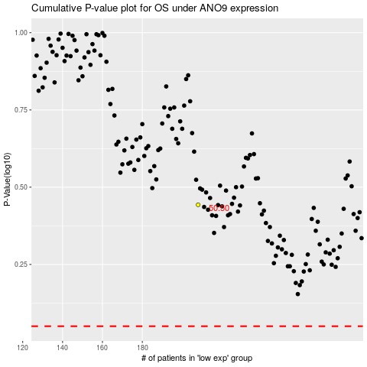

 |  |  |  |  |  | cases_OS | p_OS | rank | exp
 |  |  |  |  |  |  | cases_RFS | p_RFS | rank | exp

