ANP32C _multivariate
Reported by Tex Li-Hsing Chi. tex@gate.sinica.edu.tw 2019-08-22

Table 2. The clinicopathological features of HNSCC cohort and ANP32C expression. (Chi square test)
Cutoff at 0.127 (62.1%)
 |  | ANP32C expression |  | ANP32C expression |  | (Optimised)
 | Features | Low | (%) | High | (%) | Case no | P-value | Remark | Matthews
Gender | Female | 180 | 43.4 | 126 | 30.4 | 415 | 0.0251 | 1 | 0
2 | Male | 78 | 18.8 | 31 | 7.5
Age at diagnosis | <=65y | 164 | 39.5 | 110 | 26.5 | 415 | 0.2118 | 0 | 0
4 | >65y | 94 | 22.7 | 47 | 11.3
Clinical T Status | T1+T2 | 96 | 23.1 | 53 | 12.8 | 415 | 0.545 | 0 | 0
6 | T3+T4 | 162 | 39 | 104 | 25.1
Clinical N Status | N0 | 138 | 33.3 | 78 | 18.8 | 415 | 0.5147 | 0 | 0
8 | N1-3 | 120 | 28.9 | 79 | 19
Clinical M Status | M0 | 256 | 61.7 | 156 | 37.6 | 415 | 1 | 0 | 0
10 | M1 | 2 | 0.5 | 1 | 0.2
Clinical Stage | Stage I+II | 68 | 16.4 | 34 | 8.2 | 415 | 0.3365 | 0 | 0
12 | Stage III+IV | 190 | 45.8 | 123 | 29.6
Surgical Margin status | Negative | 207 | 49.9 | 111 | 26.7 | 415 | 0.0312 | 1 | 0
14 | Positive | 51 | 12.3 | 46 | 11.1
Tobacco Exposure | Low | 103 | 24.8 | 58 | 14 | 415 | 0.6037 | 0 | 0
16 | High | 155 | 37.3 | 99 | 23.9

Table 3. Univariate/Multivariate Cox's proportional hazards regression analyses on OS time of ANP32C gene expression in HNSCC

 |  | Univariate |  |  |  | Multivariate
 | Features | HR | CI95%(L) | CI95%(H) | P-value | HR | CI95%(L) | CI95%(H) | P-value
1 | Female | 1 |  |  |  | 1
Gender | Male | 1.157 | 0.843 | 1.587 | 0.367 | 1.222 | 0.872 | 1.713 | 0.245
11 | <=65y | 1 |  |  |  | 1
Age at diagnosis | >65y | 1.329 | 0.99 | 1.784 | 0.058 | 1.465 | 1.072 | 2.001 | 0.016
12 | T1+T2 | 1 |  |  |  | 1
Clinical T Status | T3+T4 | 1.409 | 1.028 | 1.931 | 0.033 | 2.205 | 1.166 | 4.17 | 0.015
13 | N0 | 1 |  |  |  | 1
Clinical N Status | N1-3 | 1.185 | 0.89 | 1.577 | 0.246 | 1.273 | 0.89 | 1.821 | 0.185
14 | M0 | 1 |  |  |  | 1
Clinical M Status | M1 | 4.097 | 1.009 | 16.644 | 0.049 | 10.117 | 2.204 | 46.438 | 0.003
15 | Stage I+II | 1 |  |  |  | 1
Clinical Stage | Stage III+IV | 1.245 | 0.882 | 1.759 | 0.213 | 0.483 | 0.225 | 1.038 | 0.062
16 | Negative | 1 |  |  |  | 1
Surgical Margin status | Positive | 1.591 | 1.155 | 2.191 | 0.004 | 1.614 | 1.166 | 2.234 | 0.004
17 | Low | 1 |  |  |  | 1
Tobacco Exposure | High | 1.364 | 1.008 | 1.844 | 0.044 | 1.464 | 1.06 | 2.021 | 0.021
18 | Low | 1 |  |  |  | 1
RNAseq(z-score) | High | 1.391 | 1.036 | 1.866 | 0.028 | 1.438 | 1.065 | 1.941 | 0.018

Table 4. Univariate/Multivariate Cox's proportional hazards regression analyses on RFS time of ANP32C gene expression in HNSCC

 |  | Univariate |  |  |  | Multivariate
 | Features | HR | CI95%(L) | CI95%(H) | P-value | HR | CI95%(L) | CI95%(H) | P-value
1 | Female | 1 |  |  |  | 1
Gender | Male | 1.157 | 0.843 | 1.587 | 0.367 | 1.222 | 0.872 | 1.713 | 0.245
11 | <=65y | 1 |  |  |  | 1
Age at diagnosis | >65y | 1.329 | 0.99 | 1.784 | 0.058 | 1.465 | 1.072 | 2.001 | 0.016
12 | T1+T2 | 1 |  |  |  | 1
Clinical T Status | T3+T4 | 1.409 | 1.028 | 1.931 | 0.033 | 2.205 | 1.166 | 4.17 | 0.015
13 | N0 | 1 |  |  |  | 1
Clinical N Status | N1-3 | 1.185 | 0.89 | 1.577 | 0.246 | 1.273 | 0.89 | 1.821 | 0.185
14 | M0 | 1 |  |  |  | 1
Clinical M Status | M1 | 4.097 | 1.009 | 16.644 | 0.049 | 10.117 | 2.204 | 46.438 | 0.003
15 | Stage I+II | 1 |  |  |  | 1
Clinical Stage | Stage III+IV | 1.245 | 0.882 | 1.759 | 0.213 | 0.483 | 0.225 | 1.038 | 0.062
16 | Negative | 1 |  |  |  | 1
Surgical Margin status | Positive | 1.591 | 1.155 | 2.191 | 0.004 | 1.614 | 1.166 | 2.234 | 0.004
17 | Low | 1 |  |  |  | 1
Tobacco Exposure | High | 1.364 | 1.008 | 1.844 | 0.044 | 1.464 | 1.06 | 2.021 | 0.021
18 | Low | 1 |  |  |  | 1
RNAseq(z-score) | High | 1.391 | 1.036 | 1.866 | 0.028 | 1.438 | 1.065 | 1.941 | 0.018

Kaplan-Meier survival estimate: Cutoff at 0.127 (62.1%)



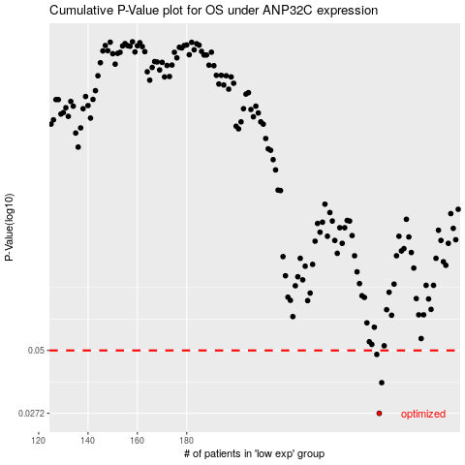

 |  |  |  |  |  | cases_OS | p_OS | rank | exp
 |  |  |  |  |  | 258 | 0.0272 | 123 | 0.1268211789
 |  |  |  |  |  | 259 | 0.0366 | 257 | 0.13011718487
 |  |  |  |  |  | 257 | 0.0481 | 230 | 0.12494586517
 |  |  |  |  |  |  | cases_RFS | p_RFS | rank | exp
 |  |  |  |  |  |  | 257 | 0.0272 | 230 | 0.12494586517
 |  |  |  |  |  |  | 258 | 0.0366 | 123 | 0.1268211789
 |  |  |  |  |  |  | 256 | 0.0481 | 397 | 0.12199082534

