ANP32E _multivariate
Reported by Tex Li-Hsing Chi. tex@gate.sinica.edu.tw 2019-08-22

Table 2. The clinicopathological features of HNSCC cohort and ANP32E expression. (Chi square test)
Cutoff at -0.173 (49.8%)
 |  | ANP32E expression |  | ANP32E expression |  | (Optimised)
 | Features | Low | (%) | High | (%) | Case no | P-value | Remark | Matthews
Gender | Female | 149 | 35.9 | 157 | 37.8 | 415 | 0.4848 | 0 | 0
2 | Male | 58 | 14 | 51 | 12.3
Age at diagnosis | <=65y | 133 | 32 | 141 | 34 | 415 | 0.5111 | 0 | 0
4 | >65y | 74 | 17.8 | 67 | 16.1
Clinical T Status | T1+T2 | 68 | 16.4 | 81 | 19.5 | 415 | 0.2336 | 0 | 0
6 | T3+T4 | 139 | 33.5 | 127 | 30.6
Clinical N Status | N0 | 109 | 26.3 | 107 | 25.8 | 415 | 0.8812 | 0 | 0
8 | N1-3 | 98 | 23.6 | 101 | 24.3
Clinical M Status | M0 | 204 | 49.2 | 208 | 50.1 | 415 | 0.1232 | 0 | 0
10 | M1 | 3 | 0.7 | 0 | 0
Clinical Stage | Stage I+II | 49 | 11.8 | 53 | 12.8 | 415 | 0.7535 | 0 | 0
12 | Stage III+IV | 158 | 38.1 | 155 | 37.3
Surgical Margin status | Negative | 161 | 38.8 | 157 | 37.8 | 415 | 0.6429 | 0 | 0
14 | Positive | 46 | 11.1 | 51 | 12.3
Tobacco Exposure | Low | 84 | 20.2 | 77 | 18.6 | 415 | 0.4816 | 0 | 0
16 | High | 123 | 29.6 | 131 | 31.6

Table 3. Univariate/Multivariate Cox's proportional hazards regression analyses on OS time of ANP32E gene expression in HNSCC

 |  | Univariate |  |  |  | Multivariate
 | Features | HR | CI95%(L) | CI95%(H) | P-value | HR | CI95%(L) | CI95%(H) | P-value
1 | Female | 1 |  |  |  | 1
Gender | Male | 1.157 | 0.843 | 1.587 | 0.367 | 1.207 | 0.864 | 1.686 | 0.269
11 | <=65y | 1 |  |  |  | 1
Age at diagnosis | >65y | 1.329 | 0.99 | 1.784 | 0.058 | 1.414 | 1.04 | 1.923 | 0.027
12 | T1+T2 | 1 |  |  |  | 1
Clinical T Status | T3+T4 | 1.409 | 1.028 | 1.931 | 0.033 | 2.299 | 1.213 | 4.357 | 0.011
13 | N0 | 1 |  |  |  | 1
Clinical N Status | N1-3 | 1.185 | 0.89 | 1.577 | 0.246 | 1.24 | 0.869 | 1.77 | 0.236
14 | M0 | 1 |  |  |  | 1
Clinical M Status | M1 | 4.097 | 1.009 | 16.644 | 0.049 | 11.137 | 2.393 | 51.843 | 0.002
15 | Stage I+II | 1 |  |  |  | 1
Clinical Stage | Stage III+IV | 1.245 | 0.882 | 1.759 | 0.213 | 0.478 | 0.222 | 1.03 | 0.06
16 | Negative | 1 |  |  |  | 1
Surgical Margin status | Positive | 1.591 | 1.155 | 2.191 | 0.004 | 1.673 | 1.211 | 2.313 | 0.002
17 | Low | 1 |  |  |  | 1
Tobacco Exposure | High | 1.364 | 1.008 | 1.844 | 0.044 | 1.445 | 1.05 | 1.988 | 0.024
18 | Low | 1 |  |  |  | 1
RNAseq(z-score) | High | 1.176 | 0.883 | 1.567 | 0.268 | 1.267 | 0.946 | 1.697 | 0.112

Table 4. Univariate/Multivariate Cox's proportional hazards regression analyses on RFS time of ANP32E gene expression in HNSCC

 |  | Univariate |  |  |  | Multivariate
 | Features | HR | CI95%(L) | CI95%(H) | P-value | HR | CI95%(L) | CI95%(H) | P-value
1 | Female | 1 |  |  |  | 1
Gender | Male | 1.157 | 0.843 | 1.587 | 0.367 | 1.207 | 0.864 | 1.686 | 0.269
11 | <=65y | 1 |  |  |  | 1
Age at diagnosis | >65y | 1.329 | 0.99 | 1.784 | 0.058 | 1.414 | 1.04 | 1.923 | 0.027
12 | T1+T2 | 1 |  |  |  | 1
Clinical T Status | T3+T4 | 1.409 | 1.028 | 1.931 | 0.033 | 2.299 | 1.213 | 4.357 | 0.011
13 | N0 | 1 |  |  |  | 1
Clinical N Status | N1-3 | 1.185 | 0.89 | 1.577 | 0.246 | 1.24 | 0.869 | 1.77 | 0.236
14 | M0 | 1 |  |  |  | 1
Clinical M Status | M1 | 4.097 | 1.009 | 16.644 | 0.049 | 11.137 | 2.393 | 51.843 | 0.002
15 | Stage I+II | 1 |  |  |  | 1
Clinical Stage | Stage III+IV | 1.245 | 0.882 | 1.759 | 0.213 | 0.478 | 0.222 | 1.03 | 0.06
16 | Negative | 1 |  |  |  | 1
Surgical Margin status | Positive | 1.591 | 1.155 | 2.191 | 0.004 | 1.673 | 1.211 | 2.313 | 0.002
17 | Low | 1 |  |  |  | 1
Tobacco Exposure | High | 1.364 | 1.008 | 1.844 | 0.044 | 1.445 | 1.05 | 1.988 | 0.024
18 | Low | 1 |  |  |  | 1
RNAseq(z-score) | High | 1.176 | 0.883 | 1.567 | 0.268 | 1.267 | 0.946 | 1.697 | 0.112

Kaplan-Meier survival estimate: Cutoff at -0.173 (49.8%)



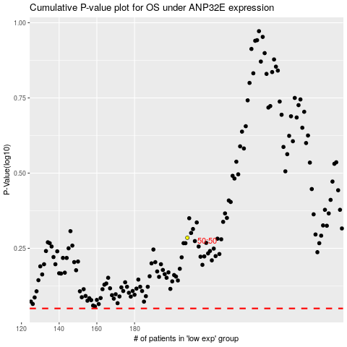

 |  |  |  |  |  | cases_OS | p_OS | rank | exp
 |  |  |  |  |  |  | cases_RFS | p_RFS | rank | exp

