ANXA1 _multivariate
Reported by Tex Li-Hsing Chi. tex@gate.sinica.edu.tw 2019-08-22

Table 2. The clinicopathological features of HNSCC cohort and ANXA1 expression. (Chi square test)
Cutoff at -0.543 (30.2%)
 |  | ANXA1 expression |  | ANXA1 expression |  | (Optimised)
 | Features | Low | (%) | High | (%) | Case no | P-value | Remark | Matthews
Gender | Female | 99 | 23.9 | 207 | 49.9 | 415 | 0.1237 | 0 | 0
2 | Male | 26 | 6.3 | 83 | 20
Age at diagnosis | <=65y | 79 | 19 | 195 | 47 | 415 | 0.4936 | 0 | 0
4 | >65y | 46 | 11.1 | 95 | 22.9
Clinical T Status | T1+T2 | 45 | 10.8 | 104 | 25.1 | 415 | 1 | 0 | 0
6 | T3+T4 | 80 | 19.3 | 186 | 44.8
Clinical N Status | N0 | 66 | 15.9 | 150 | 36.1 | 415 | 0.925 | 0 | 0
8 | N1-3 | 59 | 14.2 | 140 | 33.7
Clinical M Status | M0 | 125 | 30.1 | 287 | 69.2 | 415 | 0.5571 | 0 | 0
10 | M1 | 0 | 0 | 3 | 0.7
Clinical Stage | Stage I+II | 32 | 7.7 | 70 | 16.9 | 415 | 0.8469 | 0 | 0
12 | Stage III+IV | 93 | 22.4 | 220 | 53
Surgical Margin status | Negative | 95 | 22.9 | 223 | 53.7 | 415 | 0.8995 | 0 | 0
14 | Positive | 30 | 7.2 | 67 | 16.1
Tobacco Exposure | Low | 41 | 9.9 | 120 | 28.9 | 415 | 0.1241 | 0 | 0
16 | High | 84 | 20.2 | 170 | 41

Table 3. Univariate/Multivariate Cox's proportional hazards regression analyses on OS time of ANXA1 gene expression in HNSCC

 |  | Univariate |  |  |  | Multivariate
 | Features | HR | CI95%(L) | CI95%(H) | P-value | HR | CI95%(L) | CI95%(H) | P-value
1 | Female | 1 |  |  |  | 1
Gender | Male | 1.157 | 0.843 | 1.587 | 0.367 | 1.255 | 0.895 | 1.76 | 0.187
11 | <=65y | 1 |  |  |  | 1
Age at diagnosis | >65y | 1.329 | 0.99 | 1.784 | 0.058 | 1.392 | 1.024 | 1.893 | 0.035
12 | T1+T2 | 1 |  |  |  | 1
Clinical T Status | T3+T4 | 1.409 | 1.028 | 1.931 | 0.033 | 2.112 | 1.116 | 3.998 | 0.022
13 | N0 | 1 |  |  |  | 1
Clinical N Status | N1-3 | 1.185 | 0.89 | 1.577 | 0.246 | 1.207 | 0.846 | 1.723 | 0.3
14 | M0 | 1 |  |  |  | 1
Clinical M Status | M1 | 4.097 | 1.009 | 16.644 | 0.049 | 10.261 | 2.233 | 47.155 | 0.003
15 | Stage I+II | 1 |  |  |  | 1
Clinical Stage | Stage III+IV | 1.245 | 0.882 | 1.759 | 0.213 | 0.529 | 0.246 | 1.136 | 0.103
16 | Negative | 1 |  |  |  | 1
Surgical Margin status | Positive | 1.591 | 1.155 | 2.191 | 0.004 | 1.635 | 1.182 | 2.26 | 0.003
17 | Low | 1 |  |  |  | 1
Tobacco Exposure | High | 1.364 | 1.008 | 1.844 | 0.044 | 1.442 | 1.047 | 1.987 | 0.025
18 | Low | 1 |  |  |  | 1
RNAseq(z-score) | High | 0.726 | 0.54 | 0.978 | 0.035 | 0.736 | 0.543 | 0.999 | 0.049

Table 4. Univariate/Multivariate Cox's proportional hazards regression analyses on RFS time of ANXA1 gene expression in HNSCC

 |  | Univariate |  |  |  | Multivariate
 | Features | HR | CI95%(L) | CI95%(H) | P-value | HR | CI95%(L) | CI95%(H) | P-value
1 | Female | 1 |  |  |  | 1
Gender | Male | 1.157 | 0.843 | 1.587 | 0.367 | 1.255 | 0.895 | 1.76 | 0.187
11 | <=65y | 1 |  |  |  | 1
Age at diagnosis | >65y | 1.329 | 0.99 | 1.784 | 0.058 | 1.392 | 1.024 | 1.893 | 0.035
12 | T1+T2 | 1 |  |  |  | 1
Clinical T Status | T3+T4 | 1.409 | 1.028 | 1.931 | 0.033 | 2.112 | 1.116 | 3.998 | 0.022
13 | N0 | 1 |  |  |  | 1
Clinical N Status | N1-3 | 1.185 | 0.89 | 1.577 | 0.246 | 1.207 | 0.846 | 1.723 | 0.3
14 | M0 | 1 |  |  |  | 1
Clinical M Status | M1 | 4.097 | 1.009 | 16.644 | 0.049 | 10.261 | 2.233 | 47.155 | 0.003
15 | Stage I+II | 1 |  |  |  | 1
Clinical Stage | Stage III+IV | 1.245 | 0.882 | 1.759 | 0.213 | 0.529 | 0.246 | 1.136 | 0.103
16 | Negative | 1 |  |  |  | 1
Surgical Margin status | Positive | 1.591 | 1.155 | 2.191 | 0.004 | 1.635 | 1.182 | 2.26 | 0.003
17 | Low | 1 |  |  |  | 1
Tobacco Exposure | High | 1.364 | 1.008 | 1.844 | 0.044 | 1.442 | 1.047 | 1.987 | 0.025
18 | Low | 1 |  |  |  | 1
RNAseq(z-score) | High | 0.726 | 0.54 | 0.978 | 0.035 | 0.736 | 0.543 | 0.999 | 0.049

Kaplan-Meier survival estimate: Cutoff at -0.543 (30.2%)



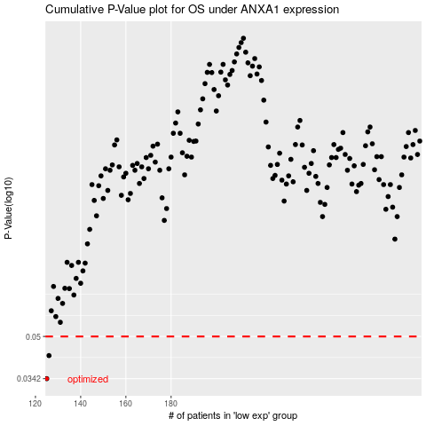

 |  |  |  |  |  | cases_OS | p_OS | rank | exp
 |  |  |  |  |  | 125 | 0.0342 | 158 | -0.54296471665
 |  |  |  |  |  | 126 | 0.0421 | 188 | -0.54261170041
 |  |  |  |  |  |  | cases_RFS | p_RFS | rank | exp
 |  |  |  |  |  |  |  | 0.0342 | 125 | -0.54303025677
 |  |  |  |  |  |  | 125 | 0.0421 | 158 | -0.54296471665

