ANXA11 _multivariate
Reported by Tex Li-Hsing Chi. tex@gate.sinica.edu.tw 2019-08-22

Table 2. The clinicopathological features of HNSCC cohort and ANXA11 expression. (Chi square test)
Cutoff at -0.302 (50.0%)
 |  | ANXA11 expression |  | ANXA11 expression |  | (Optimised)
 | Features | Low | (%) | High | (%) | Case no | P-value | Remark | Matthews
Gender | Female | 152 | 36.6 | 154 | 37.1 | 415 | 0.9766 | 0 | 0
2 | Male | 55 | 13.3 | 54 | 13
Age at diagnosis | <=65y | 143 | 34.5 | 131 | 31.6 | 415 | 0.2269 | 0 | 0
4 | >65y | 64 | 15.4 | 77 | 18.6
Clinical T Status | T1+T2 | 71 | 17.1 | 78 | 18.8 | 415 | 0.5638 | 0 | 0
6 | T3+T4 | 136 | 32.8 | 130 | 31.3
Clinical N Status | N0 | 106 | 25.5 | 110 | 26.5 | 415 | 0.8075 | 0 | 0
8 | N1-3 | 101 | 24.3 | 98 | 23.6
Clinical M Status | M0 | 206 | 49.6 | 206 | 49.6 | 415 | 1 | 0 | 0
10 | M1 | 1 | 0.2 | 2 | 0.5
Clinical Stage | Stage I+II | 50 | 12 | 52 | 12.5 | 415 | 0.9315 | 0 | 0
12 | Stage III+IV | 157 | 37.8 | 156 | 37.6
Surgical Margin status | Negative | 151 | 36.4 | 167 | 40.2 | 415 | 0.0828 | 0 | 0
14 | Positive | 56 | 13.5 | 41 | 9.9
Tobacco Exposure | Low | 77 | 18.6 | 84 | 20.2 | 415 | 0.5459 | 0 | 0
16 | High | 130 | 31.3 | 124 | 29.9

Table 3. Univariate/Multivariate Cox's proportional hazards regression analyses on OS time of ANXA11 gene expression in HNSCC

 |  | Univariate |  |  |  | Multivariate
 | Features | HR | CI95%(L) | CI95%(H) | P-value | HR | CI95%(L) | CI95%(H) | P-value
1 | Female | 1 |  |  |  | 1
Gender | Male | 1.157 | 0.843 | 1.587 | 0.367 | 1.207 | 0.864 | 1.686 | 0.27
11 | <=65y | 1 |  |  |  | 1
Age at diagnosis | >65y | 1.329 | 0.99 | 1.784 | 0.058 | 1.388 | 1.021 | 1.886 | 0.036
12 | T1+T2 | 1 |  |  |  | 1
Clinical T Status | T3+T4 | 1.409 | 1.028 | 1.931 | 0.033 | 2.249 | 1.188 | 4.258 | 0.013
13 | N0 | 1 |  |  |  | 1
Clinical N Status | N1-3 | 1.185 | 0.89 | 1.577 | 0.246 | 1.247 | 0.874 | 1.78 | 0.224
14 | M0 | 1 |  |  |  | 1
Clinical M Status | M1 | 4.097 | 1.009 | 16.644 | 0.049 | 9.416 | 2.054 | 43.168 | 0.004
15 | Stage I+II | 1 |  |  |  | 1
Clinical Stage | Stage III+IV | 1.245 | 0.882 | 1.759 | 0.213 | 0.493 | 0.229 | 1.059 | 0.07
16 | Negative | 1 |  |  |  | 1
Surgical Margin status | Positive | 1.591 | 1.155 | 2.191 | 0.004 | 1.698 | 1.227 | 2.351 | 0.001
17 | Low | 1 |  |  |  | 1
Tobacco Exposure | High | 1.364 | 1.008 | 1.844 | 0.044 | 1.448 | 1.05 | 1.996 | 0.024
18 | Low | 1 |  |  |  | 1
RNAseq(z-score) | High | 1.083 | 0.813 | 1.443 | 0.585 | 1.146 | 0.858 | 1.531 | 0.355

Table 4. Univariate/Multivariate Cox's proportional hazards regression analyses on RFS time of ANXA11 gene expression in HNSCC

 |  | Univariate |  |  |  | Multivariate
 | Features | HR | CI95%(L) | CI95%(H) | P-value | HR | CI95%(L) | CI95%(H) | P-value
1 | Female | 1 |  |  |  | 1
Gender | Male | 1.157 | 0.843 | 1.587 | 0.367 | 1.207 | 0.864 | 1.686 | 0.27
11 | <=65y | 1 |  |  |  | 1
Age at diagnosis | >65y | 1.329 | 0.99 | 1.784 | 0.058 | 1.388 | 1.021 | 1.886 | 0.036
12 | T1+T2 | 1 |  |  |  | 1
Clinical T Status | T3+T4 | 1.409 | 1.028 | 1.931 | 0.033 | 2.249 | 1.188 | 4.258 | 0.013
13 | N0 | 1 |  |  |  | 1
Clinical N Status | N1-3 | 1.185 | 0.89 | 1.577 | 0.246 | 1.247 | 0.874 | 1.78 | 0.224
14 | M0 | 1 |  |  |  | 1
Clinical M Status | M1 | 4.097 | 1.009 | 16.644 | 0.049 | 9.416 | 2.054 | 43.168 | 0.004
15 | Stage I+II | 1 |  |  |  | 1
Clinical Stage | Stage III+IV | 1.245 | 0.882 | 1.759 | 0.213 | 0.493 | 0.229 | 1.059 | 0.07
16 | Negative | 1 |  |  |  | 1
Surgical Margin status | Positive | 1.591 | 1.155 | 2.191 | 0.004 | 1.698 | 1.227 | 2.351 | 0.001
17 | Low | 1 |  |  |  | 1
Tobacco Exposure | High | 1.364 | 1.008 | 1.844 | 0.044 | 1.448 | 1.05 | 1.996 | 0.024
18 | Low | 1 |  |  |  | 1
RNAseq(z-score) | High | 1.083 | 0.813 | 1.443 | 0.585 | 1.146 | 0.858 | 1.531 | 0.355

Kaplan-Meier survival estimate: Cutoff at -0.302 (50.0%)



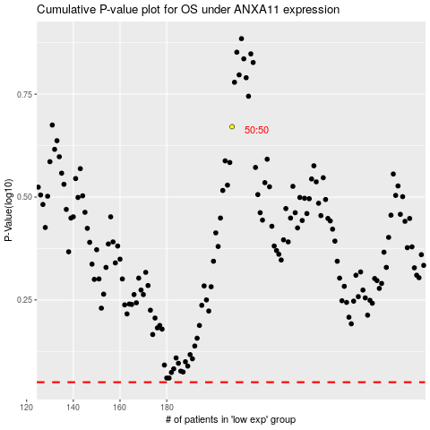

 |  |  |  |  |  | cases_OS | p_OS | rank | exp
 |  |  |  |  |  |  | cases_RFS | p_RFS | rank | exp

