ANXA13 _multivariate
Reported by Tex Li-Hsing Chi. tex@gate.sinica.edu.tw 2019-08-22

Table 2. The clinicopathological features of HNSCC cohort and ANXA13 expression. (Chi square test)
Cutoff at -0.273 (50.0%)
 |  | ANXA13 expression |  | ANXA13 expression |  | (Optimised)
 | Features | Low | (%) | High | (%) | Case no | P-value | Remark | Matthews
Gender | Female | 159 | 38.3 | 147 | 35.4 | 415 | 0.1905 | 0 | 0
2 | Male | 48 | 11.6 | 61 | 14.7
Age at diagnosis | <=65y | 136 | 32.8 | 138 | 33.3 | 415 | 0.9719 | 0 | 0
4 | >65y | 71 | 17.1 | 70 | 16.9
Clinical T Status | T1+T2 | 71 | 17.1 | 78 | 18.8 | 415 | 0.5638 | 0 | 0
6 | T3+T4 | 136 | 32.8 | 130 | 31.3
Clinical N Status | N0 | 100 | 24.1 | 116 | 28 | 415 | 0.1548 | 0 | 0
8 | N1-3 | 107 | 25.8 | 92 | 22.2
Clinical M Status | M0 | 206 | 49.6 | 206 | 49.6 | 415 | 1 | 0 | 0
10 | M1 | 1 | 0.2 | 2 | 0.5
Clinical Stage | Stage I+II | 40 | 9.6 | 62 | 14.9 | 415 | 0.018 | 1 | 0
12 | Stage III+IV | 167 | 40.2 | 146 | 35.2
Surgical Margin status | Negative | 156 | 37.6 | 162 | 39 | 415 | 0.5636 | 0 | 0
14 | Positive | 51 | 12.3 | 46 | 11.1
Tobacco Exposure | Low | 69 | 16.6 | 92 | 22.2 | 415 | 0.0266 | 1 | 0
16 | High | 138 | 33.3 | 116 | 28

Table 3. Univariate/Multivariate Cox's proportional hazards regression analyses on OS time of ANXA13 gene expression in HNSCC

 |  | Univariate |  |  |  | Multivariate
 | Features | HR | CI95%(L) | CI95%(H) | P-value | HR | CI95%(L) | CI95%(H) | P-value
1 | Female | 1 |  |  |  | 1
Gender | Male | 1.157 | 0.843 | 1.587 | 0.367 | 1.204 | 0.861 | 1.684 | 0.279
11 | <=65y | 1 |  |  |  | 1
Age at diagnosis | >65y | 1.329 | 0.99 | 1.784 | 0.058 | 1.391 | 1.023 | 1.891 | 0.035
12 | T1+T2 | 1 |  |  |  | 1
Clinical T Status | T3+T4 | 1.409 | 1.028 | 1.931 | 0.033 | 2.209 | 1.166 | 4.184 | 0.015
13 | N0 | 1 |  |  |  | 1
Clinical N Status | N1-3 | 1.185 | 0.89 | 1.577 | 0.246 | 1.24 | 0.869 | 1.77 | 0.235
14 | M0 | 1 |  |  |  | 1
Clinical M Status | M1 | 4.097 | 1.009 | 16.644 | 0.049 | 9.493 | 2.056 | 43.838 | 0.004
15 | Stage I+II | 1 |  |  |  | 1
Clinical Stage | Stage III+IV | 1.245 | 0.882 | 1.759 | 0.213 | 0.502 | 0.233 | 1.083 | 0.079
16 | Negative | 1 |  |  |  | 1
Surgical Margin status | Positive | 1.591 | 1.155 | 2.191 | 0.004 | 1.671 | 1.21 | 2.309 | 0.002
17 | Low | 1 |  |  |  | 1
Tobacco Exposure | High | 1.364 | 1.008 | 1.844 | 0.044 | 1.45 | 1.05 | 2.002 | 0.024
18 | Low | 1 |  |  |  | 1
RNAseq(z-score) | High | 0.97 | 0.726 | 1.295 | 0.835 | 0.982 | 0.728 | 1.324 | 0.905

Table 4. Univariate/Multivariate Cox's proportional hazards regression analyses on RFS time of ANXA13 gene expression in HNSCC

 |  | Univariate |  |  |  | Multivariate
 | Features | HR | CI95%(L) | CI95%(H) | P-value | HR | CI95%(L) | CI95%(H) | P-value
1 | Female | 1 |  |  |  | 1
Gender | Male | 1.157 | 0.843 | 1.587 | 0.367 | 1.204 | 0.861 | 1.684 | 0.279
11 | <=65y | 1 |  |  |  | 1
Age at diagnosis | >65y | 1.329 | 0.99 | 1.784 | 0.058 | 1.391 | 1.023 | 1.891 | 0.035
12 | T1+T2 | 1 |  |  |  | 1
Clinical T Status | T3+T4 | 1.409 | 1.028 | 1.931 | 0.033 | 2.209 | 1.166 | 4.184 | 0.015
13 | N0 | 1 |  |  |  | 1
Clinical N Status | N1-3 | 1.185 | 0.89 | 1.577 | 0.246 | 1.24 | 0.869 | 1.77 | 0.235
14 | M0 | 1 |  |  |  | 1
Clinical M Status | M1 | 4.097 | 1.009 | 16.644 | 0.049 | 9.493 | 2.056 | 43.838 | 0.004
15 | Stage I+II | 1 |  |  |  | 1
Clinical Stage | Stage III+IV | 1.245 | 0.882 | 1.759 | 0.213 | 0.502 | 0.233 | 1.083 | 0.079
16 | Negative | 1 |  |  |  | 1
Surgical Margin status | Positive | 1.591 | 1.155 | 2.191 | 0.004 | 1.671 | 1.21 | 2.309 | 0.002
17 | Low | 1 |  |  |  | 1
Tobacco Exposure | High | 1.364 | 1.008 | 1.844 | 0.044 | 1.45 | 1.05 | 2.002 | 0.024
18 | Low | 1 |  |  |  | 1
RNAseq(z-score) | High | 0.97 | 0.726 | 1.295 | 0.835 | 0.982 | 0.728 | 1.324 | 0.905

Kaplan-Meier survival estimate: Cutoff at -0.273 (50.0%)

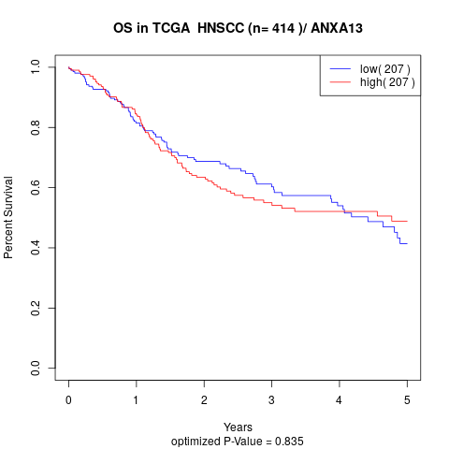

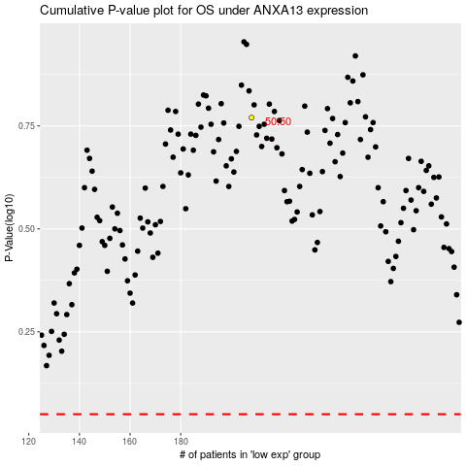

 |  |  |  |  |  | cases_OS | p_OS | rank | exp
 |  |  |  |  |  |  | cases_RFS | p_RFS | rank | exp

