ANXA6 _multivariate
Reported by Tex Li-Hsing Chi. tex@gate.sinica.edu.tw 2019-08-22

Table 2. The clinicopathological features of HNSCC cohort and ANXA6 expression. (Chi square test)
Cutoff at -0.278 (50.0%)
 |  | ANXA6 expression |  | ANXA6 expression |  | (Optimised)
 | Features | Low | (%) | High | (%) | Case no | P-value | Remark | Matthews
Gender | Female | 156 | 37.6 | 150 | 36.1 | 415 | 0.5222 | 0 | 0
2 | Male | 51 | 12.3 | 58 | 14
Age at diagnosis | <=65y | 135 | 32.5 | 139 | 33.5 | 415 | 0.8084 | 0 | 0
4 | >65y | 72 | 17.3 | 69 | 16.6
Clinical T Status | T1+T2 | 68 | 16.4 | 81 | 19.5 | 415 | 0.2336 | 0 | 0
6 | T3+T4 | 139 | 33.5 | 127 | 30.6
Clinical N Status | N0 | 114 | 27.5 | 102 | 24.6 | 415 | 0.2576 | 1 | 0
8 | N1-3 | 93 | 22.4 | 106 | 25.5
Clinical M Status | M0 | 204 | 49.2 | 208 | 50.1 | 415 | 0.1232 | 0 | 0
10 | M1 | 3 | 0.7 | 0 | 0
Clinical Stage | Stage I+II | 48 | 11.6 | 54 | 13 | 415 | 0.5878 | 0 | 0
12 | Stage III+IV | 159 | 38.3 | 154 | 37.1
Surgical Margin status | Negative | 159 | 38.3 | 159 | 38.3 | 415 | 1 | 0 | 0
14 | Positive | 48 | 11.6 | 49 | 11.8
Tobacco Exposure | Low | 79 | 19 | 82 | 19.8 | 415 | 0.8405 | 0 | 0
16 | High | 128 | 30.8 | 126 | 30.4

Table 3. Univariate/Multivariate Cox's proportional hazards regression analyses on OS time of ANXA6 gene expression in HNSCC

 |  | Univariate |  |  |  | Multivariate
 | Features | HR | CI95%(L) | CI95%(H) | P-value | HR | CI95%(L) | CI95%(H) | P-value
1 | Female | 1 |  |  |  | 1
Gender | Male | 1.157 | 0.843 | 1.587 | 0.367 | 1.208 | 0.864 | 1.689 | 0.269
11 | <=65y | 1 |  |  |  | 1
Age at diagnosis | >65y | 1.329 | 0.99 | 1.784 | 0.058 | 1.386 | 1.019 | 1.884 | 0.037
12 | T1+T2 | 1 |  |  |  | 1
Clinical T Status | T3+T4 | 1.409 | 1.028 | 1.931 | 0.033 | 2.183 | 1.154 | 4.129 | 0.016
13 | N0 | 1 |  |  |  | 1
Clinical N Status | N1-3 | 1.185 | 0.89 | 1.577 | 0.246 | 1.255 | 0.878 | 1.793 | 0.213
14 | M0 | 1 |  |  |  | 1
Clinical M Status | M1 | 4.097 | 1.009 | 16.644 | 0.049 | 8.878 | 1.919 | 41.076 | 0.005
15 | Stage I+II | 1 |  |  |  | 1
Clinical Stage | Stage III+IV | 1.245 | 0.882 | 1.759 | 0.213 | 0.503 | 0.234 | 1.079 | 0.077
16 | Negative | 1 |  |  |  | 1
Surgical Margin status | Positive | 1.591 | 1.155 | 2.191 | 0.004 | 1.68 | 1.215 | 2.323 | 0.002
17 | Low | 1 |  |  |  | 1
Tobacco Exposure | High | 1.364 | 1.008 | 1.844 | 0.044 | 1.452 | 1.053 | 2.002 | 0.023
18 | Low | 1 |  |  |  | 1
RNAseq(z-score) | High | 0.884 | 0.664 | 1.178 | 0.401 | 0.907 | 0.677 | 1.214 | 0.51

Table 4. Univariate/Multivariate Cox's proportional hazards regression analyses on RFS time of ANXA6 gene expression in HNSCC

 |  | Univariate |  |  |  | Multivariate
 | Features | HR | CI95%(L) | CI95%(H) | P-value | HR | CI95%(L) | CI95%(H) | P-value
1 | Female | 1 |  |  |  | 1
Gender | Male | 1.157 | 0.843 | 1.587 | 0.367 | 1.208 | 0.864 | 1.689 | 0.269
11 | <=65y | 1 |  |  |  | 1
Age at diagnosis | >65y | 1.329 | 0.99 | 1.784 | 0.058 | 1.386 | 1.019 | 1.884 | 0.037
12 | T1+T2 | 1 |  |  |  | 1
Clinical T Status | T3+T4 | 1.409 | 1.028 | 1.931 | 0.033 | 2.183 | 1.154 | 4.129 | 0.016
13 | N0 | 1 |  |  |  | 1
Clinical N Status | N1-3 | 1.185 | 0.89 | 1.577 | 0.246 | 1.255 | 0.878 | 1.793 | 0.213
14 | M0 | 1 |  |  |  | 1
Clinical M Status | M1 | 4.097 | 1.009 | 16.644 | 0.049 | 8.878 | 1.919 | 41.076 | 0.005
15 | Stage I+II | 1 |  |  |  | 1
Clinical Stage | Stage III+IV | 1.245 | 0.882 | 1.759 | 0.213 | 0.503 | 0.234 | 1.079 | 0.077
16 | Negative | 1 |  |  |  | 1
Surgical Margin status | Positive | 1.591 | 1.155 | 2.191 | 0.004 | 1.68 | 1.215 | 2.323 | 0.002
17 | Low | 1 |  |  |  | 1
Tobacco Exposure | High | 1.364 | 1.008 | 1.844 | 0.044 | 1.452 | 1.053 | 2.002 | 0.023
18 | Low | 1 |  |  |  | 1
RNAseq(z-score) | High | 0.884 | 0.664 | 1.178 | 0.401 | 0.907 | 0.677 | 1.214 | 0.51

Kaplan-Meier survival estimate: Cutoff at -0.278 (50.0%)



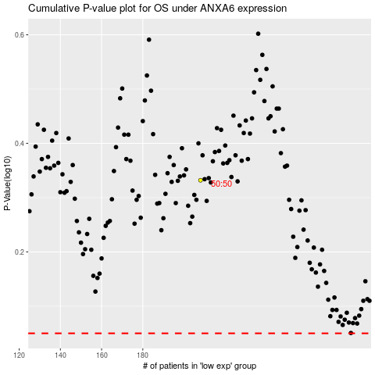

 |  |  |  |  |  | cases_OS | p_OS | rank | exp
 |  |  |  |  |  |  | cases_RFS | p_RFS | rank | exp

