ANXA9 _multivariate
Reported by Tex Li-Hsing Chi. tex@gate.sinica.edu.tw 2019-08-22

Table 2. The clinicopathological features of HNSCC cohort and ANXA9 expression. (Chi square test)
Cutoff at -0.203 (69.1%)
 |  | ANXA9 expression |  | ANXA9 expression |  | (Optimised)
 | Features | Low | (%) | High | (%) | Case no | P-value | Remark | Matthews
Gender | Female | 216 | 52 | 90 | 21.7 | 415 | 0.2657 | 0 | 0
2 | Male | 70 | 16.9 | 39 | 9.4
Age at diagnosis | <=65y | 189 | 45.5 | 85 | 20.5 | 415 | 1 | 0 | 0
4 | >65y | 97 | 23.4 | 44 | 10.6
Clinical T Status | T1+T2 | 110 | 26.5 | 39 | 9.4 | 415 | 0.1319 | 0 | 0
6 | T3+T4 | 176 | 42.4 | 90 | 21.7
Clinical N Status | N0 | 147 | 35.4 | 69 | 16.6 | 415 | 0.7731 | 0 | 0
8 | N1-3 | 139 | 33.5 | 60 | 14.5
Clinical M Status | M0 | 283 | 68.2 | 129 | 31.1 | 415 | 0.5554 | 0 | 0
10 | M1 | 3 | 0.7 | 0 | 0
Clinical Stage | Stage I+II | 77 | 18.6 | 25 | 6 | 415 | 0.1263 | 0 | 0
12 | Stage III+IV | 209 | 50.4 | 104 | 25.1
Surgical Margin status | Negative | 221 | 53.3 | 97 | 23.4 | 415 | 0.7071 | 0 | 0
14 | Positive | 65 | 15.7 | 32 | 7.7
Tobacco Exposure | Low | 113 | 27.2 | 48 | 11.6 | 415 | 0.6652 | 0 | 0
16 | High | 173 | 41.7 | 81 | 19.5

Table 3. Univariate/Multivariate Cox's proportional hazards regression analyses on OS time of ANXA9 gene expression in HNSCC

 |  | Univariate |  |  |  | Multivariate
 | Features | HR | CI95%(L) | CI95%(H) | P-value | HR | CI95%(L) | CI95%(H) | P-value
1 | Female | 1 |  |  |  | 1
Gender | Male | 1.157 | 0.843 | 1.587 | 0.367 | 1.286 | 0.917 | 1.802 | 0.144
11 | <=65y | 1 |  |  |  | 1
Age at diagnosis | >65y | 1.329 | 0.99 | 1.784 | 0.058 | 1.402 | 1.031 | 1.906 | 0.031
12 | T1+T2 | 1 |  |  |  | 1
Clinical T Status | T3+T4 | 1.409 | 1.028 | 1.931 | 0.033 | 2.239 | 1.185 | 4.23 | 0.013
13 | N0 | 1 |  |  |  | 1
Clinical N Status | N1-3 | 1.185 | 0.89 | 1.577 | 0.246 | 1.206 | 0.845 | 1.721 | 0.303
14 | M0 | 1 |  |  |  | 1
Clinical M Status | M1 | 4.097 | 1.009 | 16.644 | 0.049 | 8.687 | 1.893 | 39.867 | 0.005
15 | Stage I+II | 1 |  |  |  | 1
Clinical Stage | Stage III+IV | 1.245 | 0.882 | 1.759 | 0.213 | 0.529 | 0.246 | 1.135 | 0.102
16 | Negative | 1 |  |  |  | 1
Surgical Margin status | Positive | 1.591 | 1.155 | 2.191 | 0.004 | 1.709 | 1.236 | 2.362 | 0.001
17 | Low | 1 |  |  |  | 1
Tobacco Exposure | High | 1.364 | 1.008 | 1.844 | 0.044 | 1.479 | 1.073 | 2.039 | 0.017
18 | Low | 1 |  |  |  | 1
RNAseq(z-score) | High | 0.721 | 0.52 | 0.999 | 0.05 | 0.657 | 0.471 | 0.918 | 0.014

Table 4. Univariate/Multivariate Cox's proportional hazards regression analyses on RFS time of ANXA9 gene expression in HNSCC

 |  | Univariate |  |  |  | Multivariate
 | Features | HR | CI95%(L) | CI95%(H) | P-value | HR | CI95%(L) | CI95%(H) | P-value
1 | Female | 1 |  |  |  | 1
Gender | Male | 1.157 | 0.843 | 1.587 | 0.367 | 1.286 | 0.917 | 1.802 | 0.144
11 | <=65y | 1 |  |  |  | 1
Age at diagnosis | >65y | 1.329 | 0.99 | 1.784 | 0.058 | 1.402 | 1.031 | 1.906 | 0.031
12 | T1+T2 | 1 |  |  |  | 1
Clinical T Status | T3+T4 | 1.409 | 1.028 | 1.931 | 0.033 | 2.239 | 1.185 | 4.23 | 0.013
13 | N0 | 1 |  |  |  | 1
Clinical N Status | N1-3 | 1.185 | 0.89 | 1.577 | 0.246 | 1.206 | 0.845 | 1.721 | 0.303
14 | M0 | 1 |  |  |  | 1
Clinical M Status | M1 | 4.097 | 1.009 | 16.644 | 0.049 | 8.687 | 1.893 | 39.867 | 0.005
15 | Stage I+II | 1 |  |  |  | 1
Clinical Stage | Stage III+IV | 1.245 | 0.882 | 1.759 | 0.213 | 0.529 | 0.246 | 1.135 | 0.102
16 | Negative | 1 |  |  |  | 1
Surgical Margin status | Positive | 1.591 | 1.155 | 2.191 | 0.004 | 1.709 | 1.236 | 2.362 | 0.001
17 | Low | 1 |  |  |  | 1
Tobacco Exposure | High | 1.364 | 1.008 | 1.844 | 0.044 | 1.479 | 1.073 | 2.039 | 0.017
18 | Low | 1 |  |  |  | 1
RNAseq(z-score) | High | 0.721 | 0.52 | 0.999 | 0.05 | 0.657 | 0.471 | 0.918 | 0.014

Kaplan-Meier survival estimate: Cutoff at -0.203 (69.1%)



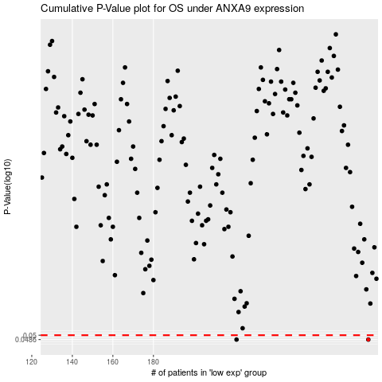

 |  |  |  |  |  | cases_OS | p_OS | rank | exp
 |  |  |  |  |  | 286 | 0.0486 | 106 | -0.20347425836
 |  |  |  |  |  | 221 | 0.0486 | 164 | -0.30884379057
 |  |  |  |  |  |  | cases_RFS | p_RFS | rank | exp
 |  |  |  |  |  |  | 285 | 0.0486 | 78 | -0.20518571963
 |  |  |  |  |  |  | 220 | 0.0486 | 227 | -0.30919732696

