AOAH _multivariate
Reported by Tex Li-Hsing Chi. tex@gate.sinica.edu.tw 2019-08-22

Table 2. The clinicopathological features of HNSCC cohort and AOAH expression. (Chi square test)
Cutoff at -0.338 (49.8%)
 |  | AOAH expression |  | AOAH expression |  | (Optimised)
 | Features | Low | (%) | High | (%) | Case no | P-value | Remark | Matthews
Gender | Female | 165 | 39.8 | 141 | 34 | 415 | 0.0081 | 1 | 0
2 | Male | 42 | 10.1 | 67 | 16.1
Age at diagnosis | <=65y | 148 | 35.7 | 126 | 30.4 | 415 | 0.0248 | 1 | 0
4 | >65y | 59 | 14.2 | 82 | 19.8
Clinical T Status | T1+T2 | 70 | 16.9 | 79 | 19 | 415 | 0.4343 | 0 | 0
6 | T3+T4 | 137 | 33 | 129 | 31.1
Clinical N Status | N0 | 116 | 28 | 100 | 24.1 | 415 | 0.1273 | 1 | 0
8 | N1-3 | 91 | 21.9 | 108 | 26
Clinical M Status | M0 | 204 | 49.2 | 208 | 50.1 | 415 | 0.1232 | 0 | 0
10 | M1 | 3 | 0.7 | 0 | 0
Clinical Stage | Stage I+II | 50 | 12 | 52 | 12.5 | 415 | 0.9315 | 0 | 0
12 | Stage III+IV | 157 | 37.8 | 156 | 37.6
Surgical Margin status | Negative | 156 | 37.6 | 162 | 39 | 415 | 0.5636 | 0 | 0
14 | Positive | 51 | 12.3 | 46 | 11.1
Tobacco Exposure | Low | 76 | 18.3 | 85 | 20.5 | 415 | 0.4207 | 0 | 0
16 | High | 131 | 31.6 | 123 | 29.6

Table 3. Univariate/Multivariate Cox's proportional hazards regression analyses on OS time of AOAH gene expression in HNSCC

 |  | Univariate |  |  |  | Multivariate
 | Features | HR | CI95%(L) | CI95%(H) | P-value | HR | CI95%(L) | CI95%(H) | P-value
1 | Female | 1 |  |  |  | 1
Gender | Male | 1.157 | 0.843 | 1.587 | 0.367 | 1.214 | 0.868 | 1.699 | 0.257
11 | <=65y | 1 |  |  |  | 1
Age at diagnosis | >65y | 1.329 | 0.99 | 1.784 | 0.058 | 1.395 | 1.027 | 1.895 | 0.033
12 | T1+T2 | 1 |  |  |  | 1
Clinical T Status | T3+T4 | 1.409 | 1.028 | 1.931 | 0.033 | 2.189 | 1.158 | 4.14 | 0.016
13 | N0 | 1 |  |  |  | 1
Clinical N Status | N1-3 | 1.185 | 0.89 | 1.577 | 0.246 | 1.251 | 0.876 | 1.785 | 0.218
14 | M0 | 1 |  |  |  | 1
Clinical M Status | M1 | 4.097 | 1.009 | 16.644 | 0.049 | 8.851 | 1.916 | 40.884 | 0.005
15 | Stage I+II | 1 |  |  |  | 1
Clinical Stage | Stage III+IV | 1.245 | 0.882 | 1.759 | 0.213 | 0.504 | 0.235 | 1.081 | 0.079
16 | Negative | 1 |  |  |  | 1
Surgical Margin status | Positive | 1.591 | 1.155 | 2.191 | 0.004 | 1.674 | 1.211 | 2.313 | 0.002
17 | Low | 1 |  |  |  | 1
Tobacco Exposure | High | 1.364 | 1.008 | 1.844 | 0.044 | 1.446 | 1.049 | 1.993 | 0.024
18 | Low | 1 |  |  |  | 1
RNAseq(z-score) | High | 0.891 | 0.668 | 1.187 | 0.43 | 0.893 | 0.667 | 1.195 | 0.446

Table 4. Univariate/Multivariate Cox's proportional hazards regression analyses on RFS time of AOAH gene expression in HNSCC

 |  | Univariate |  |  |  | Multivariate
 | Features | HR | CI95%(L) | CI95%(H) | P-value | HR | CI95%(L) | CI95%(H) | P-value
1 | Female | 1 |  |  |  | 1
Gender | Male | 1.157 | 0.843 | 1.587 | 0.367 | 1.214 | 0.868 | 1.699 | 0.257
11 | <=65y | 1 |  |  |  | 1
Age at diagnosis | >65y | 1.329 | 0.99 | 1.784 | 0.058 | 1.395 | 1.027 | 1.895 | 0.033
12 | T1+T2 | 1 |  |  |  | 1
Clinical T Status | T3+T4 | 1.409 | 1.028 | 1.931 | 0.033 | 2.189 | 1.158 | 4.14 | 0.016
13 | N0 | 1 |  |  |  | 1
Clinical N Status | N1-3 | 1.185 | 0.89 | 1.577 | 0.246 | 1.251 | 0.876 | 1.785 | 0.218
14 | M0 | 1 |  |  |  | 1
Clinical M Status | M1 | 4.097 | 1.009 | 16.644 | 0.049 | 8.851 | 1.916 | 40.884 | 0.005
15 | Stage I+II | 1 |  |  |  | 1
Clinical Stage | Stage III+IV | 1.245 | 0.882 | 1.759 | 0.213 | 0.504 | 0.235 | 1.081 | 0.079
16 | Negative | 1 |  |  |  | 1
Surgical Margin status | Positive | 1.591 | 1.155 | 2.191 | 0.004 | 1.674 | 1.211 | 2.313 | 0.002
17 | Low | 1 |  |  |  | 1
Tobacco Exposure | High | 1.364 | 1.008 | 1.844 | 0.044 | 1.446 | 1.049 | 1.993 | 0.024
18 | Low | 1 |  |  |  | 1
RNAseq(z-score) | High | 0.891 | 0.668 | 1.187 | 0.43 | 0.893 | 0.667 | 1.195 | 0.446

Kaplan-Meier survival estimate: Cutoff at -0.338 (49.8%)



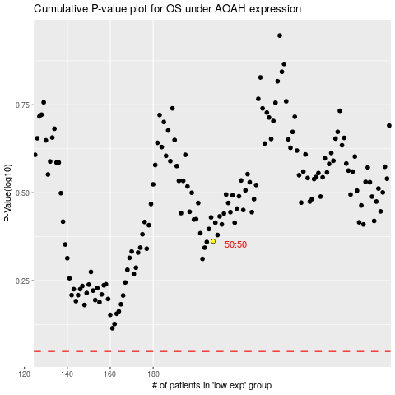

 |  |  |  |  |  | cases_OS | p_OS | rank | exp
 |  |  |  |  |  |  | cases_RFS | p_RFS | rank | exp

