AOC3 _multivariate
Reported by Tex Li-Hsing Chi. tex@gate.sinica.edu.tw 2019-08-22

Table 2. The clinicopathological features of HNSCC cohort and AOC3 expression. (Chi square test)
Cutoff at -0.273 (49.8%)
 |  | AOC3 expression |  | AOC3 expression |  | (Optimised)
 | Features | Low | (%) | High | (%) | Case no | P-value | Remark | Matthews
Gender | Female | 159 | 38.3 | 147 | 35.4 | 415 | 0.1905 | 0 | 0
2 | Male | 48 | 11.6 | 61 | 14.7
Age at diagnosis | <=65y | 133 | 32 | 141 | 34 | 415 | 0.5111 | 0 | 0
4 | >65y | 74 | 17.8 | 67 | 16.1
Clinical T Status | T1+T2 | 75 | 18.1 | 74 | 17.8 | 415 | 0.9707 | 0 | 0
6 | T3+T4 | 132 | 31.8 | 134 | 32.3
Clinical N Status | N0 | 112 | 27 | 104 | 25.1 | 415 | 0.4599 | 0 | 0
8 | N1-3 | 95 | 22.9 | 104 | 25.1
Clinical M Status | M0 | 204 | 49.2 | 208 | 50.1 | 415 | 0.1232 | 0 | 0
10 | M1 | 3 | 0.7 | 0 | 0
Clinical Stage | Stage I+II | 48 | 11.6 | 54 | 13 | 415 | 0.5878 | 0 | 0
12 | Stage III+IV | 159 | 38.3 | 154 | 37.1
Surgical Margin status | Negative | 158 | 38.1 | 160 | 38.6 | 415 | 0.9081 | 0 | 0
14 | Positive | 49 | 11.8 | 48 | 11.6
Tobacco Exposure | Low | 79 | 19 | 82 | 19.8 | 415 | 0.8405 | 0 | 0
16 | High | 128 | 30.8 | 126 | 30.4

Table 3. Univariate/Multivariate Cox's proportional hazards regression analyses on OS time of AOC3 gene expression in HNSCC

 |  | Univariate |  |  |  | Multivariate
 | Features | HR | CI95%(L) | CI95%(H) | P-value | HR | CI95%(L) | CI95%(H) | P-value
1 | Female | 1 |  |  |  | 1
Gender | Male | 1.157 | 0.843 | 1.587 | 0.367 | 1.201 | 0.859 | 1.677 | 0.284
11 | <=65y | 1 |  |  |  | 1
Age at diagnosis | >65y | 1.329 | 0.99 | 1.784 | 0.058 | 1.393 | 1.024 | 1.895 | 0.035
12 | T1+T2 | 1 |  |  |  | 1
Clinical T Status | T3+T4 | 1.409 | 1.028 | 1.931 | 0.033 | 2.194 | 1.158 | 4.158 | 0.016
13 | N0 | 1 |  |  |  | 1
Clinical N Status | N1-3 | 1.185 | 0.89 | 1.577 | 0.246 | 1.238 | 0.867 | 1.769 | 0.24
14 | M0 | 1 |  |  |  | 1
Clinical M Status | M1 | 4.097 | 1.009 | 16.644 | 0.049 | 9.482 | 2.06 | 43.648 | 0.004
15 | Stage I+II | 1 |  |  |  | 1
Clinical Stage | Stage III+IV | 1.245 | 0.882 | 1.759 | 0.213 | 0.506 | 0.236 | 1.089 | 0.082
16 | Negative | 1 |  |  |  | 1
Surgical Margin status | Positive | 1.591 | 1.155 | 2.191 | 0.004 | 1.672 | 1.21 | 2.31 | 0.002
17 | Low | 1 |  |  |  | 1
Tobacco Exposure | High | 1.364 | 1.008 | 1.844 | 0.044 | 1.454 | 1.055 | 2.004 | 0.022
18 | Low | 1 |  |  |  | 1
RNAseq(z-score) | High | 1.017 | 0.764 | 1.354 | 0.908 | 1.021 | 0.763 | 1.366 | 0.89

Table 4. Univariate/Multivariate Cox's proportional hazards regression analyses on RFS time of AOC3 gene expression in HNSCC

 |  | Univariate |  |  |  | Multivariate
 | Features | HR | CI95%(L) | CI95%(H) | P-value | HR | CI95%(L) | CI95%(H) | P-value
1 | Female | 1 |  |  |  | 1
Gender | Male | 1.157 | 0.843 | 1.587 | 0.367 | 1.201 | 0.859 | 1.677 | 0.284
11 | <=65y | 1 |  |  |  | 1
Age at diagnosis | >65y | 1.329 | 0.99 | 1.784 | 0.058 | 1.393 | 1.024 | 1.895 | 0.035
12 | T1+T2 | 1 |  |  |  | 1
Clinical T Status | T3+T4 | 1.409 | 1.028 | 1.931 | 0.033 | 2.194 | 1.158 | 4.158 | 0.016
13 | N0 | 1 |  |  |  | 1
Clinical N Status | N1-3 | 1.185 | 0.89 | 1.577 | 0.246 | 1.238 | 0.867 | 1.769 | 0.24
14 | M0 | 1 |  |  |  | 1
Clinical M Status | M1 | 4.097 | 1.009 | 16.644 | 0.049 | 9.482 | 2.06 | 43.648 | 0.004
15 | Stage I+II | 1 |  |  |  | 1
Clinical Stage | Stage III+IV | 1.245 | 0.882 | 1.759 | 0.213 | 0.506 | 0.236 | 1.089 | 0.082
16 | Negative | 1 |  |  |  | 1
Surgical Margin status | Positive | 1.591 | 1.155 | 2.191 | 0.004 | 1.672 | 1.21 | 2.31 | 0.002
17 | Low | 1 |  |  |  | 1
Tobacco Exposure | High | 1.364 | 1.008 | 1.844 | 0.044 | 1.454 | 1.055 | 2.004 | 0.022
18 | Low | 1 |  |  |  | 1
RNAseq(z-score) | High | 1.017 | 0.764 | 1.354 | 0.908 | 1.021 | 0.763 | 1.366 | 0.89

Kaplan-Meier survival estimate: Cutoff at -0.273 (49.8%)



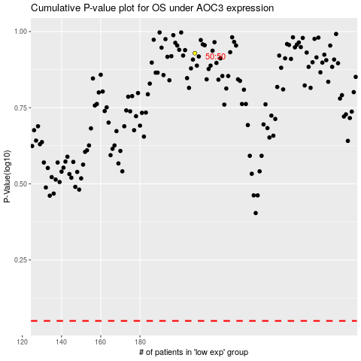

 |  |  |  |  |  | cases_OS | p_OS | rank | exp
 |  |  |  |  |  |  | cases_RFS | p_RFS | rank | exp

