AP1G1 _multivariate
Reported by Tex Li-Hsing Chi. tex@gate.sinica.edu.tw 2019-08-22

Table 2. The clinicopathological features of HNSCC cohort and AP1G1 expression. (Chi square test)
Cutoff at -0.012 (49.8%)
 |  | AP1G1 expression |  | AP1G1 expression |  | (Optimised)
 | Features | Low | (%) | High | (%) | Case no | P-value | Remark | Matthews
Gender | Female | 159 | 38.3 | 147 | 35.4 | 415 | 0.1905 | 0 | 0
2 | Male | 48 | 11.6 | 61 | 14.7
Age at diagnosis | <=65y | 135 | 32.5 | 139 | 33.5 | 415 | 0.8084 | 0 | 0
4 | >65y | 72 | 17.3 | 69 | 16.6
Clinical T Status | T1+T2 | 72 | 17.3 | 77 | 18.6 | 415 | 0.7095 | 0 | 0
6 | T3+T4 | 135 | 32.5 | 131 | 31.6
Clinical N Status | N0 | 104 | 25.1 | 112 | 27 | 415 | 0.5243 | 0 | 0
8 | N1-3 | 103 | 24.8 | 96 | 23.1
Clinical M Status | M0 | 205 | 49.4 | 207 | 49.9 | 415 | 0.6232 | 0 | 0
10 | M1 | 2 | 0.5 | 1 | 0.2
Clinical Stage | Stage I+II | 48 | 11.6 | 54 | 13 | 415 | 0.5878 | 0 | 0
12 | Stage III+IV | 159 | 38.3 | 154 | 37.1
Surgical Margin status | Negative | 151 | 36.4 | 167 | 40.2 | 415 | 0.0828 | 0 | 0
14 | Positive | 56 | 13.5 | 41 | 9.9
Tobacco Exposure | Low | 76 | 18.3 | 85 | 20.5 | 415 | 0.4207 | 0 | 0
16 | High | 131 | 31.6 | 123 | 29.6

Table 3. Univariate/Multivariate Cox's proportional hazards regression analyses on OS time of AP1G1 gene expression in HNSCC

 |  | Univariate |  |  |  | Multivariate
 | Features | HR | CI95%(L) | CI95%(H) | P-value | HR | CI95%(L) | CI95%(H) | P-value
1 | Female | 1 |  |  |  | 1
Gender | Male | 1.157 | 0.843 | 1.587 | 0.367 | 1.193 | 0.853 | 1.667 | 0.303
11 | <=65y | 1 |  |  |  | 1
Age at diagnosis | >65y | 1.329 | 0.99 | 1.784 | 0.058 | 1.408 | 1.035 | 1.917 | 0.03
12 | T1+T2 | 1 |  |  |  | 1
Clinical T Status | T3+T4 | 1.409 | 1.028 | 1.931 | 0.033 | 2.201 | 1.164 | 4.163 | 0.015
13 | N0 | 1 |  |  |  | 1
Clinical N Status | N1-3 | 1.185 | 0.89 | 1.577 | 0.246 | 1.25 | 0.876 | 1.784 | 0.219
14 | M0 | 1 |  |  |  | 1
Clinical M Status | M1 | 4.097 | 1.009 | 16.644 | 0.049 | 9.539 | 2.08 | 43.738 | 0.004
15 | Stage I+II | 1 |  |  |  | 1
Clinical Stage | Stage III+IV | 1.245 | 0.882 | 1.759 | 0.213 | 0.503 | 0.235 | 1.081 | 0.078
16 | Negative | 1 |  |  |  | 1
Surgical Margin status | Positive | 1.591 | 1.155 | 2.191 | 0.004 | 1.706 | 1.23 | 2.365 | 0.001
17 | Low | 1 |  |  |  | 1
Tobacco Exposure | High | 1.364 | 1.008 | 1.844 | 0.044 | 1.465 | 1.062 | 2.02 | 0.02
18 | Low | 1 |  |  |  | 1
RNAseq(z-score) | High | 1.034 | 0.776 | 1.378 | 0.819 | 1.136 | 0.848 | 1.522 | 0.393

Table 4. Univariate/Multivariate Cox's proportional hazards regression analyses on RFS time of AP1G1 gene expression in HNSCC

 |  | Univariate |  |  |  | Multivariate
 | Features | HR | CI95%(L) | CI95%(H) | P-value | HR | CI95%(L) | CI95%(H) | P-value
1 | Female | 1 |  |  |  | 1
Gender | Male | 1.157 | 0.843 | 1.587 | 0.367 | 1.193 | 0.853 | 1.667 | 0.303
11 | <=65y | 1 |  |  |  | 1
Age at diagnosis | >65y | 1.329 | 0.99 | 1.784 | 0.058 | 1.408 | 1.035 | 1.917 | 0.03
12 | T1+T2 | 1 |  |  |  | 1
Clinical T Status | T3+T4 | 1.409 | 1.028 | 1.931 | 0.033 | 2.201 | 1.164 | 4.163 | 0.015
13 | N0 | 1 |  |  |  | 1
Clinical N Status | N1-3 | 1.185 | 0.89 | 1.577 | 0.246 | 1.25 | 0.876 | 1.784 | 0.219
14 | M0 | 1 |  |  |  | 1
Clinical M Status | M1 | 4.097 | 1.009 | 16.644 | 0.049 | 9.539 | 2.08 | 43.738 | 0.004
15 | Stage I+II | 1 |  |  |  | 1
Clinical Stage | Stage III+IV | 1.245 | 0.882 | 1.759 | 0.213 | 0.503 | 0.235 | 1.081 | 0.078
16 | Negative | 1 |  |  |  | 1
Surgical Margin status | Positive | 1.591 | 1.155 | 2.191 | 0.004 | 1.706 | 1.23 | 2.365 | 0.001
17 | Low | 1 |  |  |  | 1
Tobacco Exposure | High | 1.364 | 1.008 | 1.844 | 0.044 | 1.465 | 1.062 | 2.02 | 0.02
18 | Low | 1 |  |  |  | 1
RNAseq(z-score) | High | 1.034 | 0.776 | 1.378 | 0.819 | 1.136 | 0.848 | 1.522 | 0.393

Kaplan-Meier survival estimate: Cutoff at -0.012 (49.8%)



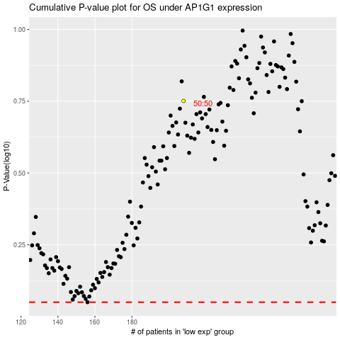

 |  |  |  |  |  | cases_OS | p_OS | rank | exp
 |  |  |  |  |  |  | cases_RFS | p_RFS | rank | exp

